ENDOD1 _multivariate
Reported by Tex Li-Hsing Chi. tex@gate.sinica.edu.tw 2019-08-20

Table 2. The clinicopathological features of HNSCC cohort and ENDOD1 expression. (Chi square test)
Cutoff at -0.132 (50.0%)
 |  | ENDOD1 expression |  | ENDOD1 expression |  | (Optimised)
 | Features | Low | (%) | High | (%) | Case no | P-value | Remark | Matthews
Gender | Female | 168 | 40.5 | 138 | 33.3 | 415 | 9e-04 | 1 | 0
2 | Male | 39 | 9.4 | 70 | 16.9
Age at diagnosis | <=65y | 144 | 34.7 | 130 | 31.3 | 415 | 0.1568 | 0 | 0
4 | >65y | 63 | 15.2 | 78 | 18.8
Clinical T Status | T1+T2 | 76 | 18.3 | 73 | 17.6 | 415 | 0.8092 | 0 | 0
6 | T3+T4 | 131 | 31.6 | 135 | 32.5
Clinical N Status | N0 | 93 | 22.4 | 123 | 29.6 | 415 | 0.0051 | 1 | 0
8 | N1-3 | 114 | 27.5 | 85 | 20.5
Clinical M Status | M0 | 205 | 49.4 | 207 | 49.9 | 415 | 0.6232 | 0 | 0
10 | M1 | 2 | 0.5 | 1 | 0.2
Clinical Stage | Stage I+II | 47 | 11.3 | 55 | 13.3 | 415 | 0.4413 | 0 | 0
12 | Stage III+IV | 160 | 38.6 | 153 | 36.9
Surgical Margin status | Negative | 153 | 36.9 | 165 | 39.8 | 415 | 0.2036 | 0 | 0
14 | Positive | 54 | 13 | 43 | 10.4
Tobacco Exposure | Low | 58 | 14 | 103 | 24.8 | 415 | 0 | 1 | 0
16 | High | 149 | 35.9 | 105 | 25.3

Table 3. Univariate/Multivariate Cox's proportional hazards regression analyses on OS time of ENDOD1 gene expression in HNSCC

 |  | Univariate |  |  |  | Multivariate
 | Features | HR | CI95%(L) | CI95%(H) | P-value | HR | CI95%(L) | CI95%(H) | P-value
1 | Female | 1 |  |  |  | 1
Gender | Male | 1.157 | 0.843 | 1.587 | 0.367 | 1.196 | 0.854 | 1.674 | 0.297
11 | <=65y | 1 |  |  |  | 1
Age at diagnosis | >65y | 1.329 | 0.99 | 1.784 | 0.058 | 1.393 | 1.024 | 1.893 | 0.035
12 | T1+T2 | 1 |  |  |  | 1
Clinical T Status | T3+T4 | 1.409 | 1.028 | 1.931 | 0.033 | 2.202 | 1.164 | 4.163 | 0.015
13 | N0 | 1 |  |  |  | 1
Clinical N Status | N1-3 | 1.185 | 0.89 | 1.577 | 0.246 | 1.248 | 0.872 | 1.787 | 0.226
14 | M0 | 1 |  |  |  | 1
Clinical M Status | M1 | 4.097 | 1.009 | 16.644 | 0.049 | 9.399 | 2.05 | 43.083 | 0.004
15 | Stage I+II | 1 |  |  |  | 1
Clinical Stage | Stage III+IV | 1.245 | 0.882 | 1.759 | 0.213 | 0.504 | 0.235 | 1.082 | 0.079
16 | Negative | 1 |  |  |  | 1
Surgical Margin status | Positive | 1.591 | 1.155 | 2.191 | 0.004 | 1.676 | 1.212 | 2.317 | 0.002
17 | Low | 1 |  |  |  | 1
Tobacco Exposure | High | 1.364 | 1.008 | 1.844 | 0.044 | 1.459 | 1.057 | 2.015 | 0.022
18 | Low | 1 |  |  |  | 1
RNAseq(z-score) | High | 0.97 | 0.729 | 1.292 | 0.837 | 1.037 | 0.771 | 1.394 | 0.81

Table 4. Univariate/Multivariate Cox's proportional hazards regression analyses on RFS time of ENDOD1 gene expression in HNSCC

 |  | Univariate |  |  |  | Multivariate
 | Features | HR | CI95%(L) | CI95%(H) | P-value | HR | CI95%(L) | CI95%(H) | P-value
1 | Female | 1 |  |  |  | 1
Gender | Male | 1.157 | 0.843 | 1.587 | 0.367 | 1.196 | 0.854 | 1.674 | 0.297
11 | <=65y | 1 |  |  |  | 1
Age at diagnosis | >65y | 1.329 | 0.99 | 1.784 | 0.058 | 1.393 | 1.024 | 1.893 | 0.035
12 | T1+T2 | 1 |  |  |  | 1
Clinical T Status | T3+T4 | 1.409 | 1.028 | 1.931 | 0.033 | 2.202 | 1.164 | 4.163 | 0.015
13 | N0 | 1 |  |  |  | 1
Clinical N Status | N1-3 | 1.185 | 0.89 | 1.577 | 0.246 | 1.248 | 0.872 | 1.787 | 0.226
14 | M0 | 1 |  |  |  | 1
Clinical M Status | M1 | 4.097 | 1.009 | 16.644 | 0.049 | 9.399 | 2.05 | 43.083 | 0.004
15 | Stage I+II | 1 |  |  |  | 1
Clinical Stage | Stage III+IV | 1.245 | 0.882 | 1.759 | 0.213 | 0.504 | 0.235 | 1.082 | 0.079
16 | Negative | 1 |  |  |  | 1
Surgical Margin status | Positive | 1.591 | 1.155 | 2.191 | 0.004 | 1.676 | 1.212 | 2.317 | 0.002
17 | Low | 1 |  |  |  | 1
Tobacco Exposure | High | 1.364 | 1.008 | 1.844 | 0.044 | 1.459 | 1.057 | 2.015 | 0.022
18 | Low | 1 |  |  |  | 1
RNAseq(z-score) | High | 0.97 | 0.729 | 1.292 | 0.837 | 1.037 | 0.771 | 1.394 | 0.81

Kaplan-Meier survival estimate: Cutoff at -0.132 (50.0%)



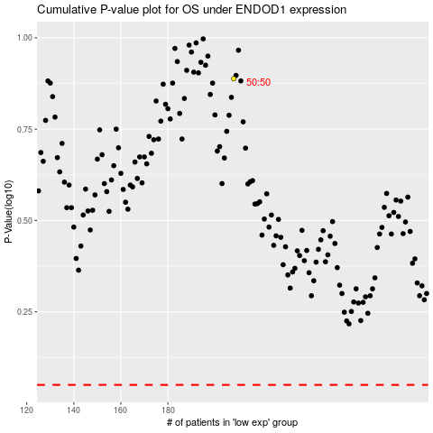

 |  |  |  |  |  | cases_OS | p_OS | rank | exp
 |  |  |  |  |  |  | cases_RFS | p_RFS | rank | exp

