ENO1 _multivariate
Reported by Tex Li-Hsing Chi. tex@gate.sinica.edu.tw 2019-08-20

Table 2. The clinicopathological features of HNSCC cohort and ENO1 expression. (Chi square test)
Cutoff at 0.418 (69.6%)
 |  | ENO1 expression |  | ENO1 expression |  | (Optimised)
 | Features | Low | (%) | High | (%) | Case no | P-value | Remark | Matthews
Gender | Female | 217 | 52.3 | 89 | 21.4 | 415 | 0.4087 | 0 | 0
2 | Male | 72 | 17.3 | 37 | 8.9
Age at diagnosis | <=65y | 191 | 46 | 83 | 20 | 415 | 1 | 0 | 0
4 | >65y | 98 | 23.6 | 43 | 10.4
Clinical T Status | T1+T2 | 105 | 25.3 | 44 | 10.6 | 415 | 0.8695 | 0 | 0
6 | T3+T4 | 184 | 44.3 | 82 | 19.8
Clinical N Status | N0 | 160 | 38.6 | 56 | 13.5 | 415 | 0.0523 | 0 | 0
8 | N1-3 | 129 | 31.1 | 70 | 16.9
Clinical M Status | M0 | 288 | 69.4 | 124 | 29.9 | 415 | 0.22 | 0 | 0
10 | M1 | 1 | 0.2 | 2 | 0.5
Clinical Stage | Stage I+II | 74 | 17.8 | 28 | 6.7 | 415 | 0.5405 | 0 | 0
12 | Stage III+IV | 215 | 51.8 | 98 | 23.6
Surgical Margin status | Negative | 224 | 54 | 94 | 22.7 | 415 | 0.53 | 0 | 0
14 | Positive | 65 | 15.7 | 32 | 7.7
Tobacco Exposure | Low | 115 | 27.7 | 46 | 11.1 | 415 | 0.5842 | 0 | 0
16 | High | 174 | 41.9 | 80 | 19.3

Table 3. Univariate/Multivariate Cox's proportional hazards regression analyses on OS time of ENO1 gene expression in HNSCC

 |  | Univariate |  |  |  | Multivariate
 | Features | HR | CI95%(L) | CI95%(H) | P-value | HR | CI95%(L) | CI95%(H) | P-value
1 | Female | 1 |  |  |  | 1
Gender | Male | 1.157 | 0.843 | 1.587 | 0.367 | 1.166 | 0.834 | 1.629 | 0.369
11 | <=65y | 1 |  |  |  | 1
Age at diagnosis | >65y | 1.329 | 0.99 | 1.784 | 0.058 | 1.37 | 1.01 | 1.859 | 0.043
12 | T1+T2 | 1 |  |  |  | 1
Clinical T Status | T3+T4 | 1.409 | 1.028 | 1.931 | 0.033 | 2.135 | 1.13 | 4.033 | 0.019
13 | N0 | 1 |  |  |  | 1
Clinical N Status | N1-3 | 1.185 | 0.89 | 1.577 | 0.246 | 1.188 | 0.831 | 1.697 | 0.344
14 | M0 | 1 |  |  |  | 1
Clinical M Status | M1 | 4.097 | 1.009 | 16.644 | 0.049 | 8.29 | 1.803 | 38.118 | 0.007
15 | Stage I+II | 1 |  |  |  | 1
Clinical Stage | Stage III+IV | 1.245 | 0.882 | 1.759 | 0.213 | 0.529 | 0.246 | 1.134 | 0.101
16 | Negative | 1 |  |  |  | 1
Surgical Margin status | Positive | 1.591 | 1.155 | 2.191 | 0.004 | 1.657 | 1.199 | 2.289 | 0.002
17 | Low | 1 |  |  |  | 1
Tobacco Exposure | High | 1.364 | 1.008 | 1.844 | 0.044 | 1.44 | 1.045 | 1.985 | 0.026
18 | Low | 1 |  |  |  | 1
RNAseq(z-score) | High | 1.547 | 1.15 | 2.08 | 0.004 | 1.463 | 1.084 | 1.975 | 0.013

Table 4. Univariate/Multivariate Cox's proportional hazards regression analyses on RFS time of ENO1 gene expression in HNSCC

 |  | Univariate |  |  |  | Multivariate
 | Features | HR | CI95%(L) | CI95%(H) | P-value | HR | CI95%(L) | CI95%(H) | P-value
1 | Female | 1 |  |  |  | 1
Gender | Male | 1.157 | 0.843 | 1.587 | 0.367 | 1.166 | 0.834 | 1.629 | 0.369
11 | <=65y | 1 |  |  |  | 1
Age at diagnosis | >65y | 1.329 | 0.99 | 1.784 | 0.058 | 1.37 | 1.01 | 1.859 | 0.043
12 | T1+T2 | 1 |  |  |  | 1
Clinical T Status | T3+T4 | 1.409 | 1.028 | 1.931 | 0.033 | 2.135 | 1.13 | 4.033 | 0.019
13 | N0 | 1 |  |  |  | 1
Clinical N Status | N1-3 | 1.185 | 0.89 | 1.577 | 0.246 | 1.188 | 0.831 | 1.697 | 0.344
14 | M0 | 1 |  |  |  | 1
Clinical M Status | M1 | 4.097 | 1.009 | 16.644 | 0.049 | 8.29 | 1.803 | 38.118 | 0.007
15 | Stage I+II | 1 |  |  |  | 1
Clinical Stage | Stage III+IV | 1.245 | 0.882 | 1.759 | 0.213 | 0.529 | 0.246 | 1.134 | 0.101
16 | Negative | 1 |  |  |  | 1
Surgical Margin status | Positive | 1.591 | 1.155 | 2.191 | 0.004 | 1.657 | 1.199 | 2.289 | 0.002
17 | Low | 1 |  |  |  | 1
Tobacco Exposure | High | 1.364 | 1.008 | 1.844 | 0.044 | 1.44 | 1.045 | 1.985 | 0.026
18 | Low | 1 |  |  |  | 1
RNAseq(z-score) | High | 1.547 | 1.15 | 2.08 | 0.004 | 1.463 | 1.084 | 1.975 | 0.013

Kaplan-Meier survival estimate: Cutoff at 0.418 (69.6%)

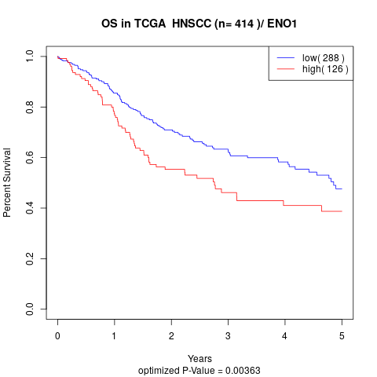

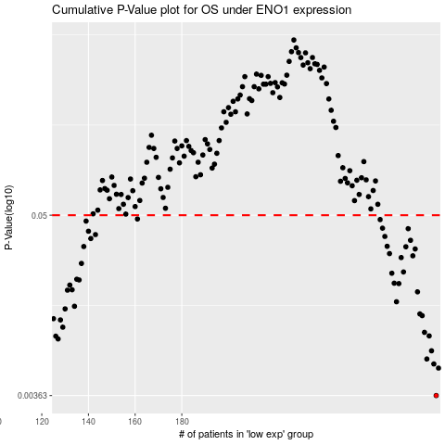

 |  |  |  |  |  | cases_OS | p_OS | rank | exp
 |  |  |  |  |  | 289 | 0.00363 | 69 | 0.41836143162
 |  |  |  |  |  | 290 | 0.00541 | 346 | 0.42464067216
 |  |  |  |  |  | 288 | 0.00575 | 111 | 0.40726660993
 |  |  |  |  |  | 285 | 0.00618 | 117 | 0.37295607342
 |  |  |  |  |  | 287 | 0.00696 | 351 | 0.39864313134
 |  |  |  |  |  | 127 | 0.00827 | 74 | -0.49177861037
 |  |  |  |  |  | 126 | 0.00861 | 20 | -0.49783351824
 |  |  |  |  |  | 286 | 0.00864 | 293 | 0.38700947709
 |  |  |  |  |  | 284 | 0.0091 | 122 | 0.35809654122
 |  |  |  |  |  | 129 | 0.00981 | 405 | -0.48910367294
 |  |  |  |  |  | 128 | 0.0109 | 415 | -0.48940577544
 |  |  |  |  |  | 125 | 0.0111 | 59 | -0.50164990135
 |  |  |  |  |  | 283 | 0.0116 | 17 | 0.33164427888
 |  |  |  |  |  | 282 | 0.0119 | 28 | 0.32675027889
 |  |  |  |  |  | 130 | 0.0128 | 375 | -0.48139921937
 |  |  |  |  |  | 134 | 0.0133 | 224 | -0.47567625193
 |  |  |  |  |  | 272 | 0.0142 | 77 | 0.22482580925
 |  |  |  |  |  | 281 | 0.0164 | 105 | 0.3220149453
 |  |  |  |  |  | 131 | 0.0168 | 212 | -0.48004331244
 |  |  |  |  |  | 133 | 0.0169 | 126 | -0.47704099095
 |  |  |  |  |  | 132 | 0.0181 | 144 | -0.47965459924
 |  |  |  |  |  | 273 | 0.0185 | 210 | 0.23746891009
 |  |  |  |  |  | 271 | 0.0186 | 130 | 0.21493641991
 |  |  |  |  |  | 136 | 0.0195 | 248 | -0.44954185304
 |  |  |  |  |  | 135 | 0.0197 | 277 | -0.47549850485
 |  |  |  |  |  | 270 | 0.0215 | 312 | 0.20936336134
 |  |  |  |  |  | 275 | 0.0219 | 289 | 0.26373898298
 |  |  |  |  |  | 137 | 0.0248 | 414 | -0.44762977387
 |  |  |  |  |  | 274 | 0.027 | 407 | 0.24705182472
 |  |  |  |  |  | 279 | 0.0277 | 211 | 0.2924904502
 |  |  |  |  |  | 269 | 0.0286 | 399 | 0.20382940257
 |  |  |  |  |  | 280 | 0.0306 | 219 | 0.30175832993
 |  |  |  |  |  | 276 | 0.0316 | 263 | 0.26604566927
 |  |  |  |  |  | 138 | 0.0317 | 250 | -0.44257313871
 |  |  |  |  |  | 268 | 0.0318 | 22 | 0.19148394432
 |  |  |  |  |  | 278 | 0.0347 | 31 | 0.29137443517
 |  |  |  |  |  | 141 | 0.0356 | 281 | -0.42528486274
 |  |  |  |  |  | 267 | 0.0367 | 367 | 0.15871514402
 |  |  |  |  |  | 143 | 0.0377 | 274 | -0.40991932234
 |  |  |  |  |  | 140 | 0.0396 | 388 | -0.43383926766
 |  |  |  |  |  | 277 | 0.0411 | 305 | 0.29074023875
 |  |  |  |  |  | 266 | 0.0414 | 8 | 0.15463810437
 |  |  |  |  |  | 139 | 0.0459 | 310 | -0.43441852439
 |  |  |  |  |  | 265 | 0.0469 | 386 | 0.15432486308
 |  |  |  |  |  | 161 | 0.0473 | 52 | -0.30981305464
 |  |  |  |  |  |  | cases_RFS | p_RFS | rank | exp
 |  |  |  |  |  |  | 288 | 0.00363 | 111 | 0.40726660993
 |  |  |  |  |  |  | 289 | 0.00541 | 69 | 0.41836143162
 |  |  |  |  |  |  | 287 | 0.00575 | 351 | 0.39864313134
 |  |  |  |  |  |  | 284 | 0.00618 | 122 | 0.35809654122
 |  |  |  |  |  |  | 286 | 0.00696 | 293 | 0.38700947709
 |  |  |  |  |  |  | 126 | 0.00827 | 20 | -0.49783351824
 |  |  |  |  |  |  | 125 | 0.00861 | 59 | -0.50164990135
 |  |  |  |  |  |  | 285 | 0.00864 | 117 | 0.37295607342
 |  |  |  |  |  |  | 283 | 0.0091 | 17 | 0.33164427888
 |  |  |  |  |  |  | 128 | 0.00981 | 415 | -0.48940577544
 |  |  |  |  |  |  | 127 | 0.0109 | 74 | -0.49177861037
 |  |  |  |  |  |  |  | 0.0111 | 226 | -0.51303427028
 |  |  |  |  |  |  | 282 | 0.0116 | 28 | 0.32675027889
 |  |  |  |  |  |  | 281 | 0.0119 | 105 | 0.3220149453
 |  |  |  |  |  |  | 129 | 0.0128 | 405 | -0.48910367294
 |  |  |  |  |  |  | 133 | 0.0133 | 126 | -0.47704099095
 |  |  |  |  |  |  | 271 | 0.0142 | 130 | 0.21493641991
 |  |  |  |  |  |  | 280 | 0.0164 | 219 | 0.30175832993
 |  |  |  |  |  |  | 130 | 0.0168 | 375 | -0.48139921937
 |  |  |  |  |  |  | 132 | 0.0169 | 144 | -0.47965459924
 |  |  |  |  |  |  | 131 | 0.0181 | 212 | -0.48004331244
 |  |  |  |  |  |  | 272 | 0.0185 | 77 | 0.22482580925
 |  |  |  |  |  |  | 270 | 0.0186 | 312 | 0.20936336134
 |  |  |  |  |  |  | 135 | 0.0195 | 277 | -0.47549850485
 |  |  |  |  |  |  | 134 | 0.0197 | 224 | -0.47567625193
 |  |  |  |  |  |  | 269 | 0.0215 | 399 | 0.20382940257
 |  |  |  |  |  |  | 274 | 0.0219 | 407 | 0.24705182472
 |  |  |  |  |  |  | 136 | 0.0248 | 248 | -0.44954185304
 |  |  |  |  |  |  | 273 | 0.027 | 210 | 0.23746891009
 |  |  |  |  |  |  | 278 | 0.0277 | 31 | 0.29137443517
 |  |  |  |  |  |  | 268 | 0.0286 | 22 | 0.19148394432
 |  |  |  |  |  |  | 279 | 0.0306 | 211 | 0.2924904502
 |  |  |  |  |  |  | 275 | 0.0316 | 289 | 0.26373898298
 |  |  |  |  |  |  | 137 | 0.0317 | 414 | -0.44762977387
 |  |  |  |  |  |  | 267 | 0.0318 | 367 | 0.15871514402
 |  |  |  |  |  |  | 277 | 0.0347 | 305 | 0.29074023875
 |  |  |  |  |  |  | 140 | 0.0356 | 388 | -0.43383926766
 |  |  |  |  |  |  | 266 | 0.0367 | 8 | 0.15463810437
 |  |  |  |  |  |  | 142 | 0.0377 | 120 | -0.41170498497
 |  |  |  |  |  |  | 139 | 0.0396 | 310 | -0.43441852439
 |  |  |  |  |  |  | 276 | 0.0411 | 263 | 0.26604566927
 |  |  |  |  |  |  | 265 | 0.0414 | 386 | 0.15432486308
 |  |  |  |  |  |  | 138 | 0.0459 | 250 | -0.44257313871
 |  |  |  |  |  |  | 264 | 0.0469 | 84 | 0.15303767461
 |  |  |  |  |  |  | 160 | 0.0473 | 350 | -0.31131847576

