ENO2 _multivariate
Reported by Tex Li-Hsing Chi. tex@gate.sinica.edu.tw 2019-08-20

Table 2. The clinicopathological features of HNSCC cohort and ENO2 expression. (Chi square test)
Cutoff at -0.249 (51.0%)
 |  | ENO2 expression |  | ENO2 expression |  | (Optimised)
 | Features | Low | (%) | High | (%) | Case no | P-value | Remark | Matthews
Gender | Female | 145 | 34.9 | 161 | 38.8 | 415 | 0.0158 | 1 | 0
2 | Male | 67 | 16.1 | 42 | 10.1
Age at diagnosis | <=65y | 136 | 32.8 | 138 | 33.3 | 415 | 0.4717 | 0 | 0
4 | >65y | 76 | 18.3 | 65 | 15.7
Clinical T Status | T1+T2 | 84 | 20.2 | 65 | 15.7 | 415 | 0.1306 | 0 | 0
6 | T3+T4 | 128 | 30.8 | 138 | 33.3
Clinical N Status | N0 | 121 | 29.2 | 95 | 22.9 | 415 | 0.0459 | 1 | 0
8 | N1-3 | 91 | 21.9 | 108 | 26
Clinical M Status | M0 | 211 | 50.8 | 201 | 48.4 | 415 | 0.6161 | 0 | 0
10 | M1 | 1 | 0.2 | 2 | 0.5
Clinical Stage | Stage I+II | 64 | 15.4 | 38 | 9.2 | 415 | 0.0094 | 1 | 0
12 | Stage III+IV | 148 | 35.7 | 165 | 39.8
Surgical Margin status | Negative | 161 | 38.8 | 157 | 37.8 | 415 | 0.8166 | 0 | 0
14 | Positive | 51 | 12.3 | 46 | 11.1
Tobacco Exposure | Low | 101 | 24.3 | 60 | 14.5 | 415 | 2e-04 | 1 | 0
16 | High | 111 | 26.7 | 143 | 34.5

Table 3. Univariate/Multivariate Cox's proportional hazards regression analyses on OS time of ENO2 gene expression in HNSCC

 |  | Univariate |  |  |  | Multivariate
 | Features | HR | CI95%(L) | CI95%(H) | P-value | HR | CI95%(L) | CI95%(H) | P-value
1 | Female | 1 |  |  |  | 1
Gender | Male | 1.157 | 0.843 | 1.587 | 0.367 | 1.232 | 0.882 | 1.72 | 0.221
11 | <=65y | 1 |  |  |  | 1
Age at diagnosis | >65y | 1.329 | 0.99 | 1.784 | 0.058 | 1.423 | 1.047 | 1.935 | 0.024
12 | T1+T2 | 1 |  |  |  | 1
Clinical T Status | T3+T4 | 1.409 | 1.028 | 1.931 | 0.033 | 2.294 | 1.213 | 4.342 | 0.011
13 | N0 | 1 |  |  |  | 1
Clinical N Status | N1-3 | 1.185 | 0.89 | 1.577 | 0.246 | 1.245 | 0.873 | 1.775 | 0.227
14 | M0 | 1 |  |  |  | 1
Clinical M Status | M1 | 4.097 | 1.009 | 16.644 | 0.049 | 9.716 | 2.118 | 44.565 | 0.003
15 | Stage I+II | 1 |  |  |  | 1
Clinical Stage | Stage III+IV | 1.245 | 0.882 | 1.759 | 0.213 | 0.453 | 0.21 | 0.979 | 0.044
16 | Negative | 1 |  |  |  | 1
Surgical Margin status | Positive | 1.591 | 1.155 | 2.191 | 0.004 | 1.708 | 1.235 | 2.364 | 0.001
17 | Low | 1 |  |  |  | 1
Tobacco Exposure | High | 1.364 | 1.008 | 1.844 | 0.044 | 1.349 | 0.971 | 1.873 | 0.075
18 | Low | 1 |  |  |  | 1
RNAseq(z-score) | High | 1.338 | 1.001 | 1.788 | 0.049 | 1.376 | 1.007 | 1.879 | 0.045

Table 4. Univariate/Multivariate Cox's proportional hazards regression analyses on RFS time of ENO2 gene expression in HNSCC

 |  | Univariate |  |  |  | Multivariate
 | Features | HR | CI95%(L) | CI95%(H) | P-value | HR | CI95%(L) | CI95%(H) | P-value
1 | Female | 1 |  |  |  | 1
Gender | Male | 1.157 | 0.843 | 1.587 | 0.367 | 1.232 | 0.882 | 1.72 | 0.221
11 | <=65y | 1 |  |  |  | 1
Age at diagnosis | >65y | 1.329 | 0.99 | 1.784 | 0.058 | 1.423 | 1.047 | 1.935 | 0.024
12 | T1+T2 | 1 |  |  |  | 1
Clinical T Status | T3+T4 | 1.409 | 1.028 | 1.931 | 0.033 | 2.294 | 1.213 | 4.342 | 0.011
13 | N0 | 1 |  |  |  | 1
Clinical N Status | N1-3 | 1.185 | 0.89 | 1.577 | 0.246 | 1.245 | 0.873 | 1.775 | 0.227
14 | M0 | 1 |  |  |  | 1
Clinical M Status | M1 | 4.097 | 1.009 | 16.644 | 0.049 | 9.716 | 2.118 | 44.565 | 0.003
15 | Stage I+II | 1 |  |  |  | 1
Clinical Stage | Stage III+IV | 1.245 | 0.882 | 1.759 | 0.213 | 0.453 | 0.21 | 0.979 | 0.044
16 | Negative | 1 |  |  |  | 1
Surgical Margin status | Positive | 1.591 | 1.155 | 2.191 | 0.004 | 1.708 | 1.235 | 2.364 | 0.001
17 | Low | 1 |  |  |  | 1
Tobacco Exposure | High | 1.364 | 1.008 | 1.844 | 0.044 | 1.349 | 0.971 | 1.873 | 0.075
18 | Low | 1 |  |  |  | 1
RNAseq(z-score) | High | 1.338 | 1.001 | 1.788 | 0.049 | 1.376 | 1.007 | 1.879 | 0.045

Kaplan-Meier survival estimate: Cutoff at -0.249 (51.0%)



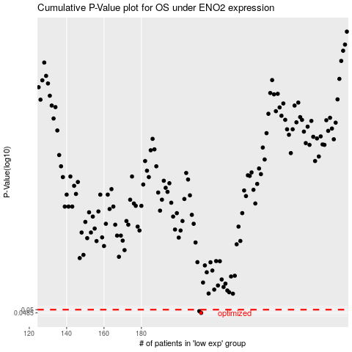

 |  |  |  |  |  | cases_OS | p_OS | rank | exp
 |  |  |  |  |  | 212 | 0.0485 | 296 | -0.24905291472
 |  |  |  |  |  | 211 | 0.0493 | 154 | -0.25555190689
 |  |  |  |  |  |  | cases_RFS | p_RFS | rank | exp
 |  |  |  |  |  |  | 211 | 0.0485 | 154 | -0.25555190689
 |  |  |  |  |  |  | 210 | 0.0493 | 219 | -0.25845847959

