ENO3 _multivariate
Reported by Tex Li-Hsing Chi. tex@gate.sinica.edu.tw 2019-08-20

Table 2. The clinicopathological features of HNSCC cohort and ENO3 expression. (Chi square test)
Cutoff at -0.163 (50.0%)
 |  | ENO3 expression |  | ENO3 expression |  | (Optimised)
 | Features | Low | (%) | High | (%) | Case no | P-value | Remark | Matthews
Gender | Female | 149 | 35.9 | 157 | 37.8 | 415 | 0.4848 | 0 | 0
2 | Male | 58 | 14 | 51 | 12.3
Age at diagnosis | <=65y | 125 | 30.1 | 149 | 35.9 | 415 | 0.0206 | 1 | 0
4 | >65y | 82 | 19.8 | 59 | 14.2
Clinical T Status | T1+T2 | 61 | 14.7 | 88 | 21.2 | 415 | 0.0087 | 1 | 0
6 | T3+T4 | 146 | 35.2 | 120 | 28.9
Clinical N Status | N0 | 114 | 27.5 | 102 | 24.6 | 415 | 0.2576 | 1 | 0
8 | N1-3 | 93 | 22.4 | 106 | 25.5
Clinical M Status | M0 | 204 | 49.2 | 208 | 50.1 | 415 | 0.1232 | 0 | 0
10 | M1 | 3 | 0.7 | 0 | 0
Clinical Stage | Stage I+II | 42 | 10.1 | 60 | 14.5 | 415 | 0.0561 | 0 | 0
12 | Stage III+IV | 165 | 39.8 | 148 | 35.7
Surgical Margin status | Negative | 156 | 37.6 | 162 | 39 | 415 | 0.5636 | 0 | 0
14 | Positive | 51 | 12.3 | 46 | 11.1
Tobacco Exposure | Low | 85 | 20.5 | 76 | 18.3 | 415 | 0.3655 | 0 | 0
16 | High | 122 | 29.4 | 132 | 31.8

Table 3. Univariate/Multivariate Cox's proportional hazards regression analyses on OS time of ENO3 gene expression in HNSCC

 |  | Univariate |  |  |  | Multivariate
 | Features | HR | CI95%(L) | CI95%(H) | P-value | HR | CI95%(L) | CI95%(H) | P-value
1 | Female | 1 |  |  |  | 1
Gender | Male | 1.157 | 0.843 | 1.587 | 0.367 | 1.201 | 0.86 | 1.679 | 0.283
11 | <=65y | 1 |  |  |  | 1
Age at diagnosis | >65y | 1.329 | 0.99 | 1.784 | 0.058 | 1.404 | 1.032 | 1.911 | 0.031
12 | T1+T2 | 1 |  |  |  | 1
Clinical T Status | T3+T4 | 1.409 | 1.028 | 1.931 | 0.033 | 2.225 | 1.176 | 4.211 | 0.014
13 | N0 | 1 |  |  |  | 1
Clinical N Status | N1-3 | 1.185 | 0.89 | 1.577 | 0.246 | 1.218 | 0.851 | 1.743 | 0.28
14 | M0 | 1 |  |  |  | 1
Clinical M Status | M1 | 4.097 | 1.009 | 16.644 | 0.049 | 10.163 | 2.192 | 47.12 | 0.003
15 | Stage I+II | 1 |  |  |  | 1
Clinical Stage | Stage III+IV | 1.245 | 0.882 | 1.759 | 0.213 | 0.51 | 0.237 | 1.095 | 0.084
16 | Negative | 1 |  |  |  | 1
Surgical Margin status | Positive | 1.591 | 1.155 | 2.191 | 0.004 | 1.677 | 1.214 | 2.317 | 0.002
17 | Low | 1 |  |  |  | 1
Tobacco Exposure | High | 1.364 | 1.008 | 1.844 | 0.044 | 1.439 | 1.044 | 1.985 | 0.026
18 | Low | 1 |  |  |  | 1
RNAseq(z-score) | High | 1.085 | 0.814 | 1.445 | 0.579 | 1.134 | 0.844 | 1.525 | 0.404

Table 4. Univariate/Multivariate Cox's proportional hazards regression analyses on RFS time of ENO3 gene expression in HNSCC

 |  | Univariate |  |  |  | Multivariate
 | Features | HR | CI95%(L) | CI95%(H) | P-value | HR | CI95%(L) | CI95%(H) | P-value
1 | Female | 1 |  |  |  | 1
Gender | Male | 1.157 | 0.843 | 1.587 | 0.367 | 1.201 | 0.86 | 1.679 | 0.283
11 | <=65y | 1 |  |  |  | 1
Age at diagnosis | >65y | 1.329 | 0.99 | 1.784 | 0.058 | 1.404 | 1.032 | 1.911 | 0.031
12 | T1+T2 | 1 |  |  |  | 1
Clinical T Status | T3+T4 | 1.409 | 1.028 | 1.931 | 0.033 | 2.225 | 1.176 | 4.211 | 0.014
13 | N0 | 1 |  |  |  | 1
Clinical N Status | N1-3 | 1.185 | 0.89 | 1.577 | 0.246 | 1.218 | 0.851 | 1.743 | 0.28
14 | M0 | 1 |  |  |  | 1
Clinical M Status | M1 | 4.097 | 1.009 | 16.644 | 0.049 | 10.163 | 2.192 | 47.12 | 0.003
15 | Stage I+II | 1 |  |  |  | 1
Clinical Stage | Stage III+IV | 1.245 | 0.882 | 1.759 | 0.213 | 0.51 | 0.237 | 1.095 | 0.084
16 | Negative | 1 |  |  |  | 1
Surgical Margin status | Positive | 1.591 | 1.155 | 2.191 | 0.004 | 1.677 | 1.214 | 2.317 | 0.002
17 | Low | 1 |  |  |  | 1
Tobacco Exposure | High | 1.364 | 1.008 | 1.844 | 0.044 | 1.439 | 1.044 | 1.985 | 0.026
18 | Low | 1 |  |  |  | 1
RNAseq(z-score) | High | 1.085 | 0.814 | 1.445 | 0.579 | 1.134 | 0.844 | 1.525 | 0.404

Kaplan-Meier survival estimate: Cutoff at -0.163 (50.0%)



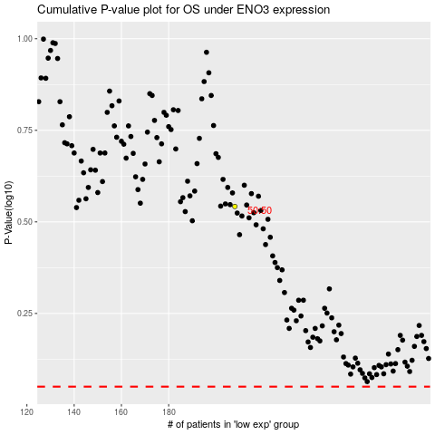

 |  |  |  |  |  | cases_OS | p_OS | rank | exp
 |  |  |  |  |  |  | cases_RFS | p_RFS | rank | exp

