ENOSF1 _multivariate
Reported by Tex Li-Hsing Chi. tex@gate.sinica.edu.tw 2019-08-20

Table 2. The clinicopathological features of HNSCC cohort and ENOSF1 expression. (Chi square test)
Cutoff at -0.234 (49.8%)
 |  | ENOSF1 expression |  | ENOSF1 expression |  | (Optimised)
 | Features | Low | (%) | High | (%) | Case no | P-value | Remark | Matthews
Gender | Female | 142 | 34.2 | 164 | 39.5 | 415 | 0.0238 | 1 | 0
2 | Male | 65 | 15.7 | 44 | 10.6
Age at diagnosis | <=65y | 130 | 31.3 | 144 | 34.7 | 415 | 0.2009 | 0 | 0
4 | >65y | 77 | 18.6 | 64 | 15.4
Clinical T Status | T1+T2 | 69 | 16.6 | 80 | 19.3 | 415 | 0.3239 | 0 | 0
6 | T3+T4 | 138 | 33.3 | 128 | 30.8
Clinical N Status | N0 | 103 | 24.8 | 113 | 27.2 | 415 | 0.4047 | 0 | 0
8 | N1-3 | 104 | 25.1 | 95 | 22.9
Clinical M Status | M0 | 207 | 49.9 | 205 | 49.4 | 415 | 0.2482 | 0 | 0
10 | M1 | 0 | 0 | 3 | 0.7
Clinical Stage | Stage I+II | 48 | 11.6 | 54 | 13 | 415 | 0.5878 | 0 | 0
12 | Stage III+IV | 159 | 38.3 | 154 | 37.1
Surgical Margin status | Negative | 163 | 39.3 | 155 | 37.3 | 415 | 0.3537 | 0 | 0
14 | Positive | 44 | 10.6 | 53 | 12.8
Tobacco Exposure | Low | 80 | 19.3 | 81 | 19.5 | 415 | 1 | 0 | 0
16 | High | 127 | 30.6 | 127 | 30.6

Table 3. Univariate/Multivariate Cox's proportional hazards regression analyses on OS time of ENOSF1 gene expression in HNSCC

 |  | Univariate |  |  |  | Multivariate
 | Features | HR | CI95%(L) | CI95%(H) | P-value | HR | CI95%(L) | CI95%(H) | P-value
1 | Female | 1 |  |  |  | 1
Gender | Male | 1.157 | 0.843 | 1.587 | 0.367 | 1.221 | 0.872 | 1.709 | 0.245
11 | <=65y | 1 |  |  |  | 1
Age at diagnosis | >65y | 1.329 | 0.99 | 1.784 | 0.058 | 1.391 | 1.023 | 1.891 | 0.035
12 | T1+T2 | 1 |  |  |  | 1
Clinical T Status | T3+T4 | 1.409 | 1.028 | 1.931 | 0.033 | 2.247 | 1.187 | 4.253 | 0.013
13 | N0 | 1 |  |  |  | 1
Clinical N Status | N1-3 | 1.185 | 0.89 | 1.577 | 0.246 | 1.264 | 0.885 | 1.806 | 0.198
14 | M0 | 1 |  |  |  | 1
Clinical M Status | M1 | 4.097 | 1.009 | 16.644 | 0.049 | 8.753 | 1.9 | 40.33 | 0.005
15 | Stage I+II | 1 |  |  |  | 1
Clinical Stage | Stage III+IV | 1.245 | 0.882 | 1.759 | 0.213 | 0.496 | 0.231 | 1.066 | 0.072
16 | Negative | 1 |  |  |  | 1
Surgical Margin status | Positive | 1.591 | 1.155 | 2.191 | 0.004 | 1.645 | 1.189 | 2.277 | 0.003
17 | Low | 1 |  |  |  | 1
Tobacco Exposure | High | 1.364 | 1.008 | 1.844 | 0.044 | 1.451 | 1.053 | 1.998 | 0.023
18 | Low | 1 |  |  |  | 1
RNAseq(z-score) | High | 1.169 | 0.876 | 1.558 | 0.288 | 1.178 | 0.878 | 1.579 | 0.275

Table 4. Univariate/Multivariate Cox's proportional hazards regression analyses on RFS time of ENOSF1 gene expression in HNSCC

 |  | Univariate |  |  |  | Multivariate
 | Features | HR | CI95%(L) | CI95%(H) | P-value | HR | CI95%(L) | CI95%(H) | P-value
1 | Female | 1 |  |  |  | 1
Gender | Male | 1.157 | 0.843 | 1.587 | 0.367 | 1.221 | 0.872 | 1.709 | 0.245
11 | <=65y | 1 |  |  |  | 1
Age at diagnosis | >65y | 1.329 | 0.99 | 1.784 | 0.058 | 1.391 | 1.023 | 1.891 | 0.035
12 | T1+T2 | 1 |  |  |  | 1
Clinical T Status | T3+T4 | 1.409 | 1.028 | 1.931 | 0.033 | 2.247 | 1.187 | 4.253 | 0.013
13 | N0 | 1 |  |  |  | 1
Clinical N Status | N1-3 | 1.185 | 0.89 | 1.577 | 0.246 | 1.264 | 0.885 | 1.806 | 0.198
14 | M0 | 1 |  |  |  | 1
Clinical M Status | M1 | 4.097 | 1.009 | 16.644 | 0.049 | 8.753 | 1.9 | 40.33 | 0.005
15 | Stage I+II | 1 |  |  |  | 1
Clinical Stage | Stage III+IV | 1.245 | 0.882 | 1.759 | 0.213 | 0.496 | 0.231 | 1.066 | 0.072
16 | Negative | 1 |  |  |  | 1
Surgical Margin status | Positive | 1.591 | 1.155 | 2.191 | 0.004 | 1.645 | 1.189 | 2.277 | 0.003
17 | Low | 1 |  |  |  | 1
Tobacco Exposure | High | 1.364 | 1.008 | 1.844 | 0.044 | 1.451 | 1.053 | 1.998 | 0.023
18 | Low | 1 |  |  |  | 1
RNAseq(z-score) | High | 1.169 | 0.876 | 1.558 | 0.288 | 1.178 | 0.878 | 1.579 | 0.275

Kaplan-Meier survival estimate: Cutoff at -0.234 (49.8%)



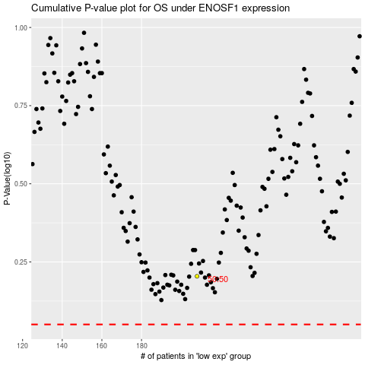

 |  |  |  |  |  | cases_OS | p_OS | rank | exp
 |  |  |  |  |  |  | cases_RFS | p_RFS | rank | exp

