ENOX2 _multivariate
Reported by Tex Li-Hsing Chi. tex@gate.sinica.edu.tw 2019-08-20

Table 2. The clinicopathological features of HNSCC cohort and ENOX2 expression. (Chi square test)
Cutoff at -0.084 (49.8%)
 |  | ENOX2 expression |  | ENOX2 expression |  | (Optimised)
 | Features | Low | (%) | High | (%) | Case no | P-value | Remark | Matthews
Gender | Female | 148 | 35.7 | 158 | 38.1 | 415 | 0.3567 | 0 | 0
2 | Male | 59 | 14.2 | 50 | 12
Age at diagnosis | <=65y | 130 | 31.3 | 144 | 34.7 | 415 | 0.2009 | 0 | 0
4 | >65y | 77 | 18.6 | 64 | 15.4
Clinical T Status | T1+T2 | 67 | 16.1 | 82 | 19.8 | 415 | 0.1628 | 0 | 0
6 | T3+T4 | 140 | 33.7 | 126 | 30.4
Clinical N Status | N0 | 105 | 25.3 | 111 | 26.7 | 415 | 0.6598 | 0 | 0
8 | N1-3 | 102 | 24.6 | 97 | 23.4
Clinical M Status | M0 | 206 | 49.6 | 206 | 49.6 | 415 | 1 | 0 | 0
10 | M1 | 1 | 0.2 | 2 | 0.5
Clinical Stage | Stage I+II | 47 | 11.3 | 55 | 13.3 | 415 | 0.4413 | 0 | 0
12 | Stage III+IV | 160 | 38.6 | 153 | 36.9
Surgical Margin status | Negative | 156 | 37.6 | 162 | 39 | 415 | 0.5636 | 0 | 0
14 | Positive | 51 | 12.3 | 46 | 11.1
Tobacco Exposure | Low | 87 | 21 | 74 | 17.8 | 415 | 0.1911 | 0 | 0
16 | High | 120 | 28.9 | 134 | 32.3

Table 3. Univariate/Multivariate Cox's proportional hazards regression analyses on OS time of ENOX2 gene expression in HNSCC

 |  | Univariate |  |  |  | Multivariate
 | Features | HR | CI95%(L) | CI95%(H) | P-value | HR | CI95%(L) | CI95%(H) | P-value
1 | Female | 1 |  |  |  | 1
Gender | Male | 1.157 | 0.843 | 1.587 | 0.367 | 1.22 | 0.873 | 1.705 | 0.244
11 | <=65y | 1 |  |  |  | 1
Age at diagnosis | >65y | 1.329 | 0.99 | 1.784 | 0.058 | 1.409 | 1.035 | 1.918 | 0.029
12 | T1+T2 | 1 |  |  |  | 1
Clinical T Status | T3+T4 | 1.409 | 1.028 | 1.931 | 0.033 | 2.286 | 1.205 | 4.335 | 0.011
13 | N0 | 1 |  |  |  | 1
Clinical N Status | N1-3 | 1.185 | 0.89 | 1.577 | 0.246 | 1.262 | 0.883 | 1.804 | 0.201
14 | M0 | 1 |  |  |  | 1
Clinical M Status | M1 | 4.097 | 1.009 | 16.644 | 0.049 | 9.229 | 2.012 | 42.332 | 0.004
15 | Stage I+II | 1 |  |  |  | 1
Clinical Stage | Stage III+IV | 1.245 | 0.882 | 1.759 | 0.213 | 0.481 | 0.223 | 1.037 | 0.062
16 | Negative | 1 |  |  |  | 1
Surgical Margin status | Positive | 1.591 | 1.155 | 2.191 | 0.004 | 1.706 | 1.232 | 2.362 | 0.001
17 | Low | 1 |  |  |  | 1
Tobacco Exposure | High | 1.364 | 1.008 | 1.844 | 0.044 | 1.45 | 1.052 | 1.997 | 0.023
18 | Low | 1 |  |  |  | 1
RNAseq(z-score) | High | 1.116 | 0.837 | 1.487 | 0.454 | 1.204 | 0.899 | 1.613 | 0.212

Table 4. Univariate/Multivariate Cox's proportional hazards regression analyses on RFS time of ENOX2 gene expression in HNSCC

 |  | Univariate |  |  |  | Multivariate
 | Features | HR | CI95%(L) | CI95%(H) | P-value | HR | CI95%(L) | CI95%(H) | P-value
1 | Female | 1 |  |  |  | 1
Gender | Male | 1.157 | 0.843 | 1.587 | 0.367 | 1.22 | 0.873 | 1.705 | 0.244
11 | <=65y | 1 |  |  |  | 1
Age at diagnosis | >65y | 1.329 | 0.99 | 1.784 | 0.058 | 1.409 | 1.035 | 1.918 | 0.029
12 | T1+T2 | 1 |  |  |  | 1
Clinical T Status | T3+T4 | 1.409 | 1.028 | 1.931 | 0.033 | 2.286 | 1.205 | 4.335 | 0.011
13 | N0 | 1 |  |  |  | 1
Clinical N Status | N1-3 | 1.185 | 0.89 | 1.577 | 0.246 | 1.262 | 0.883 | 1.804 | 0.201
14 | M0 | 1 |  |  |  | 1
Clinical M Status | M1 | 4.097 | 1.009 | 16.644 | 0.049 | 9.229 | 2.012 | 42.332 | 0.004
15 | Stage I+II | 1 |  |  |  | 1
Clinical Stage | Stage III+IV | 1.245 | 0.882 | 1.759 | 0.213 | 0.481 | 0.223 | 1.037 | 0.062
16 | Negative | 1 |  |  |  | 1
Surgical Margin status | Positive | 1.591 | 1.155 | 2.191 | 0.004 | 1.706 | 1.232 | 2.362 | 0.001
17 | Low | 1 |  |  |  | 1
Tobacco Exposure | High | 1.364 | 1.008 | 1.844 | 0.044 | 1.45 | 1.052 | 1.997 | 0.023
18 | Low | 1 |  |  |  | 1
RNAseq(z-score) | High | 1.116 | 0.837 | 1.487 | 0.454 | 1.204 | 0.899 | 1.613 | 0.212

Kaplan-Meier survival estimate: Cutoff at -0.084 (49.8%)



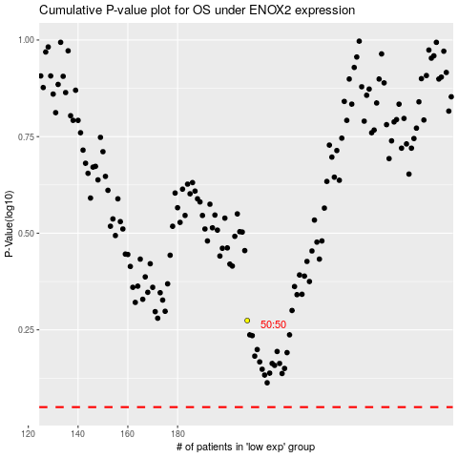

 |  |  |  |  |  | cases_OS | p_OS | rank | exp
 |  |  |  |  |  |  | cases_RFS | p_RFS | rank | exp

