ENPP4 _multivariate
Reported by Tex Li-Hsing Chi. tex@gate.sinica.edu.tw 2019-08-20

Table 2. The clinicopathological features of HNSCC cohort and ENPP4 expression. (Chi square test)
Cutoff at -0.36 (50.0%)
 |  | ENPP4 expression |  | ENPP4 expression |  | (Optimised)
 | Features | Low | (%) | High | (%) | Case no | P-value | Remark | Matthews
Gender | Female | 155 | 37.3 | 151 | 36.4 | 415 | 0.6768 | 0 | 0
2 | Male | 52 | 12.5 | 57 | 13.7
Age at diagnosis | <=65y | 130 | 31.3 | 144 | 34.7 | 415 | 0.2009 | 0 | 0
4 | >65y | 77 | 18.6 | 64 | 15.4
Clinical T Status | T1+T2 | 66 | 15.9 | 83 | 20 | 415 | 0.1095 | 0 | 0
6 | T3+T4 | 141 | 34 | 125 | 30.1
Clinical N Status | N0 | 116 | 28 | 100 | 24.1 | 415 | 0.1273 | 1 | 0
8 | N1-3 | 91 | 21.9 | 108 | 26
Clinical M Status | M0 | 204 | 49.2 | 208 | 50.1 | 415 | 0.1232 | 0 | 0
10 | M1 | 3 | 0.7 | 0 | 0
Clinical Stage | Stage I+II | 46 | 11.1 | 56 | 13.5 | 415 | 0.3182 | 0 | 0
12 | Stage III+IV | 161 | 38.8 | 152 | 36.6
Surgical Margin status | Negative | 157 | 37.8 | 161 | 38.8 | 415 | 0.729 | 0 | 0
14 | Positive | 50 | 12 | 47 | 11.3
Tobacco Exposure | Low | 87 | 21 | 74 | 17.8 | 415 | 0.1911 | 0 | 0
16 | High | 120 | 28.9 | 134 | 32.3

Table 3. Univariate/Multivariate Cox's proportional hazards regression analyses on OS time of ENPP4 gene expression in HNSCC

 |  | Univariate |  |  |  | Multivariate
 | Features | HR | CI95%(L) | CI95%(H) | P-value | HR | CI95%(L) | CI95%(H) | P-value
1 | Female | 1 |  |  |  | 1
Gender | Male | 1.157 | 0.843 | 1.587 | 0.367 | 1.204 | 0.862 | 1.684 | 0.276
11 | <=65y | 1 |  |  |  | 1
Age at diagnosis | >65y | 1.329 | 0.99 | 1.784 | 0.058 | 1.385 | 1.017 | 1.887 | 0.039
12 | T1+T2 | 1 |  |  |  | 1
Clinical T Status | T3+T4 | 1.409 | 1.028 | 1.931 | 0.033 | 2.193 | 1.159 | 4.151 | 0.016
13 | N0 | 1 |  |  |  | 1
Clinical N Status | N1-3 | 1.185 | 0.89 | 1.577 | 0.246 | 1.247 | 0.872 | 1.782 | 0.227
14 | M0 | 1 |  |  |  | 1
Clinical M Status | M1 | 4.097 | 1.009 | 16.644 | 0.049 | 9.193 | 1.984 | 42.595 | 0.005
15 | Stage I+II | 1 |  |  |  | 1
Clinical Stage | Stage III+IV | 1.245 | 0.882 | 1.759 | 0.213 | 0.504 | 0.235 | 1.082 | 0.079
16 | Negative | 1 |  |  |  | 1
Surgical Margin status | Positive | 1.591 | 1.155 | 2.191 | 0.004 | 1.668 | 1.207 | 2.306 | 0.002
17 | Low | 1 |  |  |  | 1
Tobacco Exposure | High | 1.364 | 1.008 | 1.844 | 0.044 | 1.458 | 1.057 | 2.011 | 0.022
18 | Low | 1 |  |  |  | 1
RNAseq(z-score) | High | 0.914 | 0.686 | 1.217 | 0.539 | 0.963 | 0.717 | 1.295 | 0.805

Table 4. Univariate/Multivariate Cox's proportional hazards regression analyses on RFS time of ENPP4 gene expression in HNSCC

 |  | Univariate |  |  |  | Multivariate
 | Features | HR | CI95%(L) | CI95%(H) | P-value | HR | CI95%(L) | CI95%(H) | P-value
1 | Female | 1 |  |  |  | 1
Gender | Male | 1.157 | 0.843 | 1.587 | 0.367 | 1.204 | 0.862 | 1.684 | 0.276
11 | <=65y | 1 |  |  |  | 1
Age at diagnosis | >65y | 1.329 | 0.99 | 1.784 | 0.058 | 1.385 | 1.017 | 1.887 | 0.039
12 | T1+T2 | 1 |  |  |  | 1
Clinical T Status | T3+T4 | 1.409 | 1.028 | 1.931 | 0.033 | 2.193 | 1.159 | 4.151 | 0.016
13 | N0 | 1 |  |  |  | 1
Clinical N Status | N1-3 | 1.185 | 0.89 | 1.577 | 0.246 | 1.247 | 0.872 | 1.782 | 0.227
14 | M0 | 1 |  |  |  | 1
Clinical M Status | M1 | 4.097 | 1.009 | 16.644 | 0.049 | 9.193 | 1.984 | 42.595 | 0.005
15 | Stage I+II | 1 |  |  |  | 1
Clinical Stage | Stage III+IV | 1.245 | 0.882 | 1.759 | 0.213 | 0.504 | 0.235 | 1.082 | 0.079
16 | Negative | 1 |  |  |  | 1
Surgical Margin status | Positive | 1.591 | 1.155 | 2.191 | 0.004 | 1.668 | 1.207 | 2.306 | 0.002
17 | Low | 1 |  |  |  | 1
Tobacco Exposure | High | 1.364 | 1.008 | 1.844 | 0.044 | 1.458 | 1.057 | 2.011 | 0.022
18 | Low | 1 |  |  |  | 1
RNAseq(z-score) | High | 0.914 | 0.686 | 1.217 | 0.539 | 0.963 | 0.717 | 1.295 | 0.805

Kaplan-Meier survival estimate: Cutoff at -0.36 (50.0%)



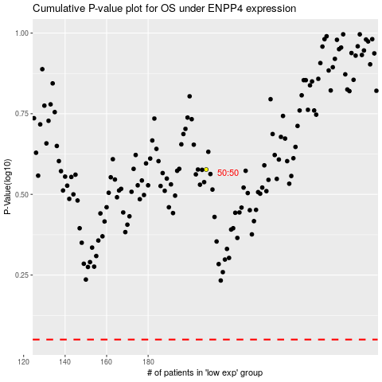

 |  |  |  |  |  | cases_OS | p_OS | rank | exp
 |  |  |  |  |  |  | cases_RFS | p_RFS | rank | exp

