ENSA _multivariate
Reported by Tex Li-Hsing Chi. tex@gate.sinica.edu.tw 2019-08-20

Table 2. The clinicopathological features of HNSCC cohort and ENSA expression. (Chi square test)
Cutoff at -0.317 (50.0%)
 |  | ENSA expression |  | ENSA expression |  | (Optimised)
 | Features | Low | (%) | High | (%) | Case no | P-value | Remark | Matthews
Gender | Female | 158 | 38.1 | 148 | 35.7 | 415 | 0.2774 | 0 | 0
2 | Male | 49 | 11.8 | 60 | 14.5
Age at diagnosis | <=65y | 137 | 33 | 137 | 33 | 415 | 1 | 0 | 0
4 | >65y | 70 | 16.9 | 71 | 17.1
Clinical T Status | T1+T2 | 77 | 18.6 | 72 | 17.3 | 415 | 0.6556 | 0 | 0
6 | T3+T4 | 130 | 31.3 | 136 | 32.8
Clinical N Status | N0 | 102 | 24.6 | 114 | 27.5 | 415 | 0.3031 | 0 | 0
8 | N1-3 | 105 | 25.3 | 94 | 22.7
Clinical M Status | M0 | 206 | 49.6 | 206 | 49.6 | 415 | 1 | 0 | 0
10 | M1 | 1 | 0.2 | 2 | 0.5
Clinical Stage | Stage I+II | 57 | 13.7 | 45 | 10.8 | 415 | 0.1998 | 0 | 0
12 | Stage III+IV | 150 | 36.1 | 163 | 39.3
Surgical Margin status | Negative | 168 | 40.5 | 150 | 36.1 | 415 | 0.0366 | 1 | 0
14 | Positive | 39 | 9.4 | 58 | 14
Tobacco Exposure | Low | 78 | 18.8 | 83 | 20 | 415 | 0.6873 | 0 | 0
16 | High | 129 | 31.1 | 125 | 30.1

Table 3. Univariate/Multivariate Cox's proportional hazards regression analyses on OS time of ENSA gene expression in HNSCC

 |  | Univariate |  |  |  | Multivariate
 | Features | HR | CI95%(L) | CI95%(H) | P-value | HR | CI95%(L) | CI95%(H) | P-value
1 | Female | 1 |  |  |  | 1
Gender | Male | 1.157 | 0.843 | 1.587 | 0.367 | 1.241 | 0.883 | 1.743 | 0.214
11 | <=65y | 1 |  |  |  | 1
Age at diagnosis | >65y | 1.329 | 0.99 | 1.784 | 0.058 | 1.38 | 1.015 | 1.877 | 0.04
12 | T1+T2 | 1 |  |  |  | 1
Clinical T Status | T3+T4 | 1.409 | 1.028 | 1.931 | 0.033 | 2.169 | 1.147 | 4.102 | 0.017
13 | N0 | 1 |  |  |  | 1
Clinical N Status | N1-3 | 1.185 | 0.89 | 1.577 | 0.246 | 1.203 | 0.839 | 1.724 | 0.314
14 | M0 | 1 |  |  |  | 1
Clinical M Status | M1 | 4.097 | 1.009 | 16.644 | 0.049 | 9.905 | 2.154 | 45.535 | 0.003
15 | Stage I+II | 1 |  |  |  | 1
Clinical Stage | Stage III+IV | 1.245 | 0.882 | 1.759 | 0.213 | 0.532 | 0.246 | 1.15 | 0.109
16 | Negative | 1 |  |  |  | 1
Surgical Margin status | Positive | 1.591 | 1.155 | 2.191 | 0.004 | 1.728 | 1.243 | 2.401 | 0.001
17 | Low | 1 |  |  |  | 1
Tobacco Exposure | High | 1.364 | 1.008 | 1.844 | 0.044 | 1.465 | 1.063 | 2.02 | 0.02
18 | Low | 1 |  |  |  | 1
RNAseq(z-score) | High | 0.945 | 0.71 | 1.258 | 0.699 | 0.849 | 0.628 | 1.147 | 0.286

Table 4. Univariate/Multivariate Cox's proportional hazards regression analyses on RFS time of ENSA gene expression in HNSCC

 |  | Univariate |  |  |  | Multivariate
 | Features | HR | CI95%(L) | CI95%(H) | P-value | HR | CI95%(L) | CI95%(H) | P-value
1 | Female | 1 |  |  |  | 1
Gender | Male | 1.157 | 0.843 | 1.587 | 0.367 | 1.241 | 0.883 | 1.743 | 0.214
11 | <=65y | 1 |  |  |  | 1
Age at diagnosis | >65y | 1.329 | 0.99 | 1.784 | 0.058 | 1.38 | 1.015 | 1.877 | 0.04
12 | T1+T2 | 1 |  |  |  | 1
Clinical T Status | T3+T4 | 1.409 | 1.028 | 1.931 | 0.033 | 2.169 | 1.147 | 4.102 | 0.017
13 | N0 | 1 |  |  |  | 1
Clinical N Status | N1-3 | 1.185 | 0.89 | 1.577 | 0.246 | 1.203 | 0.839 | 1.724 | 0.314
14 | M0 | 1 |  |  |  | 1
Clinical M Status | M1 | 4.097 | 1.009 | 16.644 | 0.049 | 9.905 | 2.154 | 45.535 | 0.003
15 | Stage I+II | 1 |  |  |  | 1
Clinical Stage | Stage III+IV | 1.245 | 0.882 | 1.759 | 0.213 | 0.532 | 0.246 | 1.15 | 0.109
16 | Negative | 1 |  |  |  | 1
Surgical Margin status | Positive | 1.591 | 1.155 | 2.191 | 0.004 | 1.728 | 1.243 | 2.401 | 0.001
17 | Low | 1 |  |  |  | 1
Tobacco Exposure | High | 1.364 | 1.008 | 1.844 | 0.044 | 1.465 | 1.063 | 2.02 | 0.02
18 | Low | 1 |  |  |  | 1
RNAseq(z-score) | High | 0.945 | 0.71 | 1.258 | 0.699 | 0.849 | 0.628 | 1.147 | 0.286

Kaplan-Meier survival estimate: Cutoff at -0.317 (50.0%)



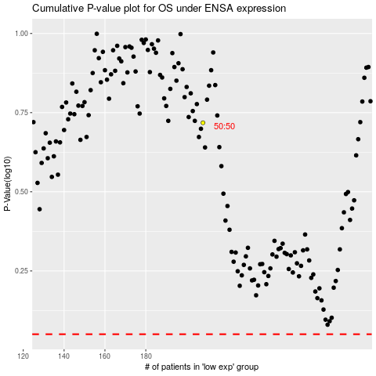

 |  |  |  |  |  | cases_OS | p_OS | rank | exp
 |  |  |  |  |  |  | cases_RFS | p_RFS | rank | exp

