ENTPD3 _multivariate
Reported by Tex Li-Hsing Chi. tex@gate.sinica.edu.tw 2019-08-20

Table 2. The clinicopathological features of HNSCC cohort and ENTPD3 expression. (Chi square test)
Cutoff at -0.316 (50.0%)
 |  | ENTPD3 expression |  | ENTPD3 expression |  | (Optimised)
 | Features | Low | (%) | High | (%) | Case no | P-value | Remark | Matthews
Gender | Female | 160 | 38.6 | 146 | 35.2 | 415 | 0.1254 | 0 | 0
2 | Male | 47 | 11.3 | 62 | 14.9
Age at diagnosis | <=65y | 144 | 34.7 | 130 | 31.3 | 415 | 0.1568 | 0 | 0
4 | >65y | 63 | 15.2 | 78 | 18.8
Clinical T Status | T1+T2 | 78 | 18.8 | 71 | 17.1 | 415 | 0.5152 | 0 | 0
6 | T3+T4 | 129 | 31.1 | 137 | 33
Clinical N Status | N0 | 102 | 24.6 | 114 | 27.5 | 415 | 0.3031 | 0 | 0
8 | N1-3 | 105 | 25.3 | 94 | 22.7
Clinical M Status | M0 | 205 | 49.4 | 207 | 49.9 | 415 | 0.6232 | 0 | 0
10 | M1 | 2 | 0.5 | 1 | 0.2
Clinical Stage | Stage I+II | 53 | 12.8 | 49 | 11.8 | 415 | 0.7113 | 0 | 0
12 | Stage III+IV | 154 | 37.1 | 159 | 38.3
Surgical Margin status | Negative | 163 | 39.3 | 155 | 37.3 | 415 | 0.3537 | 0 | 0
14 | Positive | 44 | 10.6 | 53 | 12.8
Tobacco Exposure | Low | 73 | 17.6 | 88 | 21.2 | 415 | 0.1587 | 0 | 0
16 | High | 134 | 32.3 | 120 | 28.9

Table 3. Univariate/Multivariate Cox's proportional hazards regression analyses on OS time of ENTPD3 gene expression in HNSCC

 |  | Univariate |  |  |  | Multivariate
 | Features | HR | CI95%(L) | CI95%(H) | P-value | HR | CI95%(L) | CI95%(H) | P-value
1 | Female | 1 |  |  |  | 1
Gender | Male | 1.157 | 0.843 | 1.587 | 0.367 | 1.22 | 0.872 | 1.706 | 0.246
11 | <=65y | 1 |  |  |  | 1
Age at diagnosis | >65y | 1.329 | 0.99 | 1.784 | 0.058 | 1.394 | 1.025 | 1.897 | 0.035
12 | T1+T2 | 1 |  |  |  | 1
Clinical T Status | T3+T4 | 1.409 | 1.028 | 1.931 | 0.033 | 2.217 | 1.173 | 4.191 | 0.014
13 | N0 | 1 |  |  |  | 1
Clinical N Status | N1-3 | 1.185 | 0.89 | 1.577 | 0.246 | 1.212 | 0.847 | 1.733 | 0.293
14 | M0 | 1 |  |  |  | 1
Clinical M Status | M1 | 4.097 | 1.009 | 16.644 | 0.049 | 9.394 | 2.049 | 43.07 | 0.004
15 | Stage I+II | 1 |  |  |  | 1
Clinical Stage | Stage III+IV | 1.245 | 0.882 | 1.759 | 0.213 | 0.508 | 0.236 | 1.091 | 0.082
16 | Negative | 1 |  |  |  | 1
Surgical Margin status | Positive | 1.591 | 1.155 | 2.191 | 0.004 | 1.691 | 1.223 | 2.338 | 0.001
17 | Low | 1 |  |  |  | 1
Tobacco Exposure | High | 1.364 | 1.008 | 1.844 | 0.044 | 1.451 | 1.052 | 2.003 | 0.023
18 | Low | 1 |  |  |  | 1
RNAseq(z-score) | High | 0.859 | 0.644 | 1.145 | 0.299 | 0.837 | 0.626 | 1.121 | 0.232

Table 4. Univariate/Multivariate Cox's proportional hazards regression analyses on RFS time of ENTPD3 gene expression in HNSCC

 |  | Univariate |  |  |  | Multivariate
 | Features | HR | CI95%(L) | CI95%(H) | P-value | HR | CI95%(L) | CI95%(H) | P-value
1 | Female | 1 |  |  |  | 1
Gender | Male | 1.157 | 0.843 | 1.587 | 0.367 | 1.22 | 0.872 | 1.706 | 0.246
11 | <=65y | 1 |  |  |  | 1
Age at diagnosis | >65y | 1.329 | 0.99 | 1.784 | 0.058 | 1.394 | 1.025 | 1.897 | 0.035
12 | T1+T2 | 1 |  |  |  | 1
Clinical T Status | T3+T4 | 1.409 | 1.028 | 1.931 | 0.033 | 2.217 | 1.173 | 4.191 | 0.014
13 | N0 | 1 |  |  |  | 1
Clinical N Status | N1-3 | 1.185 | 0.89 | 1.577 | 0.246 | 1.212 | 0.847 | 1.733 | 0.293
14 | M0 | 1 |  |  |  | 1
Clinical M Status | M1 | 4.097 | 1.009 | 16.644 | 0.049 | 9.394 | 2.049 | 43.07 | 0.004
15 | Stage I+II | 1 |  |  |  | 1
Clinical Stage | Stage III+IV | 1.245 | 0.882 | 1.759 | 0.213 | 0.508 | 0.236 | 1.091 | 0.082
16 | Negative | 1 |  |  |  | 1
Surgical Margin status | Positive | 1.591 | 1.155 | 2.191 | 0.004 | 1.691 | 1.223 | 2.338 | 0.001
17 | Low | 1 |  |  |  | 1
Tobacco Exposure | High | 1.364 | 1.008 | 1.844 | 0.044 | 1.451 | 1.052 | 2.003 | 0.023
18 | Low | 1 |  |  |  | 1
RNAseq(z-score) | High | 0.859 | 0.644 | 1.145 | 0.299 | 0.837 | 0.626 | 1.121 | 0.232

Kaplan-Meier survival estimate: Cutoff at -0.316 (50.0%)



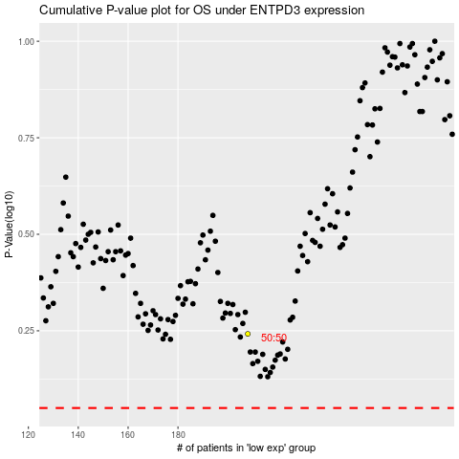

 |  |  |  |  |  | cases_OS | p_OS | rank | exp
 |  |  |  |  |  |  | cases_RFS | p_RFS | rank | exp

