ENTPD6 _multivariate
Reported by Tex Li-Hsing Chi. tex@gate.sinica.edu.tw 2019-08-20

Table 2. The clinicopathological features of HNSCC cohort and ENTPD6 expression. (Chi square test)
Cutoff at -0.176 (49.8%)
 |  | ENTPD6 expression |  | ENTPD6 expression |  | (Optimised)
 | Features | Low | (%) | High | (%) | Case no | P-value | Remark | Matthews
Gender | Female | 154 | 37.1 | 152 | 36.6 | 415 | 0.8463 | 0 | 0
2 | Male | 53 | 12.8 | 56 | 13.5
Age at diagnosis | <=65y | 134 | 32.3 | 140 | 33.7 | 415 | 0.6529 | 0 | 0
4 | >65y | 73 | 17.6 | 68 | 16.4
Clinical T Status | T1+T2 | 81 | 19.5 | 68 | 16.4 | 415 | 0.206 | 0 | 0
6 | T3+T4 | 126 | 30.4 | 140 | 33.7
Clinical N Status | N0 | 114 | 27.5 | 102 | 24.6 | 415 | 0.2576 | 1 | 0
8 | N1-3 | 93 | 22.4 | 106 | 25.5
Clinical M Status | M0 | 207 | 49.9 | 205 | 49.4 | 415 | 0.2482 | 0 | 0
10 | M1 | 0 | 0 | 3 | 0.7
Clinical Stage | Stage I+II | 55 | 13.3 | 47 | 11.3 | 415 | 0.4087 | 0 | 0
12 | Stage III+IV | 152 | 36.6 | 161 | 38.8
Surgical Margin status | Negative | 160 | 38.6 | 158 | 38.1 | 415 | 0.8167 | 0 | 0
14 | Positive | 47 | 11.3 | 50 | 12
Tobacco Exposure | Low | 82 | 19.8 | 79 | 19 | 415 | 0.763 | 0 | 0
16 | High | 125 | 30.1 | 129 | 31.1

Table 3. Univariate/Multivariate Cox's proportional hazards regression analyses on OS time of ENTPD6 gene expression in HNSCC

 |  | Univariate |  |  |  | Multivariate
 | Features | HR | CI95%(L) | CI95%(H) | P-value | HR | CI95%(L) | CI95%(H) | P-value
1 | Female | 1 |  |  |  | 1
Gender | Male | 1.157 | 0.843 | 1.587 | 0.367 | 1.211 | 0.865 | 1.696 | 0.265
11 | <=65y | 1 |  |  |  | 1
Age at diagnosis | >65y | 1.329 | 0.99 | 1.784 | 0.058 | 1.394 | 1.025 | 1.896 | 0.034
12 | T1+T2 | 1 |  |  |  | 1
Clinical T Status | T3+T4 | 1.409 | 1.028 | 1.931 | 0.033 | 2.214 | 1.17 | 4.189 | 0.015
13 | N0 | 1 |  |  |  | 1
Clinical N Status | N1-3 | 1.185 | 0.89 | 1.577 | 0.246 | 1.245 | 0.873 | 1.778 | 0.226
14 | M0 | 1 |  |  |  | 1
Clinical M Status | M1 | 4.097 | 1.009 | 16.644 | 0.049 | 9.724 | 2.1 | 45.035 | 0.004
15 | Stage I+II | 1 |  |  |  | 1
Clinical Stage | Stage III+IV | 1.245 | 0.882 | 1.759 | 0.213 | 0.503 | 0.234 | 1.08 | 0.078
16 | Negative | 1 |  |  |  | 1
Surgical Margin status | Positive | 1.591 | 1.155 | 2.191 | 0.004 | 1.672 | 1.21 | 2.311 | 0.002
17 | Low | 1 |  |  |  | 1
Tobacco Exposure | High | 1.364 | 1.008 | 1.844 | 0.044 | 1.461 | 1.059 | 2.015 | 0.021
18 | Low | 1 |  |  |  | 1
RNAseq(z-score) | High | 1.056 | 0.793 | 1.407 | 0.709 | 0.946 | 0.706 | 1.269 | 0.712

Table 4. Univariate/Multivariate Cox's proportional hazards regression analyses on RFS time of ENTPD6 gene expression in HNSCC

 |  | Univariate |  |  |  | Multivariate
 | Features | HR | CI95%(L) | CI95%(H) | P-value | HR | CI95%(L) | CI95%(H) | P-value
1 | Female | 1 |  |  |  | 1
Gender | Male | 1.157 | 0.843 | 1.587 | 0.367 | 1.211 | 0.865 | 1.696 | 0.265
11 | <=65y | 1 |  |  |  | 1
Age at diagnosis | >65y | 1.329 | 0.99 | 1.784 | 0.058 | 1.394 | 1.025 | 1.896 | 0.034
12 | T1+T2 | 1 |  |  |  | 1
Clinical T Status | T3+T4 | 1.409 | 1.028 | 1.931 | 0.033 | 2.214 | 1.17 | 4.189 | 0.015
13 | N0 | 1 |  |  |  | 1
Clinical N Status | N1-3 | 1.185 | 0.89 | 1.577 | 0.246 | 1.245 | 0.873 | 1.778 | 0.226
14 | M0 | 1 |  |  |  | 1
Clinical M Status | M1 | 4.097 | 1.009 | 16.644 | 0.049 | 9.724 | 2.1 | 45.035 | 0.004
15 | Stage I+II | 1 |  |  |  | 1
Clinical Stage | Stage III+IV | 1.245 | 0.882 | 1.759 | 0.213 | 0.503 | 0.234 | 1.08 | 0.078
16 | Negative | 1 |  |  |  | 1
Surgical Margin status | Positive | 1.591 | 1.155 | 2.191 | 0.004 | 1.672 | 1.21 | 2.311 | 0.002
17 | Low | 1 |  |  |  | 1
Tobacco Exposure | High | 1.364 | 1.008 | 1.844 | 0.044 | 1.461 | 1.059 | 2.015 | 0.021
18 | Low | 1 |  |  |  | 1
RNAseq(z-score) | High | 1.056 | 0.793 | 1.407 | 0.709 | 0.946 | 0.706 | 1.269 | 0.712

Kaplan-Meier survival estimate: Cutoff at -0.176 (49.8%)



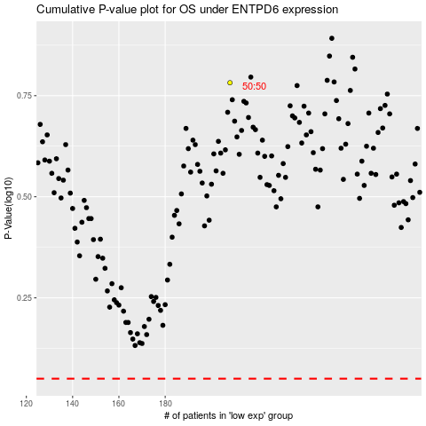

 |  |  |  |  |  | cases_OS | p_OS | rank | exp
 |  |  |  |  |  |  | cases_RFS | p_RFS | rank | exp

