ENTPD8 _multivariate
Reported by Tex Li-Hsing Chi. tex@gate.sinica.edu.tw 2019-08-20

Table 2. The clinicopathological features of HNSCC cohort and ENTPD8 expression. (Chi square test)
Cutoff at -0.263 (50.0%)
 |  | ENTPD8 expression |  | ENTPD8 expression |  | (Optimised)
 | Features | Low | (%) | High | (%) | Case no | P-value | Remark | Matthews
Gender | Female | 140 | 33.7 | 166 | 40 | 415 | 0.0068 | 1 | 0
2 | Male | 67 | 16.1 | 42 | 10.1
Age at diagnosis | <=65y | 131 | 31.6 | 143 | 34.5 | 415 | 0.2839 | 0 | 0
4 | >65y | 76 | 18.3 | 65 | 15.7
Clinical T Status | T1+T2 | 84 | 20.2 | 65 | 15.7 | 415 | 0.0603 | 0 | 0
6 | T3+T4 | 123 | 29.6 | 143 | 34.5
Clinical N Status | N0 | 99 | 23.9 | 117 | 28.2 | 415 | 0.1054 | 0 | 0
8 | N1-3 | 108 | 26 | 91 | 21.9
Clinical M Status | M0 | 205 | 49.4 | 207 | 49.9 | 415 | 0.6232 | 0 | 0
10 | M1 | 2 | 0.5 | 1 | 0.2
Clinical Stage | Stage I+II | 57 | 13.7 | 45 | 10.8 | 415 | 0.1998 | 0 | 0
12 | Stage III+IV | 150 | 36.1 | 163 | 39.3
Surgical Margin status | Negative | 165 | 39.8 | 153 | 36.9 | 415 | 0.1639 | 0 | 0
14 | Positive | 42 | 10.1 | 55 | 13.3
Tobacco Exposure | Low | 103 | 24.8 | 58 | 14 | 415 | 0 | 1 | 0
16 | High | 104 | 25.1 | 150 | 36.1

Table 3. Univariate/Multivariate Cox's proportional hazards regression analyses on OS time of ENTPD8 gene expression in HNSCC

 |  | Univariate |  |  |  | Multivariate
 | Features | HR | CI95%(L) | CI95%(H) | P-value | HR | CI95%(L) | CI95%(H) | P-value
1 | Female | 1 |  |  |  | 1
Gender | Male | 1.157 | 0.843 | 1.587 | 0.367 | 1.186 | 0.847 | 1.66 | 0.321
11 | <=65y | 1 |  |  |  | 1
Age at diagnosis | >65y | 1.329 | 0.99 | 1.784 | 0.058 | 1.399 | 1.029 | 1.902 | 0.032
12 | T1+T2 | 1 |  |  |  | 1
Clinical T Status | T3+T4 | 1.409 | 1.028 | 1.931 | 0.033 | 2.213 | 1.17 | 4.185 | 0.015
13 | N0 | 1 |  |  |  | 1
Clinical N Status | N1-3 | 1.185 | 0.89 | 1.577 | 0.246 | 1.212 | 0.844 | 1.741 | 0.299
14 | M0 | 1 |  |  |  | 1
Clinical M Status | M1 | 4.097 | 1.009 | 16.644 | 0.049 | 9.41 | 2.053 | 43.131 | 0.004
15 | Stage I+II | 1 |  |  |  | 1
Clinical Stage | Stage III+IV | 1.245 | 0.882 | 1.759 | 0.213 | 0.512 | 0.238 | 1.102 | 0.087
16 | Negative | 1 |  |  |  | 1
Surgical Margin status | Positive | 1.591 | 1.155 | 2.191 | 0.004 | 1.687 | 1.22 | 2.334 | 0.002
17 | Low | 1 |  |  |  | 1
Tobacco Exposure | High | 1.364 | 1.008 | 1.844 | 0.044 | 1.497 | 1.074 | 2.087 | 0.017
18 | Low | 1 |  |  |  | 1
RNAseq(z-score) | High | 1.01 | 0.758 | 1.347 | 0.945 | 0.899 | 0.658 | 1.23 | 0.507

Table 4. Univariate/Multivariate Cox's proportional hazards regression analyses on RFS time of ENTPD8 gene expression in HNSCC

 |  | Univariate |  |  |  | Multivariate
 | Features | HR | CI95%(L) | CI95%(H) | P-value | HR | CI95%(L) | CI95%(H) | P-value
1 | Female | 1 |  |  |  | 1
Gender | Male | 1.157 | 0.843 | 1.587 | 0.367 | 1.186 | 0.847 | 1.66 | 0.321
11 | <=65y | 1 |  |  |  | 1
Age at diagnosis | >65y | 1.329 | 0.99 | 1.784 | 0.058 | 1.399 | 1.029 | 1.902 | 0.032
12 | T1+T2 | 1 |  |  |  | 1
Clinical T Status | T3+T4 | 1.409 | 1.028 | 1.931 | 0.033 | 2.213 | 1.17 | 4.185 | 0.015
13 | N0 | 1 |  |  |  | 1
Clinical N Status | N1-3 | 1.185 | 0.89 | 1.577 | 0.246 | 1.212 | 0.844 | 1.741 | 0.299
14 | M0 | 1 |  |  |  | 1
Clinical M Status | M1 | 4.097 | 1.009 | 16.644 | 0.049 | 9.41 | 2.053 | 43.131 | 0.004
15 | Stage I+II | 1 |  |  |  | 1
Clinical Stage | Stage III+IV | 1.245 | 0.882 | 1.759 | 0.213 | 0.512 | 0.238 | 1.102 | 0.087
16 | Negative | 1 |  |  |  | 1
Surgical Margin status | Positive | 1.591 | 1.155 | 2.191 | 0.004 | 1.687 | 1.22 | 2.334 | 0.002
17 | Low | 1 |  |  |  | 1
Tobacco Exposure | High | 1.364 | 1.008 | 1.844 | 0.044 | 1.497 | 1.074 | 2.087 | 0.017
18 | Low | 1 |  |  |  | 1
RNAseq(z-score) | High | 1.01 | 0.758 | 1.347 | 0.945 | 0.899 | 0.658 | 1.23 | 0.507

Kaplan-Meier survival estimate: Cutoff at -0.263 (50.0%)



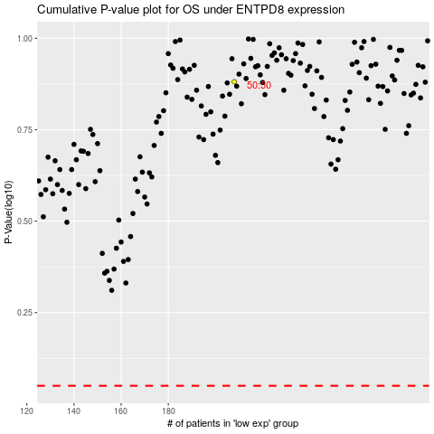

 |  |  |  |  |  | cases_OS | p_OS | rank | exp
 |  |  |  |  |  |  | cases_RFS | p_RFS | rank | exp

