EP300 _multivariate
Reported by Tex Li-Hsing Chi. tex@gate.sinica.edu.tw 2019-08-20

Table 2. The clinicopathological features of HNSCC cohort and EP300 expression. (Chi square test)
Cutoff at -0.026 (49.8%)
 |  | EP300 expression |  | EP300 expression |  | (Optimised)
 | Features | Low | (%) | High | (%) | Case no | P-value | Remark | Matthews
Gender | Female | 153 | 36.9 | 153 | 36.9 | 415 | 1 | 0 | 0
2 | Male | 54 | 13 | 55 | 13.3
Age at diagnosis | <=65y | 136 | 32.8 | 138 | 33.3 | 415 | 0.9719 | 0 | 0
4 | >65y | 71 | 17.1 | 70 | 16.9
Clinical T Status | T1+T2 | 75 | 18.1 | 74 | 17.8 | 415 | 0.9707 | 0 | 0
6 | T3+T4 | 132 | 31.8 | 134 | 32.3
Clinical N Status | N0 | 111 | 26.7 | 105 | 25.3 | 415 | 0.5875 | 0 | 0
8 | N1-3 | 96 | 23.1 | 103 | 24.8
Clinical M Status | M0 | 204 | 49.2 | 208 | 50.1 | 415 | 0.1232 | 0 | 0
10 | M1 | 3 | 0.7 | 0 | 0
Clinical Stage | Stage I+II | 52 | 12.5 | 50 | 12 | 415 | 0.8871 | 0 | 0
12 | Stage III+IV | 155 | 37.3 | 158 | 38.1
Surgical Margin status | Negative | 157 | 37.8 | 161 | 38.8 | 415 | 0.729 | 0 | 0
14 | Positive | 50 | 12 | 47 | 11.3
Tobacco Exposure | Low | 81 | 19.5 | 80 | 19.3 | 415 | 0.9199 | 0 | 0
16 | High | 126 | 30.4 | 128 | 30.8

Table 3. Univariate/Multivariate Cox's proportional hazards regression analyses on OS time of EP300 gene expression in HNSCC

 |  | Univariate |  |  |  | Multivariate
 | Features | HR | CI95%(L) | CI95%(H) | P-value | HR | CI95%(L) | CI95%(H) | P-value
1 | Female | 1 |  |  |  | 1
Gender | Male | 1.157 | 0.843 | 1.587 | 0.367 | 1.214 | 0.868 | 1.697 | 0.257
11 | <=65y | 1 |  |  |  | 1
Age at diagnosis | >65y | 1.329 | 0.99 | 1.784 | 0.058 | 1.4 | 1.029 | 1.905 | 0.032
12 | T1+T2 | 1 |  |  |  | 1
Clinical T Status | T3+T4 | 1.409 | 1.028 | 1.931 | 0.033 | 2.216 | 1.171 | 4.191 | 0.014
13 | N0 | 1 |  |  |  | 1
Clinical N Status | N1-3 | 1.185 | 0.89 | 1.577 | 0.246 | 1.244 | 0.871 | 1.775 | 0.229
14 | M0 | 1 |  |  |  | 1
Clinical M Status | M1 | 4.097 | 1.009 | 16.644 | 0.049 | 10.138 | 2.188 | 46.981 | 0.003
15 | Stage I+II | 1 |  |  |  | 1
Clinical Stage | Stage III+IV | 1.245 | 0.882 | 1.759 | 0.213 | 0.501 | 0.233 | 1.075 | 0.076
16 | Negative | 1 |  |  |  | 1
Surgical Margin status | Positive | 1.591 | 1.155 | 2.191 | 0.004 | 1.686 | 1.219 | 2.332 | 0.002
17 | Low | 1 |  |  |  | 1
Tobacco Exposure | High | 1.364 | 1.008 | 1.844 | 0.044 | 1.467 | 1.063 | 2.023 | 0.02
18 | Low | 1 |  |  |  | 1
RNAseq(z-score) | High | 1.039 | 0.779 | 1.386 | 0.796 | 1.132 | 0.844 | 1.517 | 0.408

Table 4. Univariate/Multivariate Cox's proportional hazards regression analyses on RFS time of EP300 gene expression in HNSCC

 |  | Univariate |  |  |  | Multivariate
 | Features | HR | CI95%(L) | CI95%(H) | P-value | HR | CI95%(L) | CI95%(H) | P-value
1 | Female | 1 |  |  |  | 1
Gender | Male | 1.157 | 0.843 | 1.587 | 0.367 | 1.214 | 0.868 | 1.697 | 0.257
11 | <=65y | 1 |  |  |  | 1
Age at diagnosis | >65y | 1.329 | 0.99 | 1.784 | 0.058 | 1.4 | 1.029 | 1.905 | 0.032
12 | T1+T2 | 1 |  |  |  | 1
Clinical T Status | T3+T4 | 1.409 | 1.028 | 1.931 | 0.033 | 2.216 | 1.171 | 4.191 | 0.014
13 | N0 | 1 |  |  |  | 1
Clinical N Status | N1-3 | 1.185 | 0.89 | 1.577 | 0.246 | 1.244 | 0.871 | 1.775 | 0.229
14 | M0 | 1 |  |  |  | 1
Clinical M Status | M1 | 4.097 | 1.009 | 16.644 | 0.049 | 10.138 | 2.188 | 46.981 | 0.003
15 | Stage I+II | 1 |  |  |  | 1
Clinical Stage | Stage III+IV | 1.245 | 0.882 | 1.759 | 0.213 | 0.501 | 0.233 | 1.075 | 0.076
16 | Negative | 1 |  |  |  | 1
Surgical Margin status | Positive | 1.591 | 1.155 | 2.191 | 0.004 | 1.686 | 1.219 | 2.332 | 0.002
17 | Low | 1 |  |  |  | 1
Tobacco Exposure | High | 1.364 | 1.008 | 1.844 | 0.044 | 1.467 | 1.063 | 2.023 | 0.02
18 | Low | 1 |  |  |  | 1
RNAseq(z-score) | High | 1.039 | 0.779 | 1.386 | 0.796 | 1.132 | 0.844 | 1.517 | 0.408

Kaplan-Meier survival estimate: Cutoff at -0.026 (49.8%)



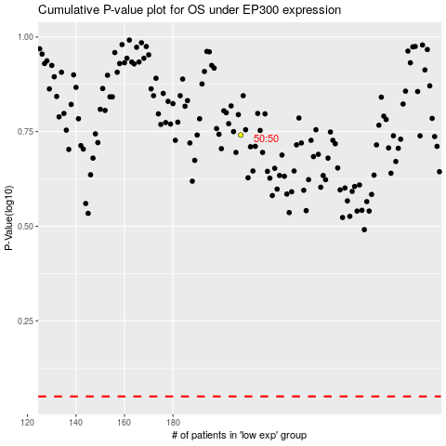

 |  |  |  |  |  | cases_OS | p_OS | rank | exp
 |  |  |  |  |  |  | cases_RFS | p_RFS | rank | exp

