EPAS1 _multivariate
Reported by Tex Li-Hsing Chi. tex@gate.sinica.edu.tw 2019-08-20

Table 2. The clinicopathological features of HNSCC cohort and EPAS1 expression. (Chi square test)
Cutoff at -0.133 (49.8%)
 |  | EPAS1 expression |  | EPAS1 expression |  | (Optimised)
 | Features | Low | (%) | High | (%) | Case no | P-value | Remark | Matthews
Gender | Female | 152 | 36.6 | 154 | 37.1 | 415 | 0.9766 | 0 | 0
2 | Male | 55 | 13.3 | 54 | 13
Age at diagnosis | <=65y | 136 | 32.8 | 138 | 33.3 | 415 | 0.9719 | 0 | 0
4 | >65y | 71 | 17.1 | 70 | 16.9
Clinical T Status | T1+T2 | 76 | 18.3 | 73 | 17.6 | 415 | 0.8092 | 0 | 0
6 | T3+T4 | 131 | 31.6 | 135 | 32.5
Clinical N Status | N0 | 105 | 25.3 | 111 | 26.7 | 415 | 0.6598 | 0 | 0
8 | N1-3 | 102 | 24.6 | 97 | 23.4
Clinical M Status | M0 | 206 | 49.6 | 206 | 49.6 | 415 | 1 | 0 | 0
10 | M1 | 1 | 0.2 | 2 | 0.5
Clinical Stage | Stage I+II | 50 | 12 | 52 | 12.5 | 415 | 0.9315 | 0 | 0
12 | Stage III+IV | 157 | 37.8 | 156 | 37.6
Surgical Margin status | Negative | 153 | 36.9 | 165 | 39.8 | 415 | 0.2036 | 0 | 0
14 | Positive | 54 | 13 | 43 | 10.4
Tobacco Exposure | Low | 68 | 16.4 | 93 | 22.4 | 415 | 0.0156 | 1 | 0
16 | High | 139 | 33.5 | 115 | 27.7

Table 3. Univariate/Multivariate Cox's proportional hazards regression analyses on OS time of EPAS1 gene expression in HNSCC

 |  | Univariate |  |  |  | Multivariate
 | Features | HR | CI95%(L) | CI95%(H) | P-value | HR | CI95%(L) | CI95%(H) | P-value
1 | Female | 1 |  |  |  | 1
Gender | Male | 1.157 | 0.843 | 1.587 | 0.367 | 1.204 | 0.862 | 1.681 | 0.277
11 | <=65y | 1 |  |  |  | 1
Age at diagnosis | >65y | 1.329 | 0.99 | 1.784 | 0.058 | 1.4 | 1.029 | 1.905 | 0.032
12 | T1+T2 | 1 |  |  |  | 1
Clinical T Status | T3+T4 | 1.409 | 1.028 | 1.931 | 0.033 | 2.193 | 1.159 | 4.147 | 0.016
13 | N0 | 1 |  |  |  | 1
Clinical N Status | N1-3 | 1.185 | 0.89 | 1.577 | 0.246 | 1.251 | 0.876 | 1.787 | 0.218
14 | M0 | 1 |  |  |  | 1
Clinical M Status | M1 | 4.097 | 1.009 | 16.644 | 0.049 | 9.137 | 1.986 | 42.043 | 0.004
15 | Stage I+II | 1 |  |  |  | 1
Clinical Stage | Stage III+IV | 1.245 | 0.882 | 1.759 | 0.213 | 0.507 | 0.236 | 1.09 | 0.082
16 | Negative | 1 |  |  |  | 1
Surgical Margin status | Positive | 1.591 | 1.155 | 2.191 | 0.004 | 1.673 | 1.211 | 2.312 | 0.002
17 | Low | 1 |  |  |  | 1
Tobacco Exposure | High | 1.364 | 1.008 | 1.844 | 0.044 | 1.479 | 1.066 | 2.053 | 0.019
18 | Low | 1 |  |  |  | 1
RNAseq(z-score) | High | 0.997 | 0.748 | 1.327 | 0.981 | 1.083 | 0.804 | 1.458 | 0.599

Table 4. Univariate/Multivariate Cox's proportional hazards regression analyses on RFS time of EPAS1 gene expression in HNSCC

 |  | Univariate |  |  |  | Multivariate
 | Features | HR | CI95%(L) | CI95%(H) | P-value | HR | CI95%(L) | CI95%(H) | P-value
1 | Female | 1 |  |  |  | 1
Gender | Male | 1.157 | 0.843 | 1.587 | 0.367 | 1.204 | 0.862 | 1.681 | 0.277
11 | <=65y | 1 |  |  |  | 1
Age at diagnosis | >65y | 1.329 | 0.99 | 1.784 | 0.058 | 1.4 | 1.029 | 1.905 | 0.032
12 | T1+T2 | 1 |  |  |  | 1
Clinical T Status | T3+T4 | 1.409 | 1.028 | 1.931 | 0.033 | 2.193 | 1.159 | 4.147 | 0.016
13 | N0 | 1 |  |  |  | 1
Clinical N Status | N1-3 | 1.185 | 0.89 | 1.577 | 0.246 | 1.251 | 0.876 | 1.787 | 0.218
14 | M0 | 1 |  |  |  | 1
Clinical M Status | M1 | 4.097 | 1.009 | 16.644 | 0.049 | 9.137 | 1.986 | 42.043 | 0.004
15 | Stage I+II | 1 |  |  |  | 1
Clinical Stage | Stage III+IV | 1.245 | 0.882 | 1.759 | 0.213 | 0.507 | 0.236 | 1.09 | 0.082
16 | Negative | 1 |  |  |  | 1
Surgical Margin status | Positive | 1.591 | 1.155 | 2.191 | 0.004 | 1.673 | 1.211 | 2.312 | 0.002
17 | Low | 1 |  |  |  | 1
Tobacco Exposure | High | 1.364 | 1.008 | 1.844 | 0.044 | 1.479 | 1.066 | 2.053 | 0.019
18 | Low | 1 |  |  |  | 1
RNAseq(z-score) | High | 0.997 | 0.748 | 1.327 | 0.981 | 1.083 | 0.804 | 1.458 | 0.599

Kaplan-Meier survival estimate: Cutoff at -0.133 (49.8%)



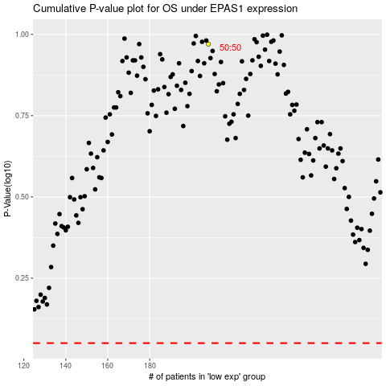

 |  |  |  |  |  | cases_OS | p_OS | rank | exp
 |  |  |  |  |  |  | cases_RFS | p_RFS | rank | exp

