EPB41L4A _multivariate
Reported by Tex Li-Hsing Chi. tex@gate.sinica.edu.tw 2019-08-20

Table 2. The clinicopathological features of HNSCC cohort and EPB41L4A expression. (Chi square test)
Cutoff at -0.718 (30.0%)
 |  | EPB41L4A expression |  | EPB41L4A expression |  | (Optimised)
 | Features | Low | (%) | High | (%) | Case no | P-value | Remark | Matthews
Gender | Female | 91 | 21.9 | 215 | 51.8 | 415 | 0.8709 | 0 | 0
2 | Male | 34 | 8.2 | 75 | 18.1
Age at diagnosis | <=65y | 79 | 19 | 195 | 47 | 415 | 0.4936 | 0 | 0
4 | >65y | 46 | 11.1 | 95 | 22.9
Clinical T Status | T1+T2 | 38 | 9.2 | 111 | 26.7 | 415 | 0.1548 | 0 | 0
6 | T3+T4 | 87 | 21 | 179 | 43.1
Clinical N Status | N0 | 55 | 13.3 | 161 | 38.8 | 415 | 0.0406 | 1 | 0
8 | N1-3 | 70 | 16.9 | 129 | 31.1
Clinical M Status | M0 | 124 | 29.9 | 288 | 69.4 | 415 | 1 | 0 | 0
10 | M1 | 1 | 0.2 | 2 | 0.5
Clinical Stage | Stage I+II | 26 | 6.3 | 76 | 18.3 | 415 | 0.294 | 0 | 0
12 | Stage III+IV | 99 | 23.9 | 214 | 51.6
Surgical Margin status | Negative | 93 | 22.4 | 225 | 54.2 | 415 | 0.5276 | 0 | 0
14 | Positive | 32 | 7.7 | 65 | 15.7
Tobacco Exposure | Low | 48 | 11.6 | 113 | 27.2 | 415 | 1 | 0 | 0
16 | High | 77 | 18.6 | 177 | 42.7

Table 3. Univariate/Multivariate Cox's proportional hazards regression analyses on OS time of EPB41L4A gene expression in HNSCC

 |  | Univariate |  |  |  | Multivariate
 | Features | HR | CI95%(L) | CI95%(H) | P-value | HR | CI95%(L) | CI95%(H) | P-value
1 | Female | 1 |  |  |  | 1
Gender | Male | 1.157 | 0.843 | 1.587 | 0.367 | 1.197 | 0.855 | 1.675 | 0.295
11 | <=65y | 1 |  |  |  | 1
Age at diagnosis | >65y | 1.329 | 0.99 | 1.784 | 0.058 | 1.368 | 1.006 | 1.861 | 0.046
12 | T1+T2 | 1 |  |  |  | 1
Clinical T Status | T3+T4 | 1.409 | 1.028 | 1.931 | 0.033 | 2.126 | 1.123 | 4.025 | 0.021
13 | N0 | 1 |  |  |  | 1
Clinical N Status | N1-3 | 1.185 | 0.89 | 1.577 | 0.246 | 1.208 | 0.844 | 1.728 | 0.301
14 | M0 | 1 |  |  |  | 1
Clinical M Status | M1 | 4.097 | 1.009 | 16.644 | 0.049 | 9.055 | 1.974 | 41.541 | 0.005
15 | Stage I+II | 1 |  |  |  | 1
Clinical Stage | Stage III+IV | 1.245 | 0.882 | 1.759 | 0.213 | 0.517 | 0.241 | 1.109 | 0.09
16 | Negative | 1 |  |  |  | 1
Surgical Margin status | Positive | 1.591 | 1.155 | 2.191 | 0.004 | 1.667 | 1.207 | 2.303 | 0.002
17 | Low | 1 |  |  |  | 1
Tobacco Exposure | High | 1.364 | 1.008 | 1.844 | 0.044 | 1.465 | 1.062 | 2.021 | 0.02
18 | Low | 1 |  |  |  | 1
RNAseq(z-score) | High | 0.729 | 0.54 | 0.986 | 0.04 | 0.787 | 0.58 | 1.069 | 0.125

Table 4. Univariate/Multivariate Cox's proportional hazards regression analyses on RFS time of EPB41L4A gene expression in HNSCC

 |  | Univariate |  |  |  | Multivariate
 | Features | HR | CI95%(L) | CI95%(H) | P-value | HR | CI95%(L) | CI95%(H) | P-value
1 | Female | 1 |  |  |  | 1
Gender | Male | 1.157 | 0.843 | 1.587 | 0.367 | 1.197 | 0.855 | 1.675 | 0.295
11 | <=65y | 1 |  |  |  | 1
Age at diagnosis | >65y | 1.329 | 0.99 | 1.784 | 0.058 | 1.368 | 1.006 | 1.861 | 0.046
12 | T1+T2 | 1 |  |  |  | 1
Clinical T Status | T3+T4 | 1.409 | 1.028 | 1.931 | 0.033 | 2.126 | 1.123 | 4.025 | 0.021
13 | N0 | 1 |  |  |  | 1
Clinical N Status | N1-3 | 1.185 | 0.89 | 1.577 | 0.246 | 1.208 | 0.844 | 1.728 | 0.301
14 | M0 | 1 |  |  |  | 1
Clinical M Status | M1 | 4.097 | 1.009 | 16.644 | 0.049 | 9.055 | 1.974 | 41.541 | 0.005
15 | Stage I+II | 1 |  |  |  | 1
Clinical Stage | Stage III+IV | 1.245 | 0.882 | 1.759 | 0.213 | 0.517 | 0.241 | 1.109 | 0.09
16 | Negative | 1 |  |  |  | 1
Surgical Margin status | Positive | 1.591 | 1.155 | 2.191 | 0.004 | 1.667 | 1.207 | 2.303 | 0.002
17 | Low | 1 |  |  |  | 1
Tobacco Exposure | High | 1.364 | 1.008 | 1.844 | 0.044 | 1.465 | 1.062 | 2.021 | 0.02
18 | Low | 1 |  |  |  | 1
RNAseq(z-score) | High | 0.729 | 0.54 | 0.986 | 0.04 | 0.787 | 0.58 | 1.069 | 0.125

Kaplan-Meier survival estimate: Cutoff at -0.718 (30.0%)

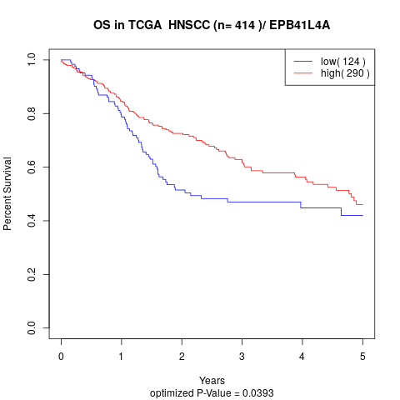

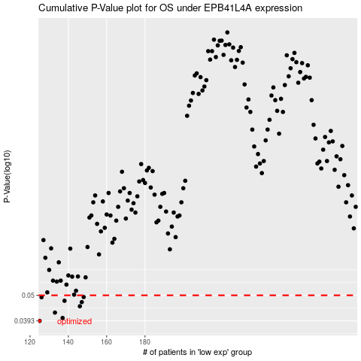

 |  |  |  |  |  | cases_OS | p_OS | rank | exp
 |  |  |  |  |  | 125 | 0.0393 | 119 | -0.71797970044
 |  |  |  |  |  | 137 | 0.0404 | 336 | -0.6849999785
 |  |  |  |  |  | 133 | 0.0425 | 122 | -0.69860065504
 |  |  |  |  |  | 146 | 0.0451 | 356 | -0.65289267452
 |  |  |  |  |  | 147 | 0.0469 | 27 | -0.65051727498
 |  |  |  |  |  | 138 | 0.0475 | 376 | -0.68405952605
 |  |  |  |  |  | 126 | 0.0491 | 175 | -0.71552548045
 |  |  |  |  |  | 148 | 0.0492 | 170 | -0.64652315225
 |  |  |  |  |  |  | cases_RFS | p_RFS | rank | exp
 |  |  |  |  |  |  |  | 0.0393 | 412 | -0.71813070384
 |  |  |  |  |  |  | 136 | 0.0404 | 124 | -0.68646645377
 |  |  |  |  |  |  | 132 | 0.0425 | 133 | -0.70032889717
 |  |  |  |  |  |  | 145 | 0.0451 | 221 | -0.65373605336
 |  |  |  |  |  |  | 146 | 0.0469 | 356 | -0.65289267452
 |  |  |  |  |  |  | 137 | 0.0475 | 336 | -0.6849999785
 |  |  |  |  |  |  | 125 | 0.0491 | 119 | -0.71797970044
 |  |  |  |  |  |  | 147 | 0.0492 | 27 | -0.65051727498

