EPB41L4B _multivariate
Reported by Tex Li-Hsing Chi. tex@gate.sinica.edu.tw 2019-08-20

Table 2. The clinicopathological features of HNSCC cohort and EPB41L4B expression. (Chi square test)
Cutoff at -0.289 (45.4%)
 |  | EPB41L4B expression |  | EPB41L4B expression |  | (Optimised)
 | Features | Low | (%) | High | (%) | Case no | P-value | Remark | Matthews
Gender | Female | 140 | 33.7 | 166 | 40 | 415 | 0.844 | 0 | 0
2 | Male | 48 | 11.6 | 61 | 14.7
Age at diagnosis | <=65y | 122 | 29.4 | 152 | 36.6 | 415 | 0.7351 | 0 | 0
4 | >65y | 66 | 15.9 | 75 | 18.1
Clinical T Status | T1+T2 | 74 | 17.8 | 75 | 18.1 | 415 | 0.2173 | 0 | 0
6 | T3+T4 | 114 | 27.5 | 152 | 36.6
Clinical N Status | N0 | 97 | 23.4 | 119 | 28.7 | 415 | 0.9448 | 0 | 0
8 | N1-3 | 91 | 21.9 | 108 | 26
Clinical M Status | M0 | 187 | 45.1 | 225 | 54.2 | 415 | 1 | 0 | 0
10 | M1 | 1 | 0.2 | 2 | 0.5
Clinical Stage | Stage I+II | 50 | 12 | 52 | 12.5 | 415 | 0.4507 | 0 | 0
12 | Stage III+IV | 138 | 33.3 | 175 | 42.2
Surgical Margin status | Negative | 139 | 33.5 | 179 | 43.1 | 415 | 0.2462 | 0 | 0
14 | Positive | 49 | 11.8 | 48 | 11.6
Tobacco Exposure | Low | 81 | 19.5 | 80 | 19.3 | 415 | 0.1067 | 0 | 0
16 | High | 107 | 25.8 | 147 | 35.4

Table 3. Univariate/Multivariate Cox's proportional hazards regression analyses on OS time of EPB41L4B gene expression in HNSCC

 |  | Univariate |  |  |  | Multivariate
 | Features | HR | CI95%(L) | CI95%(H) | P-value | HR | CI95%(L) | CI95%(H) | P-value
1 | Female | 1 |  |  |  | 1
Gender | Male | 1.157 | 0.843 | 1.587 | 0.367 | 1.228 | 0.878 | 1.716 | 0.23
11 | <=65y | 1 |  |  |  | 1
Age at diagnosis | >65y | 1.329 | 0.99 | 1.784 | 0.058 | 1.421 | 1.043 | 1.934 | 0.026
12 | T1+T2 | 1 |  |  |  | 1
Clinical T Status | T3+T4 | 1.409 | 1.028 | 1.931 | 0.033 | 2.245 | 1.186 | 4.251 | 0.013
13 | N0 | 1 |  |  |  | 1
Clinical N Status | N1-3 | 1.185 | 0.89 | 1.577 | 0.246 | 1.22 | 0.854 | 1.742 | 0.275
14 | M0 | 1 |  |  |  | 1
Clinical M Status | M1 | 4.097 | 1.009 | 16.644 | 0.049 | 10.569 | 2.296 | 48.651 | 0.002
15 | Stage I+II | 1 |  |  |  | 1
Clinical Stage | Stage III+IV | 1.245 | 0.882 | 1.759 | 0.213 | 0.51 | 0.237 | 1.094 | 0.084
16 | Negative | 1 |  |  |  | 1
Surgical Margin status | Positive | 1.591 | 1.155 | 2.191 | 0.004 | 1.661 | 1.201 | 2.296 | 0.002
17 | Low | 1 |  |  |  | 1
Tobacco Exposure | High | 1.364 | 1.008 | 1.844 | 0.044 | 1.499 | 1.085 | 2.07 | 0.014
18 | Low | 1 |  |  |  | 1
RNAseq(z-score) | High | 0.749 | 0.562 | 0.997 | 0.048 | 0.706 | 0.528 | 0.943 | 0.018

Table 4. Univariate/Multivariate Cox's proportional hazards regression analyses on RFS time of EPB41L4B gene expression in HNSCC

 |  | Univariate |  |  |  | Multivariate
 | Features | HR | CI95%(L) | CI95%(H) | P-value | HR | CI95%(L) | CI95%(H) | P-value
1 | Female | 1 |  |  |  | 1
Gender | Male | 1.157 | 0.843 | 1.587 | 0.367 | 1.228 | 0.878 | 1.716 | 0.23
11 | <=65y | 1 |  |  |  | 1
Age at diagnosis | >65y | 1.329 | 0.99 | 1.784 | 0.058 | 1.421 | 1.043 | 1.934 | 0.026
12 | T1+T2 | 1 |  |  |  | 1
Clinical T Status | T3+T4 | 1.409 | 1.028 | 1.931 | 0.033 | 2.245 | 1.186 | 4.251 | 0.013
13 | N0 | 1 |  |  |  | 1
Clinical N Status | N1-3 | 1.185 | 0.89 | 1.577 | 0.246 | 1.22 | 0.854 | 1.742 | 0.275
14 | M0 | 1 |  |  |  | 1
Clinical M Status | M1 | 4.097 | 1.009 | 16.644 | 0.049 | 10.569 | 2.296 | 48.651 | 0.002
15 | Stage I+II | 1 |  |  |  | 1
Clinical Stage | Stage III+IV | 1.245 | 0.882 | 1.759 | 0.213 | 0.51 | 0.237 | 1.094 | 0.084
16 | Negative | 1 |  |  |  | 1
Surgical Margin status | Positive | 1.591 | 1.155 | 2.191 | 0.004 | 1.661 | 1.201 | 2.296 | 0.002
17 | Low | 1 |  |  |  | 1
Tobacco Exposure | High | 1.364 | 1.008 | 1.844 | 0.044 | 1.499 | 1.085 | 2.07 | 0.014
18 | Low | 1 |  |  |  | 1
RNAseq(z-score) | High | 0.749 | 0.562 | 0.997 | 0.048 | 0.706 | 0.528 | 0.943 | 0.018

Kaplan-Meier survival estimate: Cutoff at -0.289 (45.4%)



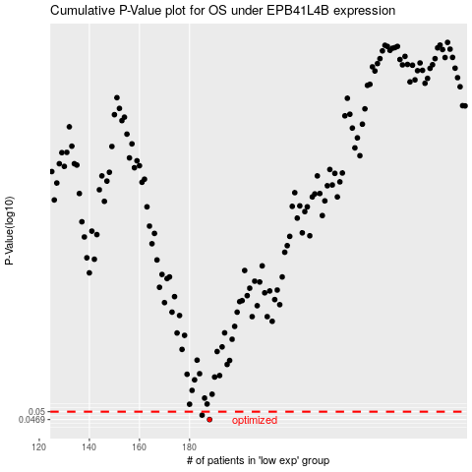

 |  |  |  |  |  | cases_OS | p_OS | rank | exp
 |  |  |  |  |  | 188 | 0.0469 | 327 | -0.28913869496
 |  |  |  |  |  | 185 | 0.0486 | 194 | -0.29878934302
 |  |  |  |  |  |  | cases_RFS | p_RFS | rank | exp
 |  |  |  |  |  |  | 187 | 0.0469 | 275 | -0.2895376453
 |  |  |  |  |  |  | 184 | 0.0486 | 250 | -0.30244441274

