EPB41L5 _multivariate
Reported by Tex Li-Hsing Chi. tex@gate.sinica.edu.tw 2019-08-20

Table 2. The clinicopathological features of HNSCC cohort and EPB41L5 expression. (Chi square test)
Cutoff at -0.104 (50.0%)
 |  | EPB41L5 expression |  | EPB41L5 expression |  | (Optimised)
 | Features | Low | (%) | High | (%) | Case no | P-value | Remark | Matthews
Gender | Female | 159 | 38.3 | 147 | 35.4 | 415 | 0.1905 | 0 | 0
2 | Male | 48 | 11.6 | 61 | 14.7
Age at diagnosis | <=65y | 143 | 34.5 | 131 | 31.6 | 415 | 0.2269 | 0 | 0
4 | >65y | 64 | 15.4 | 77 | 18.6
Clinical T Status | T1+T2 | 82 | 19.8 | 67 | 16.1 | 415 | 0.1417 | 0 | 0
6 | T3+T4 | 125 | 30.1 | 141 | 34
Clinical N Status | N0 | 104 | 25.1 | 112 | 27 | 415 | 0.5243 | 0 | 0
8 | N1-3 | 103 | 24.8 | 96 | 23.1
Clinical M Status | M0 | 206 | 49.6 | 206 | 49.6 | 415 | 1 | 0 | 0
10 | M1 | 1 | 0.2 | 2 | 0.5
Clinical Stage | Stage I+II | 55 | 13.3 | 47 | 11.3 | 415 | 0.4087 | 0 | 0
12 | Stage III+IV | 152 | 36.6 | 161 | 38.8
Surgical Margin status | Negative | 158 | 38.1 | 160 | 38.6 | 415 | 0.9081 | 0 | 0
14 | Positive | 49 | 11.8 | 48 | 11.6
Tobacco Exposure | Low | 76 | 18.3 | 85 | 20.5 | 415 | 0.4207 | 0 | 0
16 | High | 131 | 31.6 | 123 | 29.6

Table 3. Univariate/Multivariate Cox's proportional hazards regression analyses on OS time of EPB41L5 gene expression in HNSCC

 |  | Univariate |  |  |  | Multivariate
 | Features | HR | CI95%(L) | CI95%(H) | P-value | HR | CI95%(L) | CI95%(H) | P-value
1 | Female | 1 |  |  |  | 1
Gender | Male | 1.157 | 0.843 | 1.587 | 0.367 | 1.201 | 0.859 | 1.677 | 0.284
11 | <=65y | 1 |  |  |  | 1
Age at diagnosis | >65y | 1.329 | 0.99 | 1.784 | 0.058 | 1.391 | 1.023 | 1.892 | 0.035
12 | T1+T2 | 1 |  |  |  | 1
Clinical T Status | T3+T4 | 1.409 | 1.028 | 1.931 | 0.033 | 2.184 | 1.155 | 4.131 | 0.016
13 | N0 | 1 |  |  |  | 1
Clinical N Status | N1-3 | 1.185 | 0.89 | 1.577 | 0.246 | 1.26 | 0.882 | 1.8 | 0.204
14 | M0 | 1 |  |  |  | 1
Clinical M Status | M1 | 4.097 | 1.009 | 16.644 | 0.049 | 9.14 | 1.992 | 41.94 | 0.004
15 | Stage I+II | 1 |  |  |  | 1
Clinical Stage | Stage III+IV | 1.245 | 0.882 | 1.759 | 0.213 | 0.504 | 0.235 | 1.081 | 0.078
16 | Negative | 1 |  |  |  | 1
Surgical Margin status | Positive | 1.591 | 1.155 | 2.191 | 0.004 | 1.682 | 1.217 | 2.324 | 0.002
17 | Low | 1 |  |  |  | 1
Tobacco Exposure | High | 1.364 | 1.008 | 1.844 | 0.044 | 1.475 | 1.068 | 2.037 | 0.018
18 | Low | 1 |  |  |  | 1
RNAseq(z-score) | High | 1.123 | 0.841 | 1.5 | 0.432 | 1.156 | 0.862 | 1.552 | 0.333

Table 4. Univariate/Multivariate Cox's proportional hazards regression analyses on RFS time of EPB41L5 gene expression in HNSCC

 |  | Univariate |  |  |  | Multivariate
 | Features | HR | CI95%(L) | CI95%(H) | P-value | HR | CI95%(L) | CI95%(H) | P-value
1 | Female | 1 |  |  |  | 1
Gender | Male | 1.157 | 0.843 | 1.587 | 0.367 | 1.201 | 0.859 | 1.677 | 0.284
11 | <=65y | 1 |  |  |  | 1
Age at diagnosis | >65y | 1.329 | 0.99 | 1.784 | 0.058 | 1.391 | 1.023 | 1.892 | 0.035
12 | T1+T2 | 1 |  |  |  | 1
Clinical T Status | T3+T4 | 1.409 | 1.028 | 1.931 | 0.033 | 2.184 | 1.155 | 4.131 | 0.016
13 | N0 | 1 |  |  |  | 1
Clinical N Status | N1-3 | 1.185 | 0.89 | 1.577 | 0.246 | 1.26 | 0.882 | 1.8 | 0.204
14 | M0 | 1 |  |  |  | 1
Clinical M Status | M1 | 4.097 | 1.009 | 16.644 | 0.049 | 9.14 | 1.992 | 41.94 | 0.004
15 | Stage I+II | 1 |  |  |  | 1
Clinical Stage | Stage III+IV | 1.245 | 0.882 | 1.759 | 0.213 | 0.504 | 0.235 | 1.081 | 0.078
16 | Negative | 1 |  |  |  | 1
Surgical Margin status | Positive | 1.591 | 1.155 | 2.191 | 0.004 | 1.682 | 1.217 | 2.324 | 0.002
17 | Low | 1 |  |  |  | 1
Tobacco Exposure | High | 1.364 | 1.008 | 1.844 | 0.044 | 1.475 | 1.068 | 2.037 | 0.018
18 | Low | 1 |  |  |  | 1
RNAseq(z-score) | High | 1.123 | 0.841 | 1.5 | 0.432 | 1.156 | 0.862 | 1.552 | 0.333

Kaplan-Meier survival estimate: Cutoff at -0.104 (50.0%)



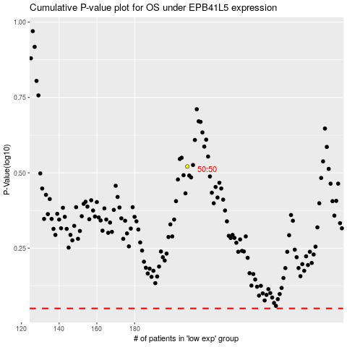

 |  |  |  |  |  | cases_OS | p_OS | rank | exp
 |  |  |  |  |  |  | cases_RFS | p_RFS | rank | exp

