EPB49 _multivariate
Reported by Tex Li-Hsing Chi. tex@gate.sinica.edu.tw 2019-08-20

Table 2. The clinicopathological features of HNSCC cohort and EPB49 expression. (Chi square test)
Cutoff at -0.345 (49.8%)
 |  | EPB49 expression |  | EPB49 expression |  | (Optimised)
 | Features | Low | (%) | High | (%) | Case no | P-value | Remark | Matthews
Gender | Female | 143 | 34.5 | 163 | 39.3 | 415 | 0.0416 | 1 | 0
2 | Male | 64 | 15.4 | 45 | 10.8
Age at diagnosis | <=65y | 138 | 33.3 | 136 | 32.8 | 415 | 0.8634 | 0 | 0
4 | >65y | 69 | 16.6 | 72 | 17.3
Clinical T Status | T1+T2 | 76 | 18.3 | 73 | 17.6 | 415 | 0.8092 | 0 | 0
6 | T3+T4 | 131 | 31.6 | 135 | 32.5
Clinical N Status | N0 | 113 | 27.2 | 103 | 24.8 | 415 | 0.3495 | 1 | 0
8 | N1-3 | 94 | 22.7 | 105 | 25.3
Clinical M Status | M0 | 205 | 49.4 | 207 | 49.9 | 415 | 0.6232 | 0 | 0
10 | M1 | 2 | 0.5 | 1 | 0.2
Clinical Stage | Stage I+II | 54 | 13 | 48 | 11.6 | 415 | 0.5498 | 0 | 0
12 | Stage III+IV | 153 | 36.9 | 160 | 38.6
Surgical Margin status | Negative | 161 | 38.8 | 157 | 37.8 | 415 | 0.6429 | 0 | 0
14 | Positive | 46 | 11.1 | 51 | 12.3
Tobacco Exposure | Low | 95 | 22.9 | 66 | 15.9 | 415 | 0.0035 | 1 | 0
16 | High | 112 | 27 | 142 | 34.2

Table 3. Univariate/Multivariate Cox's proportional hazards regression analyses on OS time of EPB49 gene expression in HNSCC

 |  | Univariate |  |  |  | Multivariate
 | Features | HR | CI95%(L) | CI95%(H) | P-value | HR | CI95%(L) | CI95%(H) | P-value
1 | Female | 1 |  |  |  | 1
Gender | Male | 1.157 | 0.843 | 1.587 | 0.367 | 1.16 | 0.827 | 1.626 | 0.39
11 | <=65y | 1 |  |  |  | 1
Age at diagnosis | >65y | 1.329 | 0.99 | 1.784 | 0.058 | 1.419 | 1.043 | 1.931 | 0.026
12 | T1+T2 | 1 |  |  |  | 1
Clinical T Status | T3+T4 | 1.409 | 1.028 | 1.931 | 0.033 | 2.189 | 1.159 | 4.135 | 0.016
13 | N0 | 1 |  |  |  | 1
Clinical N Status | N1-3 | 1.185 | 0.89 | 1.577 | 0.246 | 1.27 | 0.89 | 1.812 | 0.188
14 | M0 | 1 |  |  |  | 1
Clinical M Status | M1 | 4.097 | 1.009 | 16.644 | 0.049 | 8.905 | 1.941 | 40.846 | 0.005
15 | Stage I+II | 1 |  |  |  | 1
Clinical Stage | Stage III+IV | 1.245 | 0.882 | 1.759 | 0.213 | 0.509 | 0.237 | 1.093 | 0.083
16 | Negative | 1 |  |  |  | 1
Surgical Margin status | Positive | 1.591 | 1.155 | 2.191 | 0.004 | 1.666 | 1.206 | 2.299 | 0.002
17 | Low | 1 |  |  |  | 1
Tobacco Exposure | High | 1.364 | 1.008 | 1.844 | 0.044 | 1.53 | 1.104 | 2.121 | 0.011
18 | Low | 1 |  |  |  | 1
RNAseq(z-score) | High | 0.831 | 0.623 | 1.108 | 0.208 | 0.769 | 0.571 | 1.036 | 0.084

Table 4. Univariate/Multivariate Cox's proportional hazards regression analyses on RFS time of EPB49 gene expression in HNSCC

 |  | Univariate |  |  |  | Multivariate
 | Features | HR | CI95%(L) | CI95%(H) | P-value | HR | CI95%(L) | CI95%(H) | P-value
1 | Female | 1 |  |  |  | 1
Gender | Male | 1.157 | 0.843 | 1.587 | 0.367 | 1.16 | 0.827 | 1.626 | 0.39
11 | <=65y | 1 |  |  |  | 1
Age at diagnosis | >65y | 1.329 | 0.99 | 1.784 | 0.058 | 1.419 | 1.043 | 1.931 | 0.026
12 | T1+T2 | 1 |  |  |  | 1
Clinical T Status | T3+T4 | 1.409 | 1.028 | 1.931 | 0.033 | 2.189 | 1.159 | 4.135 | 0.016
13 | N0 | 1 |  |  |  | 1
Clinical N Status | N1-3 | 1.185 | 0.89 | 1.577 | 0.246 | 1.27 | 0.89 | 1.812 | 0.188
14 | M0 | 1 |  |  |  | 1
Clinical M Status | M1 | 4.097 | 1.009 | 16.644 | 0.049 | 8.905 | 1.941 | 40.846 | 0.005
15 | Stage I+II | 1 |  |  |  | 1
Clinical Stage | Stage III+IV | 1.245 | 0.882 | 1.759 | 0.213 | 0.509 | 0.237 | 1.093 | 0.083
16 | Negative | 1 |  |  |  | 1
Surgical Margin status | Positive | 1.591 | 1.155 | 2.191 | 0.004 | 1.666 | 1.206 | 2.299 | 0.002
17 | Low | 1 |  |  |  | 1
Tobacco Exposure | High | 1.364 | 1.008 | 1.844 | 0.044 | 1.53 | 1.104 | 2.121 | 0.011
18 | Low | 1 |  |  |  | 1
RNAseq(z-score) | High | 0.831 | 0.623 | 1.108 | 0.208 | 0.769 | 0.571 | 1.036 | 0.084

Kaplan-Meier survival estimate: Cutoff at -0.345 (49.8%)



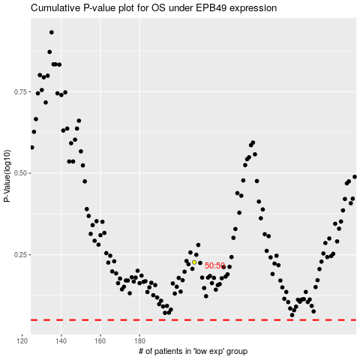

 |  |  |  |  |  | cases_OS | p_OS | rank | exp
 |  |  |  |  |  |  | cases_RFS | p_RFS | rank | exp

