EPC2 _multivariate
Reported by Tex Li-Hsing Chi. tex@gate.sinica.edu.tw 2019-08-20

Table 2. The clinicopathological features of HNSCC cohort and EPC2 expression. (Chi square test)
Cutoff at -0.467 (34.3%)
 |  | EPC2 expression |  | EPC2 expression |  | (Optimised)
 | Features | Low | (%) | High | (%) | Case no | P-value | Remark | Matthews
Gender | Female | 104 | 25.1 | 202 | 48.7 | 415 | 0.8252 | 0 | 0
2 | Male | 39 | 9.4 | 70 | 16.9
Age at diagnosis | <=65y | 89 | 21.4 | 185 | 44.6 | 415 | 0.2838 | 0 | 0
4 | >65y | 54 | 13 | 87 | 21
Clinical T Status | T1+T2 | 41 | 9.9 | 108 | 26 | 415 | 0.0341 | 1 | 0
6 | T3+T4 | 102 | 24.6 | 164 | 39.5
Clinical N Status | N0 | 67 | 16.1 | 149 | 35.9 | 415 | 0.152 | 0 | 0
8 | N1-3 | 76 | 18.3 | 123 | 29.6
Clinical M Status | M0 | 140 | 33.7 | 272 | 65.5 | 415 | 0.0404 | 1 | 0
10 | M1 | 3 | 0.7 | 0 | 0
Clinical Stage | Stage I+II | 26 | 6.3 | 76 | 18.3 | 415 | 0.038 | 1 | 0
12 | Stage III+IV | 117 | 28.2 | 196 | 47.2
Surgical Margin status | Negative | 108 | 26 | 210 | 50.6 | 415 | 0.7154 | 0 | 0
14 | Positive | 35 | 8.4 | 62 | 14.9
Tobacco Exposure | Low | 60 | 14.5 | 101 | 24.3 | 415 | 0.3424 | 0 | 0
16 | High | 83 | 20 | 171 | 41.2

Table 3. Univariate/Multivariate Cox's proportional hazards regression analyses on OS time of EPC2 gene expression in HNSCC

 |  | Univariate |  |  |  | Multivariate
 | Features | HR | CI95%(L) | CI95%(H) | P-value | HR | CI95%(L) | CI95%(H) | P-value
1 | Female | 1 |  |  |  | 1
Gender | Male | 1.157 | 0.843 | 1.587 | 0.367 | 1.19 | 0.851 | 1.663 | 0.309
11 | <=65y | 1 |  |  |  | 1
Age at diagnosis | >65y | 1.329 | 0.99 | 1.784 | 0.058 | 1.398 | 1.029 | 1.9 | 0.032
12 | T1+T2 | 1 |  |  |  | 1
Clinical T Status | T3+T4 | 1.409 | 1.028 | 1.931 | 0.033 | 2.125 | 1.123 | 4.024 | 0.021
13 | N0 | 1 |  |  |  | 1
Clinical N Status | N1-3 | 1.185 | 0.89 | 1.577 | 0.246 | 1.216 | 0.852 | 1.735 | 0.282
14 | M0 | 1 |  |  |  | 1
Clinical M Status | M1 | 4.097 | 1.009 | 16.644 | 0.049 | 7.861 | 1.689 | 36.587 | 0.009
15 | Stage I+II | 1 |  |  |  | 1
Clinical Stage | Stage III+IV | 1.245 | 0.882 | 1.759 | 0.213 | 0.522 | 0.243 | 1.121 | 0.095
16 | Negative | 1 |  |  |  | 1
Surgical Margin status | Positive | 1.591 | 1.155 | 2.191 | 0.004 | 1.66 | 1.201 | 2.293 | 0.002
17 | Low | 1 |  |  |  | 1
Tobacco Exposure | High | 1.364 | 1.008 | 1.844 | 0.044 | 1.447 | 1.049 | 1.995 | 0.024
18 | Low | 1 |  |  |  | 1
RNAseq(z-score) | High | 0.731 | 0.543 | 0.985 | 0.039 | 0.784 | 0.579 | 1.063 | 0.117

Table 4. Univariate/Multivariate Cox's proportional hazards regression analyses on RFS time of EPC2 gene expression in HNSCC

 |  | Univariate |  |  |  | Multivariate
 | Features | HR | CI95%(L) | CI95%(H) | P-value | HR | CI95%(L) | CI95%(H) | P-value
1 | Female | 1 |  |  |  | 1
Gender | Male | 1.157 | 0.843 | 1.587 | 0.367 | 1.19 | 0.851 | 1.663 | 0.309
11 | <=65y | 1 |  |  |  | 1
Age at diagnosis | >65y | 1.329 | 0.99 | 1.784 | 0.058 | 1.398 | 1.029 | 1.9 | 0.032
12 | T1+T2 | 1 |  |  |  | 1
Clinical T Status | T3+T4 | 1.409 | 1.028 | 1.931 | 0.033 | 2.125 | 1.123 | 4.024 | 0.021
13 | N0 | 1 |  |  |  | 1
Clinical N Status | N1-3 | 1.185 | 0.89 | 1.577 | 0.246 | 1.216 | 0.852 | 1.735 | 0.282
14 | M0 | 1 |  |  |  | 1
Clinical M Status | M1 | 4.097 | 1.009 | 16.644 | 0.049 | 7.861 | 1.689 | 36.587 | 0.009
15 | Stage I+II | 1 |  |  |  | 1
Clinical Stage | Stage III+IV | 1.245 | 0.882 | 1.759 | 0.213 | 0.522 | 0.243 | 1.121 | 0.095
16 | Negative | 1 |  |  |  | 1
Surgical Margin status | Positive | 1.591 | 1.155 | 2.191 | 0.004 | 1.66 | 1.201 | 2.293 | 0.002
17 | Low | 1 |  |  |  | 1
Tobacco Exposure | High | 1.364 | 1.008 | 1.844 | 0.044 | 1.447 | 1.049 | 1.995 | 0.024
18 | Low | 1 |  |  |  | 1
RNAseq(z-score) | High | 0.731 | 0.543 | 0.985 | 0.039 | 0.784 | 0.579 | 1.063 | 0.117

Kaplan-Meier survival estimate: Cutoff at -0.467 (34.3%)

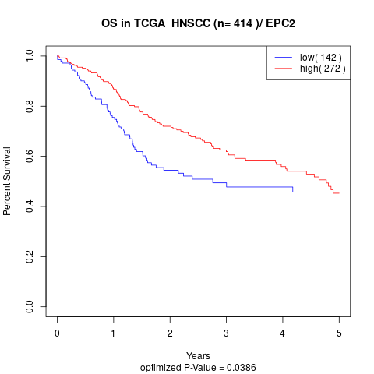

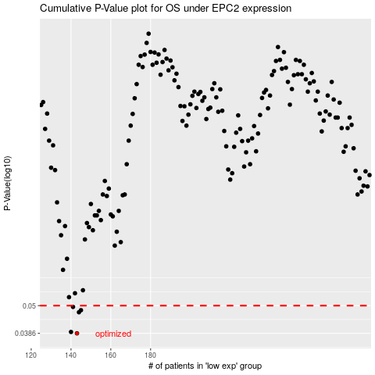

 |  |  |  |  |  | cases_OS | p_OS | rank | exp
 |  |  |  |  |  | 143 | 0.0386 | 134 | -0.46707687288
 |  |  |  |  |  | 140 | 0.0391 | 30 | -0.47988779288
 |  |  |  |  |  | 144 | 0.047 | 13 | -0.46432082551
 |  |  |  |  |  | 145 | 0.0479 | 136 | -0.45116065261
 |  |  |  |  |  | 141 | 0.0494 | 386 | -0.46865068986
 |  |  |  |  |  |  | cases_RFS | p_RFS | rank | exp
 |  |  |  |  |  |  | 142 | 0.0386 | 281 | -0.46817630357
 |  |  |  |  |  |  | 139 | 0.0391 | 148 | -0.481141617
 |  |  |  |  |  |  | 143 | 0.047 | 134 | -0.46707687288
 |  |  |  |  |  |  | 144 | 0.0479 | 13 | -0.46432082551
 |  |  |  |  |  |  | 140 | 0.0494 | 30 | -0.47988779288

