EPCAM _multivariate
Reported by Tex Li-Hsing Chi. tex@gate.sinica.edu.tw 2019-08-20

Table 2. The clinicopathological features of HNSCC cohort and EPCAM expression. (Chi square test)
Cutoff at -0.354 (49.8%)
 |  | EPCAM expression |  | EPCAM expression |  | (Optimised)
 | Features | Low | (%) | High | (%) | Case no | P-value | Remark | Matthews
Gender | Female | 139 | 33.5 | 167 | 40.2 | 415 | 0.0034 | 1 | 0
2 | Male | 68 | 16.4 | 41 | 9.9
Age at diagnosis | <=65y | 137 | 33 | 137 | 33 | 415 | 1 | 0 | 0
4 | >65y | 70 | 16.9 | 71 | 17.1
Clinical T Status | T1+T2 | 79 | 19 | 70 | 16.9 | 415 | 0.3924 | 0 | 0
6 | T3+T4 | 128 | 30.8 | 138 | 33.3
Clinical N Status | N0 | 113 | 27.2 | 103 | 24.8 | 415 | 0.3495 | 1 | 0
8 | N1-3 | 94 | 22.7 | 105 | 25.3
Clinical M Status | M0 | 207 | 49.9 | 205 | 49.4 | 415 | 0.2482 | 0 | 0
10 | M1 | 0 | 0 | 3 | 0.7
Clinical Stage | Stage I+II | 60 | 14.5 | 42 | 10.1 | 415 | 0.0493 | 1 | 0
12 | Stage III+IV | 147 | 35.4 | 166 | 40
Surgical Margin status | Negative | 159 | 38.3 | 159 | 38.3 | 415 | 1 | 0 | 0
14 | Positive | 48 | 11.6 | 49 | 11.8
Tobacco Exposure | Low | 107 | 25.8 | 54 | 13 | 415 | 0 | 1 | 0
16 | High | 100 | 24.1 | 154 | 37.1

Table 3. Univariate/Multivariate Cox's proportional hazards regression analyses on OS time of EPCAM gene expression in HNSCC

 |  | Univariate |  |  |  | Multivariate
 | Features | HR | CI95%(L) | CI95%(H) | P-value | HR | CI95%(L) | CI95%(H) | P-value
1 | Female | 1 |  |  |  | 1
Gender | Male | 1.157 | 0.843 | 1.587 | 0.367 | 1.183 | 0.845 | 1.657 | 0.328
11 | <=65y | 1 |  |  |  | 1
Age at diagnosis | >65y | 1.329 | 0.99 | 1.784 | 0.058 | 1.401 | 1.03 | 1.906 | 0.032
12 | T1+T2 | 1 |  |  |  | 1
Clinical T Status | T3+T4 | 1.409 | 1.028 | 1.931 | 0.033 | 2.18 | 1.153 | 4.123 | 0.017
13 | N0 | 1 |  |  |  | 1
Clinical N Status | N1-3 | 1.185 | 0.89 | 1.577 | 0.246 | 1.24 | 0.87 | 1.769 | 0.234
14 | M0 | 1 |  |  |  | 1
Clinical M Status | M1 | 4.097 | 1.009 | 16.644 | 0.049 | 9.85 | 2.138 | 45.375 | 0.003
15 | Stage I+II | 1 |  |  |  | 1
Clinical Stage | Stage III+IV | 1.245 | 0.882 | 1.759 | 0.213 | 0.518 | 0.241 | 1.116 | 0.093
16 | Negative | 1 |  |  |  | 1
Surgical Margin status | Positive | 1.591 | 1.155 | 2.191 | 0.004 | 1.669 | 1.208 | 2.306 | 0.002
17 | Low | 1 |  |  |  | 1
Tobacco Exposure | High | 1.364 | 1.008 | 1.844 | 0.044 | 1.503 | 1.077 | 2.098 | 0.016
18 | Low | 1 |  |  |  | 1
RNAseq(z-score) | High | 0.99 | 0.742 | 1.321 | 0.945 | 0.888 | 0.651 | 1.211 | 0.453

Table 4. Univariate/Multivariate Cox's proportional hazards regression analyses on RFS time of EPCAM gene expression in HNSCC

 |  | Univariate |  |  |  | Multivariate
 | Features | HR | CI95%(L) | CI95%(H) | P-value | HR | CI95%(L) | CI95%(H) | P-value
1 | Female | 1 |  |  |  | 1
Gender | Male | 1.157 | 0.843 | 1.587 | 0.367 | 1.183 | 0.845 | 1.657 | 0.328
11 | <=65y | 1 |  |  |  | 1
Age at diagnosis | >65y | 1.329 | 0.99 | 1.784 | 0.058 | 1.401 | 1.03 | 1.906 | 0.032
12 | T1+T2 | 1 |  |  |  | 1
Clinical T Status | T3+T4 | 1.409 | 1.028 | 1.931 | 0.033 | 2.18 | 1.153 | 4.123 | 0.017
13 | N0 | 1 |  |  |  | 1
Clinical N Status | N1-3 | 1.185 | 0.89 | 1.577 | 0.246 | 1.24 | 0.87 | 1.769 | 0.234
14 | M0 | 1 |  |  |  | 1
Clinical M Status | M1 | 4.097 | 1.009 | 16.644 | 0.049 | 9.85 | 2.138 | 45.375 | 0.003
15 | Stage I+II | 1 |  |  |  | 1
Clinical Stage | Stage III+IV | 1.245 | 0.882 | 1.759 | 0.213 | 0.518 | 0.241 | 1.116 | 0.093
16 | Negative | 1 |  |  |  | 1
Surgical Margin status | Positive | 1.591 | 1.155 | 2.191 | 0.004 | 1.669 | 1.208 | 2.306 | 0.002
17 | Low | 1 |  |  |  | 1
Tobacco Exposure | High | 1.364 | 1.008 | 1.844 | 0.044 | 1.503 | 1.077 | 2.098 | 0.016
18 | Low | 1 |  |  |  | 1
RNAseq(z-score) | High | 0.99 | 0.742 | 1.321 | 0.945 | 0.888 | 0.651 | 1.211 | 0.453

Kaplan-Meier survival estimate: Cutoff at -0.354 (49.8%)

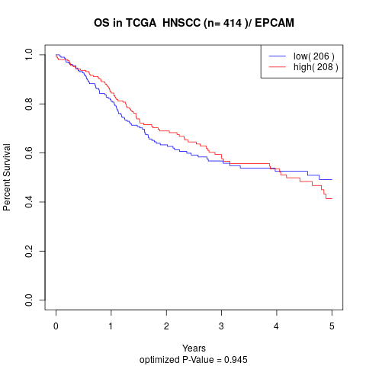

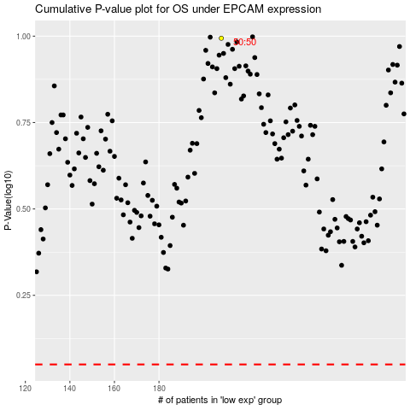

 |  |  |  |  |  | cases_OS | p_OS | rank | exp
 |  |  |  |  |  |  | cases_RFS | p_RFS | rank | exp

