EPGN _multivariate
Reported by Tex Li-Hsing Chi. tex@gate.sinica.edu.tw 2019-08-20

Table 2. The clinicopathological features of HNSCC cohort and EPGN expression. (Chi square test)
Cutoff at -0.409 (50.0%)
 |  | EPGN expression |  | EPGN expression |  | (Optimised)
 | Features | Low | (%) | High | (%) | Case no | P-value | Remark | Matthews
Gender | Female | 164 | 39.5 | 142 | 34.2 | 415 | 0.0153 | 1 | 0
2 | Male | 43 | 10.4 | 66 | 15.9
Age at diagnosis | <=65y | 135 | 32.5 | 139 | 33.5 | 415 | 0.8084 | 0 | 0
4 | >65y | 72 | 17.3 | 69 | 16.6
Clinical T Status | T1+T2 | 72 | 17.3 | 77 | 18.6 | 415 | 0.7095 | 0 | 0
6 | T3+T4 | 135 | 32.5 | 131 | 31.6
Clinical N Status | N0 | 98 | 23.6 | 118 | 28.4 | 415 | 0.0694 | 0 | 0
8 | N1-3 | 109 | 26.3 | 90 | 21.7
Clinical M Status | M0 | 206 | 49.6 | 206 | 49.6 | 415 | 1 | 0 | 0
10 | M1 | 1 | 0.2 | 2 | 0.5
Clinical Stage | Stage I+II | 44 | 10.6 | 58 | 14 | 415 | 0.1459 | 0 | 0
12 | Stage III+IV | 163 | 39.3 | 150 | 36.1
Surgical Margin status | Negative | 158 | 38.1 | 160 | 38.6 | 415 | 0.9081 | 0 | 0
14 | Positive | 49 | 11.8 | 48 | 11.6
Tobacco Exposure | Low | 70 | 16.9 | 91 | 21.9 | 415 | 0.0439 | 1 | 0
16 | High | 137 | 33 | 117 | 28.2

Table 3. Univariate/Multivariate Cox's proportional hazards regression analyses on OS time of EPGN gene expression in HNSCC

 |  | Univariate |  |  |  | Multivariate
 | Features | HR | CI95%(L) | CI95%(H) | P-value | HR | CI95%(L) | CI95%(H) | P-value
1 | Female | 1 |  |  |  | 1
Gender | Male | 1.157 | 0.843 | 1.587 | 0.367 | 1.217 | 0.869 | 1.704 | 0.253
11 | <=65y | 1 |  |  |  | 1
Age at diagnosis | >65y | 1.329 | 0.99 | 1.784 | 0.058 | 1.387 | 1.021 | 1.885 | 0.037
12 | T1+T2 | 1 |  |  |  | 1
Clinical T Status | T3+T4 | 1.409 | 1.028 | 1.931 | 0.033 | 2.222 | 1.174 | 4.205 | 0.014
13 | N0 | 1 |  |  |  | 1
Clinical N Status | N1-3 | 1.185 | 0.89 | 1.577 | 0.246 | 1.231 | 0.862 | 1.759 | 0.253
14 | M0 | 1 |  |  |  | 1
Clinical M Status | M1 | 4.097 | 1.009 | 16.644 | 0.049 | 9.854 | 2.136 | 45.46 | 0.003
15 | Stage I+II | 1 |  |  |  | 1
Clinical Stage | Stage III+IV | 1.245 | 0.882 | 1.759 | 0.213 | 0.495 | 0.23 | 1.064 | 0.072
16 | Negative | 1 |  |  |  | 1
Surgical Margin status | Positive | 1.591 | 1.155 | 2.191 | 0.004 | 1.678 | 1.214 | 2.32 | 0.002
17 | Low | 1 |  |  |  | 1
Tobacco Exposure | High | 1.364 | 1.008 | 1.844 | 0.044 | 1.427 | 1.031 | 1.974 | 0.032
18 | Low | 1 |  |  |  | 1
RNAseq(z-score) | High | 0.894 | 0.669 | 1.194 | 0.446 | 0.902 | 0.666 | 1.222 | 0.506

Table 4. Univariate/Multivariate Cox's proportional hazards regression analyses on RFS time of EPGN gene expression in HNSCC

 |  | Univariate |  |  |  | Multivariate
 | Features | HR | CI95%(L) | CI95%(H) | P-value | HR | CI95%(L) | CI95%(H) | P-value
1 | Female | 1 |  |  |  | 1
Gender | Male | 1.157 | 0.843 | 1.587 | 0.367 | 1.217 | 0.869 | 1.704 | 0.253
11 | <=65y | 1 |  |  |  | 1
Age at diagnosis | >65y | 1.329 | 0.99 | 1.784 | 0.058 | 1.387 | 1.021 | 1.885 | 0.037
12 | T1+T2 | 1 |  |  |  | 1
Clinical T Status | T3+T4 | 1.409 | 1.028 | 1.931 | 0.033 | 2.222 | 1.174 | 4.205 | 0.014
13 | N0 | 1 |  |  |  | 1
Clinical N Status | N1-3 | 1.185 | 0.89 | 1.577 | 0.246 | 1.231 | 0.862 | 1.759 | 0.253
14 | M0 | 1 |  |  |  | 1
Clinical M Status | M1 | 4.097 | 1.009 | 16.644 | 0.049 | 9.854 | 2.136 | 45.46 | 0.003
15 | Stage I+II | 1 |  |  |  | 1
Clinical Stage | Stage III+IV | 1.245 | 0.882 | 1.759 | 0.213 | 0.495 | 0.23 | 1.064 | 0.072
16 | Negative | 1 |  |  |  | 1
Surgical Margin status | Positive | 1.591 | 1.155 | 2.191 | 0.004 | 1.678 | 1.214 | 2.32 | 0.002
17 | Low | 1 |  |  |  | 1
Tobacco Exposure | High | 1.364 | 1.008 | 1.844 | 0.044 | 1.427 | 1.031 | 1.974 | 0.032
18 | Low | 1 |  |  |  | 1
RNAseq(z-score) | High | 0.894 | 0.669 | 1.194 | 0.446 | 0.902 | 0.666 | 1.222 | 0.506

Kaplan-Meier survival estimate: Cutoff at -0.409 (50.0%)



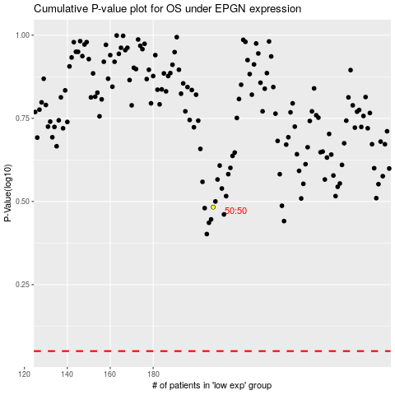

 |  |  |  |  |  | cases_OS | p_OS | rank | exp
 |  |  |  |  |  |  | cases_RFS | p_RFS | rank | exp

