EPHB1 _multivariate
Reported by Tex Li-Hsing Chi. tex@gate.sinica.edu.tw 2019-08-20

Table 2. The clinicopathological features of HNSCC cohort and EPHB1 expression. (Chi square test)
Cutoff at -0.34 (50.0%)
 |  | EPHB1 expression |  | EPHB1 expression |  | (Optimised)
 | Features | Low | (%) | High | (%) | Case no | P-value | Remark | Matthews
Gender | Female | 149 | 35.9 | 157 | 37.8 | 415 | 0.4848 | 0 | 0
2 | Male | 58 | 14 | 51 | 12.3
Age at diagnosis | <=65y | 128 | 30.8 | 146 | 35.2 | 415 | 0.0904 | 0 | 0
4 | >65y | 79 | 19 | 62 | 14.9
Clinical T Status | T1+T2 | 63 | 15.2 | 86 | 20.7 | 415 | 0.0268 | 1 | 0
6 | T3+T4 | 144 | 34.7 | 122 | 29.4
Clinical N Status | N0 | 99 | 23.9 | 117 | 28.2 | 415 | 0.1054 | 0 | 0
8 | N1-3 | 108 | 26 | 91 | 21.9
Clinical M Status | M0 | 204 | 49.2 | 208 | 50.1 | 415 | 0.1232 | 0 | 0
10 | M1 | 3 | 0.7 | 0 | 0
Clinical Stage | Stage I+II | 42 | 10.1 | 60 | 14.5 | 415 | 0.0561 | 0 | 0
12 | Stage III+IV | 165 | 39.8 | 148 | 35.7
Surgical Margin status | Negative | 157 | 37.8 | 161 | 38.8 | 415 | 0.729 | 0 | 0
14 | Positive | 50 | 12 | 47 | 11.3
Tobacco Exposure | Low | 82 | 19.8 | 79 | 19 | 415 | 0.763 | 0 | 0
16 | High | 125 | 30.1 | 129 | 31.1

Table 3. Univariate/Multivariate Cox's proportional hazards regression analyses on OS time of EPHB1 gene expression in HNSCC

 |  | Univariate |  |  |  | Multivariate
 | Features | HR | CI95%(L) | CI95%(H) | P-value | HR | CI95%(L) | CI95%(H) | P-value
1 | Female | 1 |  |  |  | 1
Gender | Male | 1.157 | 0.843 | 1.587 | 0.367 | 1.216 | 0.869 | 1.702 | 0.253
11 | <=65y | 1 |  |  |  | 1
Age at diagnosis | >65y | 1.329 | 0.99 | 1.784 | 0.058 | 1.396 | 1.027 | 1.899 | 0.033
12 | T1+T2 | 1 |  |  |  | 1
Clinical T Status | T3+T4 | 1.409 | 1.028 | 1.931 | 0.033 | 2.231 | 1.178 | 4.223 | 0.014
13 | N0 | 1 |  |  |  | 1
Clinical N Status | N1-3 | 1.185 | 0.89 | 1.577 | 0.246 | 1.251 | 0.876 | 1.786 | 0.218
14 | M0 | 1 |  |  |  | 1
Clinical M Status | M1 | 4.097 | 1.009 | 16.644 | 0.049 | 10.024 | 2.163 | 46.457 | 0.003
15 | Stage I+II | 1 |  |  |  | 1
Clinical Stage | Stage III+IV | 1.245 | 0.882 | 1.759 | 0.213 | 0.499 | 0.232 | 1.072 | 0.075
16 | Negative | 1 |  |  |  | 1
Surgical Margin status | Positive | 1.591 | 1.155 | 2.191 | 0.004 | 1.69 | 1.221 | 2.339 | 0.002
17 | Low | 1 |  |  |  | 1
Tobacco Exposure | High | 1.364 | 1.008 | 1.844 | 0.044 | 1.449 | 1.052 | 1.996 | 0.023
18 | Low | 1 |  |  |  | 1
RNAseq(z-score) | High | 0.986 | 0.74 | 1.314 | 0.925 | 1.11 | 0.827 | 1.49 | 0.486

Table 4. Univariate/Multivariate Cox's proportional hazards regression analyses on RFS time of EPHB1 gene expression in HNSCC

 |  | Univariate |  |  |  | Multivariate
 | Features | HR | CI95%(L) | CI95%(H) | P-value | HR | CI95%(L) | CI95%(H) | P-value
1 | Female | 1 |  |  |  | 1
Gender | Male | 1.157 | 0.843 | 1.587 | 0.367 | 1.216 | 0.869 | 1.702 | 0.253
11 | <=65y | 1 |  |  |  | 1
Age at diagnosis | >65y | 1.329 | 0.99 | 1.784 | 0.058 | 1.396 | 1.027 | 1.899 | 0.033
12 | T1+T2 | 1 |  |  |  | 1
Clinical T Status | T3+T4 | 1.409 | 1.028 | 1.931 | 0.033 | 2.231 | 1.178 | 4.223 | 0.014
13 | N0 | 1 |  |  |  | 1
Clinical N Status | N1-3 | 1.185 | 0.89 | 1.577 | 0.246 | 1.251 | 0.876 | 1.786 | 0.218
14 | M0 | 1 |  |  |  | 1
Clinical M Status | M1 | 4.097 | 1.009 | 16.644 | 0.049 | 10.024 | 2.163 | 46.457 | 0.003
15 | Stage I+II | 1 |  |  |  | 1
Clinical Stage | Stage III+IV | 1.245 | 0.882 | 1.759 | 0.213 | 0.499 | 0.232 | 1.072 | 0.075
16 | Negative | 1 |  |  |  | 1
Surgical Margin status | Positive | 1.591 | 1.155 | 2.191 | 0.004 | 1.69 | 1.221 | 2.339 | 0.002
17 | Low | 1 |  |  |  | 1
Tobacco Exposure | High | 1.364 | 1.008 | 1.844 | 0.044 | 1.449 | 1.052 | 1.996 | 0.023
18 | Low | 1 |  |  |  | 1
RNAseq(z-score) | High | 0.986 | 0.74 | 1.314 | 0.925 | 1.11 | 0.827 | 1.49 | 0.486

Kaplan-Meier survival estimate: Cutoff at -0.34 (50.0%)



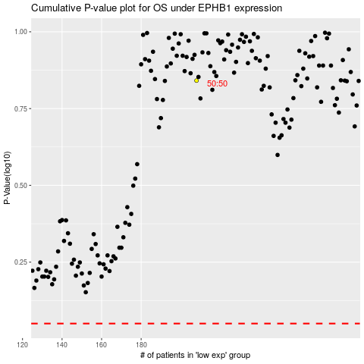

 |  |  |  |  |  | cases_OS | p_OS | rank | exp
 |  |  |  |  |  |  | cases_RFS | p_RFS | rank | exp

