EPHX1 _multivariate
Reported by Tex Li-Hsing Chi. tex@gate.sinica.edu.tw 2019-08-20

Table 2. The clinicopathological features of HNSCC cohort and EPHX1 expression. (Chi square test)
Cutoff at -0.432 (49.8%)
 |  | EPHX1 expression |  | EPHX1 expression |  | (Optimised)
 | Features | Low | (%) | High | (%) | Case no | P-value | Remark | Matthews
Gender | Female | 142 | 34.2 | 164 | 39.5 | 415 | 0.0238 | 1 | 0
2 | Male | 65 | 15.7 | 44 | 10.6
Age at diagnosis | <=65y | 138 | 33.3 | 136 | 32.8 | 415 | 0.8634 | 0 | 0
4 | >65y | 69 | 16.6 | 72 | 17.3
Clinical T Status | T1+T2 | 79 | 19 | 70 | 16.9 | 415 | 0.3924 | 0 | 0
6 | T3+T4 | 128 | 30.8 | 138 | 33.3
Clinical N Status | N0 | 111 | 26.7 | 105 | 25.3 | 415 | 0.5875 | 0 | 0
8 | N1-3 | 96 | 23.1 | 103 | 24.8
Clinical M Status | M0 | 206 | 49.6 | 206 | 49.6 | 415 | 1 | 0 | 0
10 | M1 | 1 | 0.2 | 2 | 0.5
Clinical Stage | Stage I+II | 60 | 14.5 | 42 | 10.1 | 415 | 0.0493 | 1 | 0
12 | Stage III+IV | 147 | 35.4 | 166 | 40
Surgical Margin status | Negative | 161 | 38.8 | 157 | 37.8 | 415 | 0.6429 | 0 | 0
14 | Positive | 46 | 11.1 | 51 | 12.3
Tobacco Exposure | Low | 95 | 22.9 | 66 | 15.9 | 415 | 0.0035 | 1 | 0
16 | High | 112 | 27 | 142 | 34.2

Table 3. Univariate/Multivariate Cox's proportional hazards regression analyses on OS time of EPHX1 gene expression in HNSCC

 |  | Univariate |  |  |  | Multivariate
 | Features | HR | CI95%(L) | CI95%(H) | P-value | HR | CI95%(L) | CI95%(H) | P-value
1 | Female | 1 |  |  |  | 1
Gender | Male | 1.157 | 0.843 | 1.587 | 0.367 | 1.199 | 0.857 | 1.677 | 0.29
11 | <=65y | 1 |  |  |  | 1
Age at diagnosis | >65y | 1.329 | 0.99 | 1.784 | 0.058 | 1.394 | 1.025 | 1.896 | 0.034
12 | T1+T2 | 1 |  |  |  | 1
Clinical T Status | T3+T4 | 1.409 | 1.028 | 1.931 | 0.033 | 2.2 | 1.163 | 4.161 | 0.015
13 | N0 | 1 |  |  |  | 1
Clinical N Status | N1-3 | 1.185 | 0.89 | 1.577 | 0.246 | 1.241 | 0.87 | 1.771 | 0.234
14 | M0 | 1 |  |  |  | 1
Clinical M Status | M1 | 4.097 | 1.009 | 16.644 | 0.049 | 9.409 | 2.053 | 43.129 | 0.004
15 | Stage I+II | 1 |  |  |  | 1
Clinical Stage | Stage III+IV | 1.245 | 0.882 | 1.759 | 0.213 | 0.507 | 0.236 | 1.092 | 0.083
16 | Negative | 1 |  |  |  | 1
Surgical Margin status | Positive | 1.591 | 1.155 | 2.191 | 0.004 | 1.673 | 1.211 | 2.313 | 0.002
17 | Low | 1 |  |  |  | 1
Tobacco Exposure | High | 1.364 | 1.008 | 1.844 | 0.044 | 1.456 | 1.056 | 2.009 | 0.022
18 | Low | 1 |  |  |  | 1
RNAseq(z-score) | High | 1.047 | 0.785 | 1.396 | 0.756 | 0.976 | 0.726 | 1.313 | 0.875

Table 4. Univariate/Multivariate Cox's proportional hazards regression analyses on RFS time of EPHX1 gene expression in HNSCC

 |  | Univariate |  |  |  | Multivariate
 | Features | HR | CI95%(L) | CI95%(H) | P-value | HR | CI95%(L) | CI95%(H) | P-value
1 | Female | 1 |  |  |  | 1
Gender | Male | 1.157 | 0.843 | 1.587 | 0.367 | 1.199 | 0.857 | 1.677 | 0.29
11 | <=65y | 1 |  |  |  | 1
Age at diagnosis | >65y | 1.329 | 0.99 | 1.784 | 0.058 | 1.394 | 1.025 | 1.896 | 0.034
12 | T1+T2 | 1 |  |  |  | 1
Clinical T Status | T3+T4 | 1.409 | 1.028 | 1.931 | 0.033 | 2.2 | 1.163 | 4.161 | 0.015
13 | N0 | 1 |  |  |  | 1
Clinical N Status | N1-3 | 1.185 | 0.89 | 1.577 | 0.246 | 1.241 | 0.87 | 1.771 | 0.234
14 | M0 | 1 |  |  |  | 1
Clinical M Status | M1 | 4.097 | 1.009 | 16.644 | 0.049 | 9.409 | 2.053 | 43.129 | 0.004
15 | Stage I+II | 1 |  |  |  | 1
Clinical Stage | Stage III+IV | 1.245 | 0.882 | 1.759 | 0.213 | 0.507 | 0.236 | 1.092 | 0.083
16 | Negative | 1 |  |  |  | 1
Surgical Margin status | Positive | 1.591 | 1.155 | 2.191 | 0.004 | 1.673 | 1.211 | 2.313 | 0.002
17 | Low | 1 |  |  |  | 1
Tobacco Exposure | High | 1.364 | 1.008 | 1.844 | 0.044 | 1.456 | 1.056 | 2.009 | 0.022
18 | Low | 1 |  |  |  | 1
RNAseq(z-score) | High | 1.047 | 0.785 | 1.396 | 0.756 | 0.976 | 0.726 | 1.313 | 0.875

Kaplan-Meier survival estimate: Cutoff at -0.432 (49.8%)



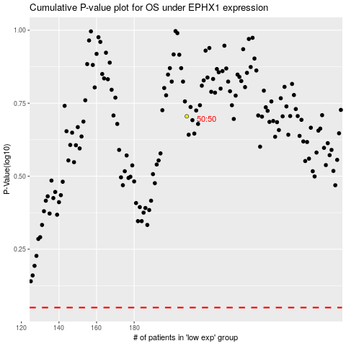

 |  |  |  |  |  | cases_OS | p_OS | rank | exp
 |  |  |  |  |  |  | cases_RFS | p_RFS | rank | exp

