EPM2A _multivariate
Reported by Tex Li-Hsing Chi. tex@gate.sinica.edu.tw 2019-08-20

Table 2. The clinicopathological features of HNSCC cohort and EPM2A expression. (Chi square test)
Cutoff at -0.204 (50.0%)
 |  | EPM2A expression |  | EPM2A expression |  | (Optimised)
 | Features | Low | (%) | High | (%) | Case no | P-value | Remark | Matthews
Gender | Female | 165 | 39.8 | 141 | 34 | 415 | 0.0081 | 1 | 0
2 | Male | 42 | 10.1 | 67 | 16.1
Age at diagnosis | <=65y | 143 | 34.5 | 131 | 31.6 | 415 | 0.2269 | 0 | 0
4 | >65y | 64 | 15.4 | 77 | 18.6
Clinical T Status | T1+T2 | 60 | 14.5 | 89 | 21.4 | 415 | 0.0047 | 1 | 0
6 | T3+T4 | 147 | 35.4 | 119 | 28.7
Clinical N Status | N0 | 103 | 24.8 | 113 | 27.2 | 415 | 0.4047 | 0 | 0
8 | N1-3 | 104 | 25.1 | 95 | 22.9
Clinical M Status | M0 | 204 | 49.2 | 208 | 50.1 | 415 | 0.1232 | 0 | 0
10 | M1 | 3 | 0.7 | 0 | 0
Clinical Stage | Stage I+II | 40 | 9.6 | 62 | 14.9 | 415 | 0.018 | 1 | 0
12 | Stage III+IV | 167 | 40.2 | 146 | 35.2
Surgical Margin status | Negative | 167 | 40.2 | 151 | 36.4 | 415 | 0.0632 | 0 | 0
14 | Positive | 40 | 9.6 | 57 | 13.7
Tobacco Exposure | Low | 63 | 15.2 | 98 | 23.6 | 415 | 6e-04 | 1 | 0
16 | High | 144 | 34.7 | 110 | 26.5

Table 3. Univariate/Multivariate Cox's proportional hazards regression analyses on OS time of EPM2A gene expression in HNSCC

 |  | Univariate |  |  |  | Multivariate
 | Features | HR | CI95%(L) | CI95%(H) | P-value | HR | CI95%(L) | CI95%(H) | P-value
1 | Female | 1 |  |  |  | 1
Gender | Male | 1.157 | 0.843 | 1.587 | 0.367 | 1.21 | 0.866 | 1.693 | 0.264
11 | <=65y | 1 |  |  |  | 1
Age at diagnosis | >65y | 1.329 | 0.99 | 1.784 | 0.058 | 1.396 | 1.026 | 1.897 | 0.033
12 | T1+T2 | 1 |  |  |  | 1
Clinical T Status | T3+T4 | 1.409 | 1.028 | 1.931 | 0.033 | 2.18 | 1.152 | 4.124 | 0.017
13 | N0 | 1 |  |  |  | 1
Clinical N Status | N1-3 | 1.185 | 0.89 | 1.577 | 0.246 | 1.253 | 0.877 | 1.791 | 0.215
14 | M0 | 1 |  |  |  | 1
Clinical M Status | M1 | 4.097 | 1.009 | 16.644 | 0.049 | 8.901 | 1.926 | 41.132 | 0.005
15 | Stage I+II | 1 |  |  |  | 1
Clinical Stage | Stage III+IV | 1.245 | 0.882 | 1.759 | 0.213 | 0.501 | 0.233 | 1.075 | 0.076
16 | Negative | 1 |  |  |  | 1
Surgical Margin status | Positive | 1.591 | 1.155 | 2.191 | 0.004 | 1.685 | 1.219 | 2.331 | 0.002
17 | Low | 1 |  |  |  | 1
Tobacco Exposure | High | 1.364 | 1.008 | 1.844 | 0.044 | 1.443 | 1.046 | 1.991 | 0.026
18 | Low | 1 |  |  |  | 1
RNAseq(z-score) | High | 0.881 | 0.661 | 1.174 | 0.386 | 0.903 | 0.673 | 1.213 | 0.499

Table 4. Univariate/Multivariate Cox's proportional hazards regression analyses on RFS time of EPM2A gene expression in HNSCC

 |  | Univariate |  |  |  | Multivariate
 | Features | HR | CI95%(L) | CI95%(H) | P-value | HR | CI95%(L) | CI95%(H) | P-value
1 | Female | 1 |  |  |  | 1
Gender | Male | 1.157 | 0.843 | 1.587 | 0.367 | 1.21 | 0.866 | 1.693 | 0.264
11 | <=65y | 1 |  |  |  | 1
Age at diagnosis | >65y | 1.329 | 0.99 | 1.784 | 0.058 | 1.396 | 1.026 | 1.897 | 0.033
12 | T1+T2 | 1 |  |  |  | 1
Clinical T Status | T3+T4 | 1.409 | 1.028 | 1.931 | 0.033 | 2.18 | 1.152 | 4.124 | 0.017
13 | N0 | 1 |  |  |  | 1
Clinical N Status | N1-3 | 1.185 | 0.89 | 1.577 | 0.246 | 1.253 | 0.877 | 1.791 | 0.215
14 | M0 | 1 |  |  |  | 1
Clinical M Status | M1 | 4.097 | 1.009 | 16.644 | 0.049 | 8.901 | 1.926 | 41.132 | 0.005
15 | Stage I+II | 1 |  |  |  | 1
Clinical Stage | Stage III+IV | 1.245 | 0.882 | 1.759 | 0.213 | 0.501 | 0.233 | 1.075 | 0.076
16 | Negative | 1 |  |  |  | 1
Surgical Margin status | Positive | 1.591 | 1.155 | 2.191 | 0.004 | 1.685 | 1.219 | 2.331 | 0.002
17 | Low | 1 |  |  |  | 1
Tobacco Exposure | High | 1.364 | 1.008 | 1.844 | 0.044 | 1.443 | 1.046 | 1.991 | 0.026
18 | Low | 1 |  |  |  | 1
RNAseq(z-score) | High | 0.881 | 0.661 | 1.174 | 0.386 | 0.903 | 0.673 | 1.213 | 0.499

Kaplan-Meier survival estimate: Cutoff at -0.204 (50.0%)



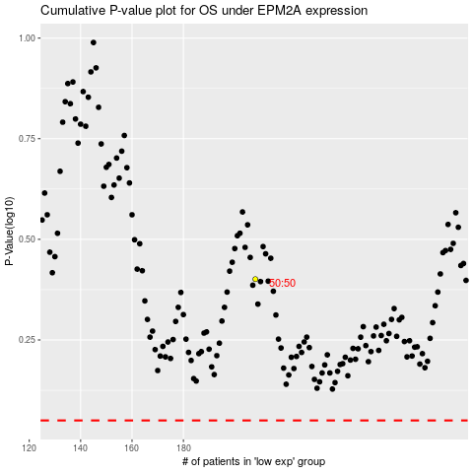

 |  |  |  |  |  | cases_OS | p_OS | rank | exp
 |  |  |  |  |  |  | cases_RFS | p_RFS | rank | exp

