EPS15L1 _multivariate
Reported by Tex Li-Hsing Chi. tex@gate.sinica.edu.tw 2019-08-20

Table 2. The clinicopathological features of HNSCC cohort and EPS15L1 expression. (Chi square test)
Cutoff at -0.221 (50.0%)
 |  | EPS15L1 expression |  | EPS15L1 expression |  | (Optimised)
 | Features | Low | (%) | High | (%) | Case no | P-value | Remark | Matthews
Gender | Female | 152 | 36.6 | 154 | 37.1 | 415 | 0.9766 | 0 | 0
2 | Male | 55 | 13.3 | 54 | 13
Age at diagnosis | <=65y | 132 | 31.8 | 142 | 34.2 | 415 | 0.3874 | 0 | 0
4 | >65y | 75 | 18.1 | 66 | 15.9
Clinical T Status | T1+T2 | 84 | 20.2 | 65 | 15.7 | 415 | 0.0603 | 0 | 0
6 | T3+T4 | 123 | 29.6 | 143 | 34.5
Clinical N Status | N0 | 102 | 24.6 | 114 | 27.5 | 415 | 0.3031 | 0 | 0
8 | N1-3 | 105 | 25.3 | 94 | 22.7
Clinical M Status | M0 | 205 | 49.4 | 207 | 49.9 | 415 | 0.6232 | 0 | 0
10 | M1 | 2 | 0.5 | 1 | 0.2
Clinical Stage | Stage I+II | 57 | 13.7 | 45 | 10.8 | 415 | 0.1998 | 0 | 0
12 | Stage III+IV | 150 | 36.1 | 163 | 39.3
Surgical Margin status | Negative | 156 | 37.6 | 162 | 39 | 415 | 0.5636 | 0 | 0
14 | Positive | 51 | 12.3 | 46 | 11.1
Tobacco Exposure | Low | 96 | 23.1 | 65 | 15.7 | 415 | 0.0018 | 1 | 0
16 | High | 111 | 26.7 | 143 | 34.5

Table 3. Univariate/Multivariate Cox's proportional hazards regression analyses on OS time of EPS15L1 gene expression in HNSCC

 |  | Univariate |  |  |  | Multivariate
 | Features | HR | CI95%(L) | CI95%(H) | P-value | HR | CI95%(L) | CI95%(H) | P-value
1 | Female | 1 |  |  |  | 1
Gender | Male | 1.157 | 0.843 | 1.587 | 0.367 | 1.2 | 0.859 | 1.677 | 0.285
11 | <=65y | 1 |  |  |  | 1
Age at diagnosis | >65y | 1.329 | 0.99 | 1.784 | 0.058 | 1.384 | 1.017 | 1.884 | 0.038
12 | T1+T2 | 1 |  |  |  | 1
Clinical T Status | T3+T4 | 1.409 | 1.028 | 1.931 | 0.033 | 2.215 | 1.17 | 4.192 | 0.015
13 | N0 | 1 |  |  |  | 1
Clinical N Status | N1-3 | 1.185 | 0.89 | 1.577 | 0.246 | 1.233 | 0.863 | 1.761 | 0.25
14 | M0 | 1 |  |  |  | 1
Clinical M Status | M1 | 4.097 | 1.009 | 16.644 | 0.049 | 9.366 | 2.043 | 42.945 | 0.004
15 | Stage I+II | 1 |  |  |  | 1
Clinical Stage | Stage III+IV | 1.245 | 0.882 | 1.759 | 0.213 | 0.508 | 0.237 | 1.092 | 0.083
16 | Negative | 1 |  |  |  | 1
Surgical Margin status | Positive | 1.591 | 1.155 | 2.191 | 0.004 | 1.67 | 1.209 | 2.308 | 0.002
17 | Low | 1 |  |  |  | 1
Tobacco Exposure | High | 1.364 | 1.008 | 1.844 | 0.044 | 1.462 | 1.06 | 2.016 | 0.021
18 | Low | 1 |  |  |  | 1
RNAseq(z-score) | High | 0.951 | 0.712 | 1.271 | 0.735 | 0.936 | 0.696 | 1.258 | 0.66

Table 4. Univariate/Multivariate Cox's proportional hazards regression analyses on RFS time of EPS15L1 gene expression in HNSCC

 |  | Univariate |  |  |  | Multivariate
 | Features | HR | CI95%(L) | CI95%(H) | P-value | HR | CI95%(L) | CI95%(H) | P-value
1 | Female | 1 |  |  |  | 1
Gender | Male | 1.157 | 0.843 | 1.587 | 0.367 | 1.2 | 0.859 | 1.677 | 0.285
11 | <=65y | 1 |  |  |  | 1
Age at diagnosis | >65y | 1.329 | 0.99 | 1.784 | 0.058 | 1.384 | 1.017 | 1.884 | 0.038
12 | T1+T2 | 1 |  |  |  | 1
Clinical T Status | T3+T4 | 1.409 | 1.028 | 1.931 | 0.033 | 2.215 | 1.17 | 4.192 | 0.015
13 | N0 | 1 |  |  |  | 1
Clinical N Status | N1-3 | 1.185 | 0.89 | 1.577 | 0.246 | 1.233 | 0.863 | 1.761 | 0.25
14 | M0 | 1 |  |  |  | 1
Clinical M Status | M1 | 4.097 | 1.009 | 16.644 | 0.049 | 9.366 | 2.043 | 42.945 | 0.004
15 | Stage I+II | 1 |  |  |  | 1
Clinical Stage | Stage III+IV | 1.245 | 0.882 | 1.759 | 0.213 | 0.508 | 0.237 | 1.092 | 0.083
16 | Negative | 1 |  |  |  | 1
Surgical Margin status | Positive | 1.591 | 1.155 | 2.191 | 0.004 | 1.67 | 1.209 | 2.308 | 0.002
17 | Low | 1 |  |  |  | 1
Tobacco Exposure | High | 1.364 | 1.008 | 1.844 | 0.044 | 1.462 | 1.06 | 2.016 | 0.021
18 | Low | 1 |  |  |  | 1
RNAseq(z-score) | High | 0.951 | 0.712 | 1.271 | 0.735 | 0.936 | 0.696 | 1.258 | 0.66

Kaplan-Meier survival estimate: Cutoff at -0.221 (50.0%)



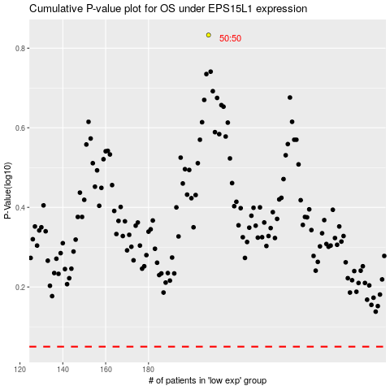

 |  |  |  |  |  | cases_OS | p_OS | rank | exp
 |  |  |  |  |  |  | cases_RFS | p_RFS | rank | exp

