EPS8 _multivariate
Reported by Tex Li-Hsing Chi. tex@gate.sinica.edu.tw 2019-08-20

Table 2. The clinicopathological features of HNSCC cohort and EPS8 expression. (Chi square test)
Cutoff at -0.383 (49.8%)
 |  | EPS8 expression |  | EPS8 expression |  | (Optimised)
 | Features | Low | (%) | High | (%) | Case no | P-value | Remark | Matthews
Gender | Female | 151 | 36.4 | 155 | 37.3 | 415 | 0.8007 | 0 | 0
2 | Male | 56 | 13.5 | 53 | 12.8
Age at diagnosis | <=65y | 137 | 33 | 137 | 33 | 415 | 1 | 0 | 0
4 | >65y | 70 | 16.9 | 71 | 17.1
Clinical T Status | T1+T2 | 75 | 18.1 | 74 | 17.8 | 415 | 0.9707 | 0 | 0
6 | T3+T4 | 132 | 31.8 | 134 | 32.3
Clinical N Status | N0 | 119 | 28.7 | 97 | 23.4 | 415 | 0.0345 | 1 | 0
8 | N1-3 | 88 | 21.2 | 111 | 26.7
Clinical M Status | M0 | 205 | 49.4 | 207 | 49.9 | 415 | 0.6232 | 0 | 0
10 | M1 | 2 | 0.5 | 1 | 0.2
Clinical Stage | Stage I+II | 55 | 13.3 | 47 | 11.3 | 415 | 0.4087 | 0 | 0
12 | Stage III+IV | 152 | 36.6 | 161 | 38.8
Surgical Margin status | Negative | 158 | 38.1 | 160 | 38.6 | 415 | 0.9081 | 0 | 0
14 | Positive | 49 | 11.8 | 48 | 11.6
Tobacco Exposure | Low | 96 | 23.1 | 65 | 15.7 | 415 | 0.0018 | 1 | 0
16 | High | 111 | 26.7 | 143 | 34.5

Table 3. Univariate/Multivariate Cox's proportional hazards regression analyses on OS time of EPS8 gene expression in HNSCC

 |  | Univariate |  |  |  | Multivariate
 | Features | HR | CI95%(L) | CI95%(H) | P-value | HR | CI95%(L) | CI95%(H) | P-value
1 | Female | 1 |  |  |  | 1
Gender | Male | 1.157 | 0.843 | 1.587 | 0.367 | 1.203 | 0.861 | 1.681 | 0.279
11 | <=65y | 1 |  |  |  | 1
Age at diagnosis | >65y | 1.329 | 0.99 | 1.784 | 0.058 | 1.391 | 1.023 | 1.891 | 0.035
12 | T1+T2 | 1 |  |  |  | 1
Clinical T Status | T3+T4 | 1.409 | 1.028 | 1.931 | 0.033 | 2.207 | 1.166 | 4.176 | 0.015
13 | N0 | 1 |  |  |  | 1
Clinical N Status | N1-3 | 1.185 | 0.89 | 1.577 | 0.246 | 1.238 | 0.866 | 1.769 | 0.241
14 | M0 | 1 |  |  |  | 1
Clinical M Status | M1 | 4.097 | 1.009 | 16.644 | 0.049 | 9.499 | 2.06 | 43.806 | 0.004
15 | Stage I+II | 1 |  |  |  | 1
Clinical Stage | Stage III+IV | 1.245 | 0.882 | 1.759 | 0.213 | 0.503 | 0.234 | 1.081 | 0.078
16 | Negative | 1 |  |  |  | 1
Surgical Margin status | Positive | 1.591 | 1.155 | 2.191 | 0.004 | 1.673 | 1.211 | 2.313 | 0.002
17 | Low | 1 |  |  |  | 1
Tobacco Exposure | High | 1.364 | 1.008 | 1.844 | 0.044 | 1.448 | 1.047 | 2.002 | 0.025
18 | Low | 1 |  |  |  | 1
RNAseq(z-score) | High | 1.037 | 0.776 | 1.386 | 0.805 | 1.022 | 0.759 | 1.376 | 0.886

Table 4. Univariate/Multivariate Cox's proportional hazards regression analyses on RFS time of EPS8 gene expression in HNSCC

 |  | Univariate |  |  |  | Multivariate
 | Features | HR | CI95%(L) | CI95%(H) | P-value | HR | CI95%(L) | CI95%(H) | P-value
1 | Female | 1 |  |  |  | 1
Gender | Male | 1.157 | 0.843 | 1.587 | 0.367 | 1.203 | 0.861 | 1.681 | 0.279
11 | <=65y | 1 |  |  |  | 1
Age at diagnosis | >65y | 1.329 | 0.99 | 1.784 | 0.058 | 1.391 | 1.023 | 1.891 | 0.035
12 | T1+T2 | 1 |  |  |  | 1
Clinical T Status | T3+T4 | 1.409 | 1.028 | 1.931 | 0.033 | 2.207 | 1.166 | 4.176 | 0.015
13 | N0 | 1 |  |  |  | 1
Clinical N Status | N1-3 | 1.185 | 0.89 | 1.577 | 0.246 | 1.238 | 0.866 | 1.769 | 0.241
14 | M0 | 1 |  |  |  | 1
Clinical M Status | M1 | 4.097 | 1.009 | 16.644 | 0.049 | 9.499 | 2.06 | 43.806 | 0.004
15 | Stage I+II | 1 |  |  |  | 1
Clinical Stage | Stage III+IV | 1.245 | 0.882 | 1.759 | 0.213 | 0.503 | 0.234 | 1.081 | 0.078
16 | Negative | 1 |  |  |  | 1
Surgical Margin status | Positive | 1.591 | 1.155 | 2.191 | 0.004 | 1.673 | 1.211 | 2.313 | 0.002
17 | Low | 1 |  |  |  | 1
Tobacco Exposure | High | 1.364 | 1.008 | 1.844 | 0.044 | 1.448 | 1.047 | 2.002 | 0.025
18 | Low | 1 |  |  |  | 1
RNAseq(z-score) | High | 1.037 | 0.776 | 1.386 | 0.805 | 1.022 | 0.759 | 1.376 | 0.886

Kaplan-Meier survival estimate: Cutoff at -0.383 (49.8%)



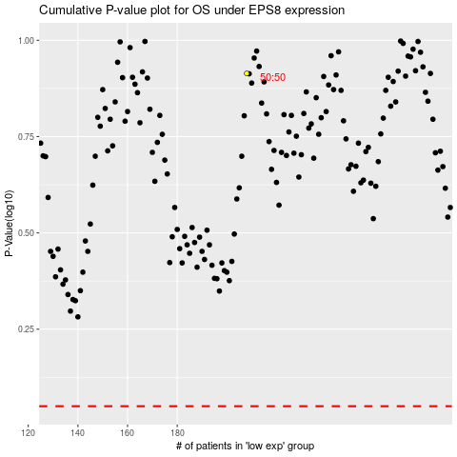

 |  |  |  |  |  | cases_OS | p_OS | rank | exp
 |  |  |  |  |  |  | cases_RFS | p_RFS | rank | exp

