EPS8L1 _multivariate
Reported by Tex Li-Hsing Chi. tex@gate.sinica.edu.tw 2019-08-20

Table 2. The clinicopathological features of HNSCC cohort and EPS8L1 expression. (Chi square test)
Cutoff at -0.327 (50.0%)
 |  | EPS8L1 expression |  | EPS8L1 expression |  | (Optimised)
 | Features | Low | (%) | High | (%) | Case no | P-value | Remark | Matthews
Gender | Female | 163 | 39.3 | 143 | 34.5 | 415 | 0.0277 | 1 | 0
2 | Male | 44 | 10.6 | 65 | 15.7
Age at diagnosis | <=65y | 141 | 34 | 133 | 32 | 415 | 0.4272 | 0 | 0
4 | >65y | 66 | 15.9 | 75 | 18.1
Clinical T Status | T1+T2 | 85 | 20.5 | 64 | 15.4 | 415 | 0.0372 | 1 | 0
6 | T3+T4 | 122 | 29.4 | 144 | 34.7
Clinical N Status | N0 | 109 | 26.3 | 107 | 25.8 | 415 | 0.8812 | 0 | 0
8 | N1-3 | 98 | 23.6 | 101 | 24.3
Clinical M Status | M0 | 206 | 49.6 | 206 | 49.6 | 415 | 1 | 0 | 0
10 | M1 | 1 | 0.2 | 2 | 0.5
Clinical Stage | Stage I+II | 61 | 14.7 | 41 | 9.9 | 415 | 0.0282 | 1 | 0
12 | Stage III+IV | 146 | 35.2 | 167 | 40.2
Surgical Margin status | Negative | 162 | 39 | 156 | 37.6 | 415 | 0.4867 | 0 | 0
14 | Positive | 45 | 10.8 | 52 | 12.5
Tobacco Exposure | Low | 70 | 16.9 | 91 | 21.9 | 415 | 0.0439 | 1 | 0
16 | High | 137 | 33 | 117 | 28.2

Table 3. Univariate/Multivariate Cox's proportional hazards regression analyses on OS time of EPS8L1 gene expression in HNSCC

 |  | Univariate |  |  |  | Multivariate
 | Features | HR | CI95%(L) | CI95%(H) | P-value | HR | CI95%(L) | CI95%(H) | P-value
1 | Female | 1 |  |  |  | 1
Gender | Male | 1.157 | 0.843 | 1.587 | 0.367 | 1.243 | 0.887 | 1.741 | 0.206
11 | <=65y | 1 |  |  |  | 1
Age at diagnosis | >65y | 1.329 | 0.99 | 1.784 | 0.058 | 1.397 | 1.028 | 1.898 | 0.033
12 | T1+T2 | 1 |  |  |  | 1
Clinical T Status | T3+T4 | 1.409 | 1.028 | 1.931 | 0.033 | 2.219 | 1.174 | 4.193 | 0.014
13 | N0 | 1 |  |  |  | 1
Clinical N Status | N1-3 | 1.185 | 0.89 | 1.577 | 0.246 | 1.223 | 0.857 | 1.745 | 0.267
14 | M0 | 1 |  |  |  | 1
Clinical M Status | M1 | 4.097 | 1.009 | 16.644 | 0.049 | 10.292 | 2.237 | 47.358 | 0.003
15 | Stage I+II | 1 |  |  |  | 1
Clinical Stage | Stage III+IV | 1.245 | 0.882 | 1.759 | 0.213 | 0.522 | 0.243 | 1.121 | 0.095
16 | Negative | 1 |  |  |  | 1
Surgical Margin status | Positive | 1.591 | 1.155 | 2.191 | 0.004 | 1.706 | 1.234 | 2.358 | 0.001
17 | Low | 1 |  |  |  | 1
Tobacco Exposure | High | 1.364 | 1.008 | 1.844 | 0.044 | 1.449 | 1.052 | 1.996 | 0.023
18 | Low | 1 |  |  |  | 1
RNAseq(z-score) | High | 0.862 | 0.647 | 1.15 | 0.314 | 0.785 | 0.584 | 1.053 | 0.107

Table 4. Univariate/Multivariate Cox's proportional hazards regression analyses on RFS time of EPS8L1 gene expression in HNSCC

 |  | Univariate |  |  |  | Multivariate
 | Features | HR | CI95%(L) | CI95%(H) | P-value | HR | CI95%(L) | CI95%(H) | P-value
1 | Female | 1 |  |  |  | 1
Gender | Male | 1.157 | 0.843 | 1.587 | 0.367 | 1.243 | 0.887 | 1.741 | 0.206
11 | <=65y | 1 |  |  |  | 1
Age at diagnosis | >65y | 1.329 | 0.99 | 1.784 | 0.058 | 1.397 | 1.028 | 1.898 | 0.033
12 | T1+T2 | 1 |  |  |  | 1
Clinical T Status | T3+T4 | 1.409 | 1.028 | 1.931 | 0.033 | 2.219 | 1.174 | 4.193 | 0.014
13 | N0 | 1 |  |  |  | 1
Clinical N Status | N1-3 | 1.185 | 0.89 | 1.577 | 0.246 | 1.223 | 0.857 | 1.745 | 0.267
14 | M0 | 1 |  |  |  | 1
Clinical M Status | M1 | 4.097 | 1.009 | 16.644 | 0.049 | 10.292 | 2.237 | 47.358 | 0.003
15 | Stage I+II | 1 |  |  |  | 1
Clinical Stage | Stage III+IV | 1.245 | 0.882 | 1.759 | 0.213 | 0.522 | 0.243 | 1.121 | 0.095
16 | Negative | 1 |  |  |  | 1
Surgical Margin status | Positive | 1.591 | 1.155 | 2.191 | 0.004 | 1.706 | 1.234 | 2.358 | 0.001
17 | Low | 1 |  |  |  | 1
Tobacco Exposure | High | 1.364 | 1.008 | 1.844 | 0.044 | 1.449 | 1.052 | 1.996 | 0.023
18 | Low | 1 |  |  |  | 1
RNAseq(z-score) | High | 0.862 | 0.647 | 1.15 | 0.314 | 0.785 | 0.584 | 1.053 | 0.107

Kaplan-Meier survival estimate: Cutoff at -0.327 (50.0%)



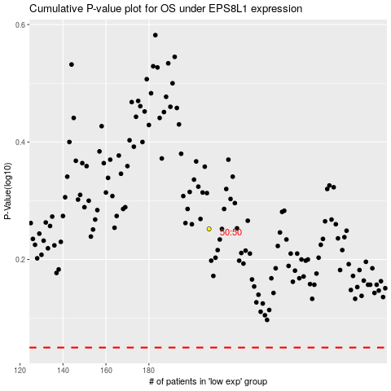

 |  |  |  |  |  | cases_OS | p_OS | rank | exp
 |  |  |  |  |  |  | cases_RFS | p_RFS | rank | exp

