EPSTI1 _multivariate
Reported by Tex Li-Hsing Chi. tex@gate.sinica.edu.tw 2019-08-20

Table 2. The clinicopathological features of HNSCC cohort and EPSTI1 expression. (Chi square test)
Cutoff at -0.273 (50.0%)
 |  | EPSTI1 expression |  | EPSTI1 expression |  | (Optimised)
 | Features | Low | (%) | High | (%) | Case no | P-value | Remark | Matthews
Gender | Female | 161 | 38.8 | 145 | 34.9 | 415 | 0.0792 | 0 | 0
2 | Male | 46 | 11.1 | 63 | 15.2
Age at diagnosis | <=65y | 141 | 34 | 133 | 32 | 415 | 0.4272 | 0 | 0
4 | >65y | 66 | 15.9 | 75 | 18.1
Clinical T Status | T1+T2 | 67 | 16.1 | 82 | 19.8 | 415 | 0.1628 | 0 | 0
6 | T3+T4 | 140 | 33.7 | 126 | 30.4
Clinical N Status | N0 | 114 | 27.5 | 102 | 24.6 | 415 | 0.2576 | 1 | 0
8 | N1-3 | 93 | 22.4 | 106 | 25.5
Clinical M Status | M0 | 207 | 49.9 | 205 | 49.4 | 415 | 0.2482 | 0 | 0
10 | M1 | 0 | 0 | 3 | 0.7
Clinical Stage | Stage I+II | 46 | 11.1 | 56 | 13.5 | 415 | 0.3182 | 0 | 0
12 | Stage III+IV | 161 | 38.8 | 152 | 36.6
Surgical Margin status | Negative | 165 | 39.8 | 153 | 36.9 | 415 | 0.1639 | 0 | 0
14 | Positive | 42 | 10.1 | 55 | 13.3
Tobacco Exposure | Low | 64 | 15.4 | 97 | 23.4 | 415 | 0.0012 | 1 | 0
16 | High | 143 | 34.5 | 111 | 26.7

Table 3. Univariate/Multivariate Cox's proportional hazards regression analyses on OS time of EPSTI1 gene expression in HNSCC

 |  | Univariate |  |  |  | Multivariate
 | Features | HR | CI95%(L) | CI95%(H) | P-value | HR | CI95%(L) | CI95%(H) | P-value
1 | Female | 1 |  |  |  | 1
Gender | Male | 1.157 | 0.843 | 1.587 | 0.367 | 1.186 | 0.848 | 1.659 | 0.318
11 | <=65y | 1 |  |  |  | 1
Age at diagnosis | >65y | 1.329 | 0.99 | 1.784 | 0.058 | 1.38 | 1.014 | 1.877 | 0.041
12 | T1+T2 | 1 |  |  |  | 1
Clinical T Status | T3+T4 | 1.409 | 1.028 | 1.931 | 0.033 | 2.161 | 1.142 | 4.091 | 0.018
13 | N0 | 1 |  |  |  | 1
Clinical N Status | N1-3 | 1.185 | 0.89 | 1.577 | 0.246 | 1.201 | 0.839 | 1.72 | 0.318
14 | M0 | 1 |  |  |  | 1
Clinical M Status | M1 | 4.097 | 1.009 | 16.644 | 0.049 | 8.448 | 1.828 | 39.045 | 0.006
15 | Stage I+II | 1 |  |  |  | 1
Clinical Stage | Stage III+IV | 1.245 | 0.882 | 1.759 | 0.213 | 0.533 | 0.247 | 1.15 | 0.109
16 | Negative | 1 |  |  |  | 1
Surgical Margin status | Positive | 1.591 | 1.155 | 2.191 | 0.004 | 1.623 | 1.171 | 2.249 | 0.004
17 | Low | 1 |  |  |  | 1
Tobacco Exposure | High | 1.364 | 1.008 | 1.844 | 0.044 | 1.519 | 1.093 | 2.109 | 0.013
18 | Low | 1 |  |  |  | 1
RNAseq(z-score) | High | 1.246 | 0.932 | 1.666 | 0.137 | 1.219 | 0.895 | 1.66 | 0.209

Table 4. Univariate/Multivariate Cox's proportional hazards regression analyses on RFS time of EPSTI1 gene expression in HNSCC

 |  | Univariate |  |  |  | Multivariate
 | Features | HR | CI95%(L) | CI95%(H) | P-value | HR | CI95%(L) | CI95%(H) | P-value
1 | Female | 1 |  |  |  | 1
Gender | Male | 1.157 | 0.843 | 1.587 | 0.367 | 1.186 | 0.848 | 1.659 | 0.318
11 | <=65y | 1 |  |  |  | 1
Age at diagnosis | >65y | 1.329 | 0.99 | 1.784 | 0.058 | 1.38 | 1.014 | 1.877 | 0.041
12 | T1+T2 | 1 |  |  |  | 1
Clinical T Status | T3+T4 | 1.409 | 1.028 | 1.931 | 0.033 | 2.161 | 1.142 | 4.091 | 0.018
13 | N0 | 1 |  |  |  | 1
Clinical N Status | N1-3 | 1.185 | 0.89 | 1.577 | 0.246 | 1.201 | 0.839 | 1.72 | 0.318
14 | M0 | 1 |  |  |  | 1
Clinical M Status | M1 | 4.097 | 1.009 | 16.644 | 0.049 | 8.448 | 1.828 | 39.045 | 0.006
15 | Stage I+II | 1 |  |  |  | 1
Clinical Stage | Stage III+IV | 1.245 | 0.882 | 1.759 | 0.213 | 0.533 | 0.247 | 1.15 | 0.109
16 | Negative | 1 |  |  |  | 1
Surgical Margin status | Positive | 1.591 | 1.155 | 2.191 | 0.004 | 1.623 | 1.171 | 2.249 | 0.004
17 | Low | 1 |  |  |  | 1
Tobacco Exposure | High | 1.364 | 1.008 | 1.844 | 0.044 | 1.519 | 1.093 | 2.109 | 0.013
18 | Low | 1 |  |  |  | 1
RNAseq(z-score) | High | 1.246 | 0.932 | 1.666 | 0.137 | 1.219 | 0.895 | 1.66 | 0.209

Kaplan-Meier survival estimate: Cutoff at -0.273 (50.0%)



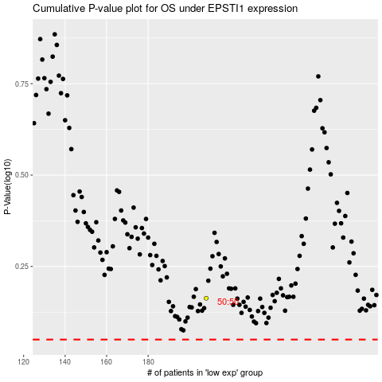

 |  |  |  |  |  | cases_OS | p_OS | rank | exp
 |  |  |  |  |  |  | cases_RFS | p_RFS | rank | exp

