ERAP1 _multivariate
Reported by Tex Li-Hsing Chi. tex@gate.sinica.edu.tw 2019-08-20

Table 2. The clinicopathological features of HNSCC cohort and ERAP1 expression. (Chi square test)
Cutoff at -0.189 (50.0%)
 |  | ERAP1 expression |  | ERAP1 expression |  | (Optimised)
 | Features | Low | (%) | High | (%) | Case no | P-value | Remark | Matthews
Gender | Female | 160 | 38.6 | 146 | 35.2 | 415 | 0.1254 | 0 | 0
2 | Male | 47 | 11.3 | 62 | 14.9
Age at diagnosis | <=65y | 139 | 33.5 | 135 | 32.5 | 415 | 0.7044 | 0 | 0
4 | >65y | 68 | 16.4 | 73 | 17.6
Clinical T Status | T1+T2 | 58 | 14 | 91 | 21.9 | 415 | 0.0012 | 1 | 0
6 | T3+T4 | 149 | 35.9 | 117 | 28.2
Clinical N Status | N0 | 119 | 28.7 | 97 | 23.4 | 415 | 0.0345 | 1 | 0
8 | N1-3 | 88 | 21.2 | 111 | 26.7
Clinical M Status | M0 | 205 | 49.4 | 207 | 49.9 | 415 | 0.6232 | 0 | 0
10 | M1 | 2 | 0.5 | 1 | 0.2
Clinical Stage | Stage I+II | 49 | 11.8 | 53 | 12.8 | 415 | 0.7535 | 0 | 0
12 | Stage III+IV | 158 | 38.1 | 155 | 37.3
Surgical Margin status | Negative | 161 | 38.8 | 157 | 37.8 | 415 | 0.6429 | 0 | 0
14 | Positive | 46 | 11.1 | 51 | 12.3
Tobacco Exposure | Low | 73 | 17.6 | 88 | 21.2 | 415 | 0.1587 | 0 | 0
16 | High | 134 | 32.3 | 120 | 28.9

Table 3. Univariate/Multivariate Cox's proportional hazards regression analyses on OS time of ERAP1 gene expression in HNSCC

 |  | Univariate |  |  |  | Multivariate
 | Features | HR | CI95%(L) | CI95%(H) | P-value | HR | CI95%(L) | CI95%(H) | P-value
1 | Female | 1 |  |  |  | 1
Gender | Male | 1.157 | 0.843 | 1.587 | 0.367 | 1.214 | 0.87 | 1.694 | 0.254
11 | <=65y | 1 |  |  |  | 1
Age at diagnosis | >65y | 1.329 | 0.99 | 1.784 | 0.058 | 1.382 | 1.016 | 1.88 | 0.039
12 | T1+T2 | 1 |  |  |  | 1
Clinical T Status | T3+T4 | 1.409 | 1.028 | 1.931 | 0.033 | 2.44 | 1.276 | 4.663 | 0.007
13 | N0 | 1 |  |  |  | 1
Clinical N Status | N1-3 | 1.185 | 0.89 | 1.577 | 0.246 | 1.221 | 0.855 | 1.742 | 0.272
14 | M0 | 1 |  |  |  | 1
Clinical M Status | M1 | 4.097 | 1.009 | 16.644 | 0.049 | 11.161 | 2.402 | 51.872 | 0.002
15 | Stage I+II | 1 |  |  |  | 1
Clinical Stage | Stage III+IV | 1.245 | 0.882 | 1.759 | 0.213 | 0.471 | 0.219 | 1.015 | 0.055
16 | Negative | 1 |  |  |  | 1
Surgical Margin status | Positive | 1.591 | 1.155 | 2.191 | 0.004 | 1.673 | 1.211 | 2.312 | 0.002
17 | Low | 1 |  |  |  | 1
Tobacco Exposure | High | 1.364 | 1.008 | 1.844 | 0.044 | 1.485 | 1.076 | 2.049 | 0.016
18 | Low | 1 |  |  |  | 1
RNAseq(z-score) | High | 1.126 | 0.845 | 1.5 | 0.418 | 1.279 | 0.952 | 1.72 | 0.103

Table 4. Univariate/Multivariate Cox's proportional hazards regression analyses on RFS time of ERAP1 gene expression in HNSCC

 |  | Univariate |  |  |  | Multivariate
 | Features | HR | CI95%(L) | CI95%(H) | P-value | HR | CI95%(L) | CI95%(H) | P-value
1 | Female | 1 |  |  |  | 1
Gender | Male | 1.157 | 0.843 | 1.587 | 0.367 | 1.214 | 0.87 | 1.694 | 0.254
11 | <=65y | 1 |  |  |  | 1
Age at diagnosis | >65y | 1.329 | 0.99 | 1.784 | 0.058 | 1.382 | 1.016 | 1.88 | 0.039
12 | T1+T2 | 1 |  |  |  | 1
Clinical T Status | T3+T4 | 1.409 | 1.028 | 1.931 | 0.033 | 2.44 | 1.276 | 4.663 | 0.007
13 | N0 | 1 |  |  |  | 1
Clinical N Status | N1-3 | 1.185 | 0.89 | 1.577 | 0.246 | 1.221 | 0.855 | 1.742 | 0.272
14 | M0 | 1 |  |  |  | 1
Clinical M Status | M1 | 4.097 | 1.009 | 16.644 | 0.049 | 11.161 | 2.402 | 51.872 | 0.002
15 | Stage I+II | 1 |  |  |  | 1
Clinical Stage | Stage III+IV | 1.245 | 0.882 | 1.759 | 0.213 | 0.471 | 0.219 | 1.015 | 0.055
16 | Negative | 1 |  |  |  | 1
Surgical Margin status | Positive | 1.591 | 1.155 | 2.191 | 0.004 | 1.673 | 1.211 | 2.312 | 0.002
17 | Low | 1 |  |  |  | 1
Tobacco Exposure | High | 1.364 | 1.008 | 1.844 | 0.044 | 1.485 | 1.076 | 2.049 | 0.016
18 | Low | 1 |  |  |  | 1
RNAseq(z-score) | High | 1.126 | 0.845 | 1.5 | 0.418 | 1.279 | 0.952 | 1.72 | 0.103

Kaplan-Meier survival estimate: Cutoff at -0.189 (50.0%)

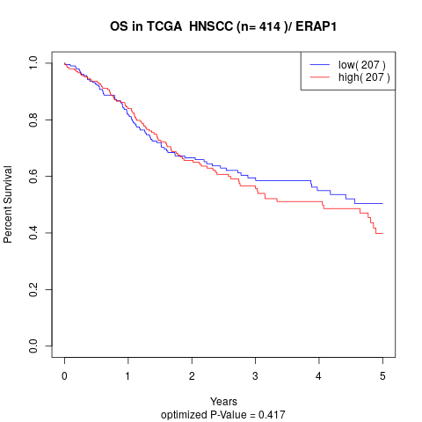

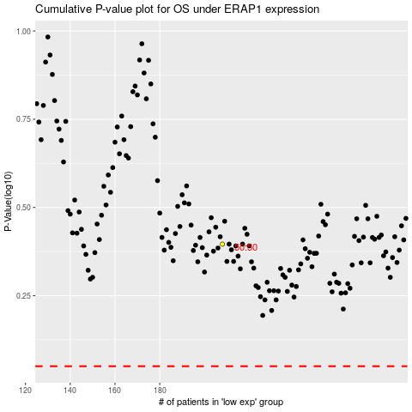

 |  |  |  |  |  | cases_OS | p_OS | rank | exp
 |  |  |  |  |  |  | cases_RFS | p_RFS | rank | exp

