ERAP2 _multivariate
Reported by Tex Li-Hsing Chi. tex@gate.sinica.edu.tw 2019-08-20

Table 2. The clinicopathological features of HNSCC cohort and ERAP2 expression. (Chi square test)
Cutoff at -0.386 (49.8%)
 |  | ERAP2 expression |  | ERAP2 expression |  | (Optimised)
 | Features | Low | (%) | High | (%) | Case no | P-value | Remark | Matthews
Gender | Female | 152 | 36.6 | 154 | 37.1 | 415 | 0.9766 | 0 | 0
2 | Male | 55 | 13.3 | 54 | 13
Age at diagnosis | <=65y | 136 | 32.8 | 138 | 33.3 | 415 | 0.9719 | 0 | 0
4 | >65y | 71 | 17.1 | 70 | 16.9
Clinical T Status | T1+T2 | 74 | 17.8 | 75 | 18.1 | 415 | 1 | 0 | 0
6 | T3+T4 | 133 | 32 | 133 | 32
Clinical N Status | N0 | 113 | 27.2 | 103 | 24.8 | 415 | 0.3495 | 1 | 0
8 | N1-3 | 94 | 22.7 | 105 | 25.3
Clinical M Status | M0 | 206 | 49.6 | 206 | 49.6 | 415 | 1 | 0 | 0
10 | M1 | 1 | 0.2 | 2 | 0.5
Clinical Stage | Stage I+II | 53 | 12.8 | 49 | 11.8 | 415 | 0.7113 | 0 | 0
12 | Stage III+IV | 154 | 37.1 | 159 | 38.3
Surgical Margin status | Negative | 152 | 36.6 | 166 | 40 | 415 | 0.1329 | 0 | 0
14 | Positive | 55 | 13.3 | 42 | 10.1
Tobacco Exposure | Low | 85 | 20.5 | 76 | 18.3 | 415 | 0.3655 | 0 | 0
16 | High | 122 | 29.4 | 132 | 31.8

Table 3. Univariate/Multivariate Cox's proportional hazards regression analyses on OS time of ERAP2 gene expression in HNSCC

 |  | Univariate |  |  |  | Multivariate
 | Features | HR | CI95%(L) | CI95%(H) | P-value | HR | CI95%(L) | CI95%(H) | P-value
1 | Female | 1 |  |  |  | 1
Gender | Male | 1.157 | 0.843 | 1.587 | 0.367 | 1.202 | 0.861 | 1.679 | 0.28
11 | <=65y | 1 |  |  |  | 1
Age at diagnosis | >65y | 1.329 | 0.99 | 1.784 | 0.058 | 1.389 | 1.022 | 1.888 | 0.036
12 | T1+T2 | 1 |  |  |  | 1
Clinical T Status | T3+T4 | 1.409 | 1.028 | 1.931 | 0.033 | 2.196 | 1.162 | 4.152 | 0.015
13 | N0 | 1 |  |  |  | 1
Clinical N Status | N1-3 | 1.185 | 0.89 | 1.577 | 0.246 | 1.242 | 0.871 | 1.772 | 0.232
14 | M0 | 1 |  |  |  | 1
Clinical M Status | M1 | 4.097 | 1.009 | 16.644 | 0.049 | 9.458 | 2.063 | 43.356 | 0.004
15 | Stage I+II | 1 |  |  |  | 1
Clinical Stage | Stage III+IV | 1.245 | 0.882 | 1.759 | 0.213 | 0.508 | 0.237 | 1.091 | 0.083
16 | Negative | 1 |  |  |  | 1
Surgical Margin status | Positive | 1.591 | 1.155 | 2.191 | 0.004 | 1.658 | 1.199 | 2.294 | 0.002
17 | Low | 1 |  |  |  | 1
Tobacco Exposure | High | 1.364 | 1.008 | 1.844 | 0.044 | 1.451 | 1.053 | 1.998 | 0.023
18 | Low | 1 |  |  |  | 1
RNAseq(z-score) | High | 0.892 | 0.666 | 1.193 | 0.439 | 0.917 | 0.684 | 1.229 | 0.561

Table 4. Univariate/Multivariate Cox's proportional hazards regression analyses on RFS time of ERAP2 gene expression in HNSCC

 |  | Univariate |  |  |  | Multivariate
 | Features | HR | CI95%(L) | CI95%(H) | P-value | HR | CI95%(L) | CI95%(H) | P-value
1 | Female | 1 |  |  |  | 1
Gender | Male | 1.157 | 0.843 | 1.587 | 0.367 | 1.202 | 0.861 | 1.679 | 0.28
11 | <=65y | 1 |  |  |  | 1
Age at diagnosis | >65y | 1.329 | 0.99 | 1.784 | 0.058 | 1.389 | 1.022 | 1.888 | 0.036
12 | T1+T2 | 1 |  |  |  | 1
Clinical T Status | T3+T4 | 1.409 | 1.028 | 1.931 | 0.033 | 2.196 | 1.162 | 4.152 | 0.015
13 | N0 | 1 |  |  |  | 1
Clinical N Status | N1-3 | 1.185 | 0.89 | 1.577 | 0.246 | 1.242 | 0.871 | 1.772 | 0.232
14 | M0 | 1 |  |  |  | 1
Clinical M Status | M1 | 4.097 | 1.009 | 16.644 | 0.049 | 9.458 | 2.063 | 43.356 | 0.004
15 | Stage I+II | 1 |  |  |  | 1
Clinical Stage | Stage III+IV | 1.245 | 0.882 | 1.759 | 0.213 | 0.508 | 0.237 | 1.091 | 0.083
16 | Negative | 1 |  |  |  | 1
Surgical Margin status | Positive | 1.591 | 1.155 | 2.191 | 0.004 | 1.658 | 1.199 | 2.294 | 0.002
17 | Low | 1 |  |  |  | 1
Tobacco Exposure | High | 1.364 | 1.008 | 1.844 | 0.044 | 1.451 | 1.053 | 1.998 | 0.023
18 | Low | 1 |  |  |  | 1
RNAseq(z-score) | High | 0.892 | 0.666 | 1.193 | 0.439 | 0.917 | 0.684 | 1.229 | 0.561

Kaplan-Meier survival estimate: Cutoff at -0.386 (49.8%)



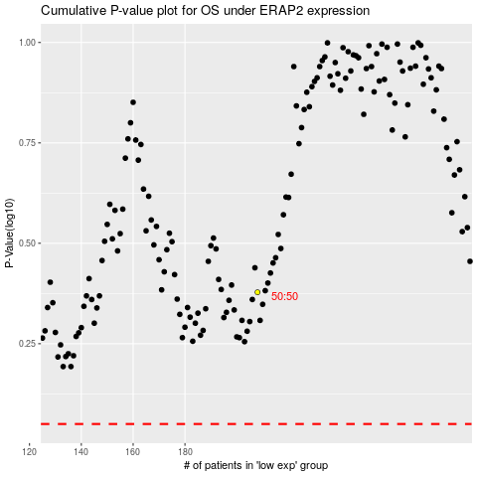

 |  |  |  |  |  | cases_OS | p_OS | rank | exp
 |  |  |  |  |  |  | cases_RFS | p_RFS | rank | exp

