ERBB2IP _multivariate
Reported by Tex Li-Hsing Chi. tex@gate.sinica.edu.tw 2019-08-20

Table 2. The clinicopathological features of HNSCC cohort and ERBB2IP expression. (Chi square test)
Cutoff at -0.499 (31.2%)
 |  | ERBB2IP expression |  | ERBB2IP expression |  | (Optimised)
 | Features | Low | (%) | High | (%) | Case no | P-value | Remark | Matthews
Gender | Female | 103 | 24.8 | 203 | 48.9 | 415 | 0.0752 | 0 | 0
2 | Male | 26 | 6.3 | 83 | 20
Age at diagnosis | <=65y | 81 | 19.5 | 193 | 46.5 | 415 | 0.411 | 0 | 0
4 | >65y | 48 | 11.6 | 93 | 22.4
Clinical T Status | T1+T2 | 43 | 10.4 | 106 | 25.5 | 415 | 0.5336 | 0 | 0
6 | T3+T4 | 86 | 20.7 | 180 | 43.4
Clinical N Status | N0 | 63 | 15.2 | 153 | 36.9 | 415 | 0.4394 | 0 | 0
8 | N1-3 | 66 | 15.9 | 133 | 32
Clinical M Status | M0 | 127 | 30.6 | 285 | 68.7 | 415 | 0.2292 | 0 | 0
10 | M1 | 2 | 0.5 | 1 | 0.2
Clinical Stage | Stage I+II | 28 | 6.7 | 74 | 17.8 | 415 | 0.4297 | 0 | 0
12 | Stage III+IV | 101 | 24.3 | 212 | 51.1
Surgical Margin status | Negative | 92 | 22.2 | 226 | 54.5 | 415 | 0.1031 | 0 | 0
14 | Positive | 37 | 8.9 | 60 | 14.5
Tobacco Exposure | Low | 51 | 12.3 | 110 | 26.5 | 415 | 0.9134 | 0 | 0
16 | High | 78 | 18.8 | 176 | 42.4

Table 3. Univariate/Multivariate Cox's proportional hazards regression analyses on OS time of ERBB2IP gene expression in HNSCC

 |  | Univariate |  |  |  | Multivariate
 | Features | HR | CI95%(L) | CI95%(H) | P-value | HR | CI95%(L) | CI95%(H) | P-value
1 | Female | 1 |  |  |  | 1
Gender | Male | 1.157 | 0.843 | 1.587 | 0.367 | 1.218 | 0.871 | 1.705 | 0.249
11 | <=65y | 1 |  |  |  | 1
Age at diagnosis | >65y | 1.329 | 0.99 | 1.784 | 0.058 | 1.374 | 1.01 | 1.869 | 0.043
12 | T1+T2 | 1 |  |  |  | 1
Clinical T Status | T3+T4 | 1.409 | 1.028 | 1.931 | 0.033 | 2.158 | 1.141 | 4.084 | 0.018
13 | N0 | 1 |  |  |  | 1
Clinical N Status | N1-3 | 1.185 | 0.89 | 1.577 | 0.246 | 1.228 | 0.861 | 1.752 | 0.257
14 | M0 | 1 |  |  |  | 1
Clinical M Status | M1 | 4.097 | 1.009 | 16.644 | 0.049 | 8.213 | 1.774 | 38.024 | 0.007
15 | Stage I+II | 1 |  |  |  | 1
Clinical Stage | Stage III+IV | 1.245 | 0.882 | 1.759 | 0.213 | 0.514 | 0.239 | 1.104 | 0.088
16 | Negative | 1 |  |  |  | 1
Surgical Margin status | Positive | 1.591 | 1.155 | 2.191 | 0.004 | 1.626 | 1.175 | 2.251 | 0.003
17 | Low | 1 |  |  |  | 1
Tobacco Exposure | High | 1.364 | 1.008 | 1.844 | 0.044 | 1.444 | 1.048 | 1.989 | 0.025
18 | Low | 1 |  |  |  | 1
RNAseq(z-score) | High | 0.704 | 0.52 | 0.952 | 0.023 | 0.782 | 0.574 | 1.064 | 0.118

Table 4. Univariate/Multivariate Cox's proportional hazards regression analyses on RFS time of ERBB2IP gene expression in HNSCC

 |  | Univariate |  |  |  | Multivariate
 | Features | HR | CI95%(L) | CI95%(H) | P-value | HR | CI95%(L) | CI95%(H) | P-value
1 | Female | 1 |  |  |  | 1
Gender | Male | 1.157 | 0.843 | 1.587 | 0.367 | 1.218 | 0.871 | 1.705 | 0.249
11 | <=65y | 1 |  |  |  | 1
Age at diagnosis | >65y | 1.329 | 0.99 | 1.784 | 0.058 | 1.374 | 1.01 | 1.869 | 0.043
12 | T1+T2 | 1 |  |  |  | 1
Clinical T Status | T3+T4 | 1.409 | 1.028 | 1.931 | 0.033 | 2.158 | 1.141 | 4.084 | 0.018
13 | N0 | 1 |  |  |  | 1
Clinical N Status | N1-3 | 1.185 | 0.89 | 1.577 | 0.246 | 1.228 | 0.861 | 1.752 | 0.257
14 | M0 | 1 |  |  |  | 1
Clinical M Status | M1 | 4.097 | 1.009 | 16.644 | 0.049 | 8.213 | 1.774 | 38.024 | 0.007
15 | Stage I+II | 1 |  |  |  | 1
Clinical Stage | Stage III+IV | 1.245 | 0.882 | 1.759 | 0.213 | 0.514 | 0.239 | 1.104 | 0.088
16 | Negative | 1 |  |  |  | 1
Surgical Margin status | Positive | 1.591 | 1.155 | 2.191 | 0.004 | 1.626 | 1.175 | 2.251 | 0.003
17 | Low | 1 |  |  |  | 1
Tobacco Exposure | High | 1.364 | 1.008 | 1.844 | 0.044 | 1.444 | 1.048 | 1.989 | 0.025
18 | Low | 1 |  |  |  | 1
RNAseq(z-score) | High | 0.704 | 0.52 | 0.952 | 0.023 | 0.782 | 0.574 | 1.064 | 0.118

Kaplan-Meier survival estimate: Cutoff at -0.499 (31.2%)

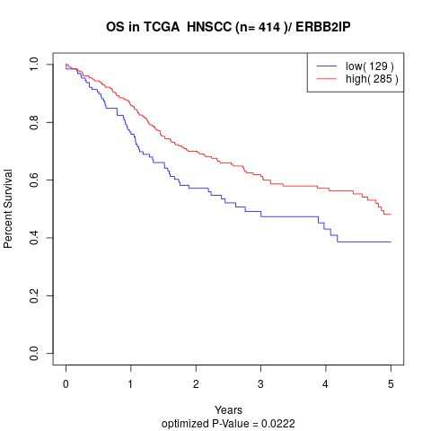

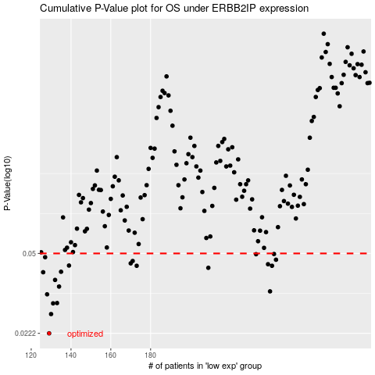

 |  |  |  |  |  | cases_OS | p_OS | rank | exp
 |  |  |  |  |  | 129 | 0.0222 | 156 | -0.49899394013
 |  |  |  |  |  | 130 | 0.027 | 343 | -0.49626884437
 |  |  |  |  |  | 131 | 0.0301 | 83 | -0.49119021791
 |  |  |  |  |  | 133 | 0.0302 | 53 | -0.48405942226
 |  |  |  |  |  | 128 | 0.033 | 201 | -0.50630212813
 |  |  |  |  |  | 240 | 0.034 | 122 | 0.043537780189
 |  |  |  |  |  | 134 | 0.0357 | 351 | -0.48305174469
 |  |  |  |  |  | 132 | 0.0382 | 375 | -0.48605234651
 |  |  |  |  |  | 126 | 0.0413 | 354 | -0.5305660109
 |  |  |  |  |  | 135 | 0.0415 | 230 | -0.48115385205
 |  |  |  |  |  | 209 | 0.0432 | 35 | -0.12848502387
 |  |  |  |  |  | 173 | 0.0441 | 116 | -0.27213327133
 |  |  |  |  |  | 241 | 0.0441 | 367 | 0.047880639359
 |  |  |  |  |  | 139 | 0.0442 | 42 | -0.46632994755
 |  |  |  |  |  | 239 | 0.0448 | 58 | 0.04232257412
 |  |  |  |  |  | 170 | 0.0452 | 172 | -0.31622194749
 |  |  |  |  |  | 171 | 0.0463 | 321 | -0.29052985085
 |  |  |  |  |  | 243 | 0.0469 | 231 | 0.058503804038
 |  |  |  |  |  | 127 | 0.0481 | 85 | -0.5085416209
 |  |  |  |  |  | 233 | 0.0496 | 11 | -0.0056826031517
 |  |  |  |  |  | 242 | 0.0497 | 218 | 0.057437737674
 |  |  |  |  |  |  | cases_RFS | p_RFS | rank | exp
 |  |  |  |  |  |  | 128 | 0.0222 | 201 | -0.50630212813
 |  |  |  |  |  |  | 129 | 0.027 | 156 | -0.49899394013
 |  |  |  |  |  |  | 130 | 0.0301 | 343 | -0.49626884437
 |  |  |  |  |  |  | 132 | 0.0302 | 375 | -0.48605234651
 |  |  |  |  |  |  | 127 | 0.033 | 85 | -0.5085416209
 |  |  |  |  |  |  | 239 | 0.034 | 58 | 0.04232257412
 |  |  |  |  |  |  | 133 | 0.0357 | 53 | -0.48405942226
 |  |  |  |  |  |  | 131 | 0.0382 | 83 | -0.49119021791
 |  |  |  |  |  |  | 125 | 0.0413 | 203 | -0.5459881865
 |  |  |  |  |  |  | 134 | 0.0415 | 351 | -0.48305174469
 |  |  |  |  |  |  | 208 | 0.0432 | 214 | -0.12895966825
 |  |  |  |  |  |  | 240 | 0.0441 | 122 | 0.043537780189
 |  |  |  |  |  |  | 172 | 0.0441 | 413 | -0.28206981119
 |  |  |  |  |  |  | 138 | 0.0442 | 209 | -0.46811140506
 |  |  |  |  |  |  | 238 | 0.0448 | 155 | 0.038450249863
 |  |  |  |  |  |  | 169 | 0.0452 | 394 | -0.31813799031
 |  |  |  |  |  |  | 170 | 0.0463 | 172 | -0.31622194749
 |  |  |  |  |  |  | 242 | 0.0469 | 218 | 0.057437737674
 |  |  |  |  |  |  | 126 | 0.0481 | 354 | -0.5305660109
 |  |  |  |  |  |  | 232 | 0.0496 | 117 | -0.0083315023891
 |  |  |  |  |  |  | 241 | 0.0497 | 367 | 0.047880639359

