ERC1 _multivariate
Reported by Tex Li-Hsing Chi. tex@gate.sinica.edu.tw 2019-08-20

Table 2. The clinicopathological features of HNSCC cohort and ERC1 expression. (Chi square test)
Cutoff at -0.094 (50.0%)
 |  | ERC1 expression |  | ERC1 expression |  | (Optimised)
 | Features | Low | (%) | High | (%) | Case no | P-value | Remark | Matthews
Gender | Female | 154 | 37.1 | 152 | 36.6 | 415 | 0.8463 | 0 | 0
2 | Male | 53 | 12.8 | 56 | 13.5
Age at diagnosis | <=65y | 139 | 33.5 | 135 | 32.5 | 415 | 0.7044 | 0 | 0
4 | >65y | 68 | 16.4 | 73 | 17.6
Clinical T Status | T1+T2 | 80 | 19.3 | 69 | 16.6 | 415 | 0.2891 | 0 | 0
6 | T3+T4 | 127 | 30.6 | 139 | 33.5
Clinical N Status | N0 | 111 | 26.7 | 105 | 25.3 | 415 | 0.5875 | 0 | 0
8 | N1-3 | 96 | 23.1 | 103 | 24.8
Clinical M Status | M0 | 204 | 49.2 | 208 | 50.1 | 415 | 0.1232 | 0 | 0
10 | M1 | 3 | 0.7 | 0 | 0
Clinical Stage | Stage I+II | 53 | 12.8 | 49 | 11.8 | 415 | 0.7113 | 0 | 0
12 | Stage III+IV | 154 | 37.1 | 159 | 38.3
Surgical Margin status | Negative | 153 | 36.9 | 165 | 39.8 | 415 | 0.2036 | 0 | 0
14 | Positive | 54 | 13 | 43 | 10.4
Tobacco Exposure | Low | 72 | 17.3 | 89 | 21.4 | 415 | 0.1071 | 0 | 0
16 | High | 135 | 32.5 | 119 | 28.7

Table 3. Univariate/Multivariate Cox's proportional hazards regression analyses on OS time of ERC1 gene expression in HNSCC

 |  | Univariate |  |  |  | Multivariate
 | Features | HR | CI95%(L) | CI95%(H) | P-value | HR | CI95%(L) | CI95%(H) | P-value
1 | Female | 1 |  |  |  | 1
Gender | Male | 1.157 | 0.843 | 1.587 | 0.367 | 1.207 | 0.863 | 1.688 | 0.271
11 | <=65y | 1 |  |  |  | 1
Age at diagnosis | >65y | 1.329 | 0.99 | 1.784 | 0.058 | 1.391 | 1.024 | 1.892 | 0.035
12 | T1+T2 | 1 |  |  |  | 1
Clinical T Status | T3+T4 | 1.409 | 1.028 | 1.931 | 0.033 | 2.194 | 1.16 | 4.149 | 0.016
13 | N0 | 1 |  |  |  | 1
Clinical N Status | N1-3 | 1.185 | 0.89 | 1.577 | 0.246 | 1.238 | 0.868 | 1.767 | 0.239
14 | M0 | 1 |  |  |  | 1
Clinical M Status | M1 | 4.097 | 1.009 | 16.644 | 0.049 | 9.648 | 2.089 | 44.549 | 0.004
15 | Stage I+II | 1 |  |  |  | 1
Clinical Stage | Stage III+IV | 1.245 | 0.882 | 1.759 | 0.213 | 0.506 | 0.236 | 1.086 | 0.08
16 | Negative | 1 |  |  |  | 1
Surgical Margin status | Positive | 1.591 | 1.155 | 2.191 | 0.004 | 1.678 | 1.213 | 2.32 | 0.002
17 | Low | 1 |  |  |  | 1
Tobacco Exposure | High | 1.364 | 1.008 | 1.844 | 0.044 | 1.463 | 1.059 | 2.021 | 0.021
18 | Low | 1 |  |  |  | 1
RNAseq(z-score) | High | 0.996 | 0.746 | 1.329 | 0.976 | 1.051 | 0.784 | 1.411 | 0.738

Table 4. Univariate/Multivariate Cox's proportional hazards regression analyses on RFS time of ERC1 gene expression in HNSCC

 |  | Univariate |  |  |  | Multivariate
 | Features | HR | CI95%(L) | CI95%(H) | P-value | HR | CI95%(L) | CI95%(H) | P-value
1 | Female | 1 |  |  |  | 1
Gender | Male | 1.157 | 0.843 | 1.587 | 0.367 | 1.207 | 0.863 | 1.688 | 0.271
11 | <=65y | 1 |  |  |  | 1
Age at diagnosis | >65y | 1.329 | 0.99 | 1.784 | 0.058 | 1.391 | 1.024 | 1.892 | 0.035
12 | T1+T2 | 1 |  |  |  | 1
Clinical T Status | T3+T4 | 1.409 | 1.028 | 1.931 | 0.033 | 2.194 | 1.16 | 4.149 | 0.016
13 | N0 | 1 |  |  |  | 1
Clinical N Status | N1-3 | 1.185 | 0.89 | 1.577 | 0.246 | 1.238 | 0.868 | 1.767 | 0.239
14 | M0 | 1 |  |  |  | 1
Clinical M Status | M1 | 4.097 | 1.009 | 16.644 | 0.049 | 9.648 | 2.089 | 44.549 | 0.004
15 | Stage I+II | 1 |  |  |  | 1
Clinical Stage | Stage III+IV | 1.245 | 0.882 | 1.759 | 0.213 | 0.506 | 0.236 | 1.086 | 0.08
16 | Negative | 1 |  |  |  | 1
Surgical Margin status | Positive | 1.591 | 1.155 | 2.191 | 0.004 | 1.678 | 1.213 | 2.32 | 0.002
17 | Low | 1 |  |  |  | 1
Tobacco Exposure | High | 1.364 | 1.008 | 1.844 | 0.044 | 1.463 | 1.059 | 2.021 | 0.021
18 | Low | 1 |  |  |  | 1
RNAseq(z-score) | High | 0.996 | 0.746 | 1.329 | 0.976 | 1.051 | 0.784 | 1.411 | 0.738

Kaplan-Meier survival estimate: Cutoff at -0.094 (50.0%)



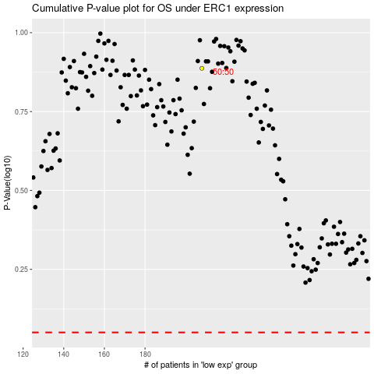

 |  |  |  |  |  | cases_OS | p_OS | rank | exp
 |  |  |  |  |  |  | cases_RFS | p_RFS | rank | exp

