ERCC1 _multivariate
Reported by Tex Li-Hsing Chi. tex@gate.sinica.edu.tw 2019-08-20

Table 2. The clinicopathological features of HNSCC cohort and ERCC1 expression. (Chi square test)
Cutoff at -0.239 (49.8%)
 |  | ERCC1 expression |  | ERCC1 expression |  | (Optimised)
 | Features | Low | (%) | High | (%) | Case no | P-value | Remark | Matthews
Gender | Female | 154 | 37.1 | 152 | 36.6 | 415 | 0.8463 | 0 | 0
2 | Male | 53 | 12.8 | 56 | 13.5
Age at diagnosis | <=65y | 147 | 35.4 | 127 | 30.6 | 415 | 0.0416 | 1 | 0
4 | >65y | 60 | 14.5 | 81 | 19.5
Clinical T Status | T1+T2 | 82 | 19.8 | 67 | 16.1 | 415 | 0.1417 | 0 | 0
6 | T3+T4 | 125 | 30.1 | 141 | 34
Clinical N Status | N0 | 106 | 25.5 | 110 | 26.5 | 415 | 0.8075 | 0 | 0
8 | N1-3 | 101 | 24.3 | 98 | 23.6
Clinical M Status | M0 | 205 | 49.4 | 207 | 49.9 | 415 | 0.6232 | 0 | 0
10 | M1 | 2 | 0.5 | 1 | 0.2
Clinical Stage | Stage I+II | 57 | 13.7 | 45 | 10.8 | 415 | 0.1998 | 0 | 0
12 | Stage III+IV | 150 | 36.1 | 163 | 39.3
Surgical Margin status | Negative | 165 | 39.8 | 153 | 36.9 | 415 | 0.1639 | 0 | 0
14 | Positive | 42 | 10.1 | 55 | 13.3
Tobacco Exposure | Low | 71 | 17.1 | 90 | 21.7 | 415 | 0.0698 | 0 | 0
16 | High | 136 | 32.8 | 118 | 28.4

Table 3. Univariate/Multivariate Cox's proportional hazards regression analyses on OS time of ERCC1 gene expression in HNSCC

 |  | Univariate |  |  |  | Multivariate
 | Features | HR | CI95%(L) | CI95%(H) | P-value | HR | CI95%(L) | CI95%(H) | P-value
1 | Female | 1 |  |  |  | 1
Gender | Male | 1.157 | 0.843 | 1.587 | 0.367 | 1.207 | 0.863 | 1.688 | 0.271
11 | <=65y | 1 |  |  |  | 1
Age at diagnosis | >65y | 1.329 | 0.99 | 1.784 | 0.058 | 1.391 | 1.024 | 1.891 | 0.035
12 | T1+T2 | 1 |  |  |  | 1
Clinical T Status | T3+T4 | 1.409 | 1.028 | 1.931 | 0.033 | 2.217 | 1.172 | 4.197 | 0.014
13 | N0 | 1 |  |  |  | 1
Clinical N Status | N1-3 | 1.185 | 0.89 | 1.577 | 0.246 | 1.24 | 0.869 | 1.769 | 0.237
14 | M0 | 1 |  |  |  | 1
Clinical M Status | M1 | 4.097 | 1.009 | 16.644 | 0.049 | 9.419 | 2.055 | 43.177 | 0.004
15 | Stage I+II | 1 |  |  |  | 1
Clinical Stage | Stage III+IV | 1.245 | 0.882 | 1.759 | 0.213 | 0.506 | 0.236 | 1.085 | 0.08
16 | Negative | 1 |  |  |  | 1
Surgical Margin status | Positive | 1.591 | 1.155 | 2.191 | 0.004 | 1.678 | 1.214 | 2.32 | 0.002
17 | Low | 1 |  |  |  | 1
Tobacco Exposure | High | 1.364 | 1.008 | 1.844 | 0.044 | 1.443 | 1.045 | 1.992 | 0.026
18 | Low | 1 |  |  |  | 1
RNAseq(z-score) | High | 0.974 | 0.731 | 1.297 | 0.857 | 0.944 | 0.705 | 1.264 | 0.699

Table 4. Univariate/Multivariate Cox's proportional hazards regression analyses on RFS time of ERCC1 gene expression in HNSCC

 |  | Univariate |  |  |  | Multivariate
 | Features | HR | CI95%(L) | CI95%(H) | P-value | HR | CI95%(L) | CI95%(H) | P-value
1 | Female | 1 |  |  |  | 1
Gender | Male | 1.157 | 0.843 | 1.587 | 0.367 | 1.207 | 0.863 | 1.688 | 0.271
11 | <=65y | 1 |  |  |  | 1
Age at diagnosis | >65y | 1.329 | 0.99 | 1.784 | 0.058 | 1.391 | 1.024 | 1.891 | 0.035
12 | T1+T2 | 1 |  |  |  | 1
Clinical T Status | T3+T4 | 1.409 | 1.028 | 1.931 | 0.033 | 2.217 | 1.172 | 4.197 | 0.014
13 | N0 | 1 |  |  |  | 1
Clinical N Status | N1-3 | 1.185 | 0.89 | 1.577 | 0.246 | 1.24 | 0.869 | 1.769 | 0.237
14 | M0 | 1 |  |  |  | 1
Clinical M Status | M1 | 4.097 | 1.009 | 16.644 | 0.049 | 9.419 | 2.055 | 43.177 | 0.004
15 | Stage I+II | 1 |  |  |  | 1
Clinical Stage | Stage III+IV | 1.245 | 0.882 | 1.759 | 0.213 | 0.506 | 0.236 | 1.085 | 0.08
16 | Negative | 1 |  |  |  | 1
Surgical Margin status | Positive | 1.591 | 1.155 | 2.191 | 0.004 | 1.678 | 1.214 | 2.32 | 0.002
17 | Low | 1 |  |  |  | 1
Tobacco Exposure | High | 1.364 | 1.008 | 1.844 | 0.044 | 1.443 | 1.045 | 1.992 | 0.026
18 | Low | 1 |  |  |  | 1
RNAseq(z-score) | High | 0.974 | 0.731 | 1.297 | 0.857 | 0.944 | 0.705 | 1.264 | 0.699

Kaplan-Meier survival estimate: Cutoff at -0.239 (49.8%)



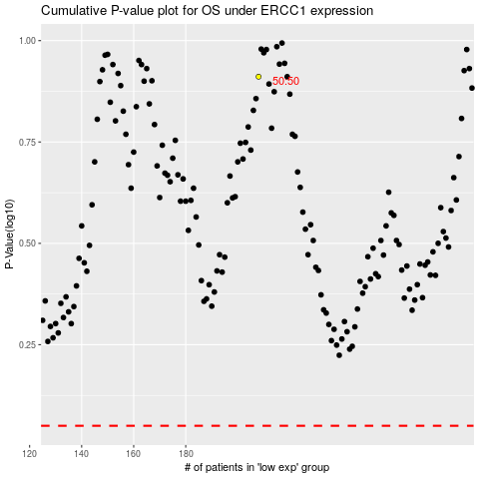

 |  |  |  |  |  | cases_OS | p_OS | rank | exp
 |  |  |  |  |  |  | cases_RFS | p_RFS | rank | exp

