ERCC4 _multivariate
Reported by Tex Li-Hsing Chi. tex@gate.sinica.edu.tw 2019-08-20

Table 2. The clinicopathological features of HNSCC cohort and ERCC4 expression. (Chi square test)
Cutoff at -0.053 (49.8%)
 |  | ERCC4 expression |  | ERCC4 expression |  | (Optimised)
 | Features | Low | (%) | High | (%) | Case no | P-value | Remark | Matthews
Gender | Female | 147 | 35.4 | 159 | 38.3 | 415 | 0.2523 | 0 | 0
2 | Male | 60 | 14.5 | 49 | 11.8
Age at diagnosis | <=65y | 139 | 33.5 | 135 | 32.5 | 415 | 0.7044 | 0 | 0
4 | >65y | 68 | 16.4 | 73 | 17.6
Clinical T Status | T1+T2 | 58 | 14 | 91 | 21.9 | 415 | 0.0012 | 1 | 0
6 | T3+T4 | 149 | 35.9 | 117 | 28.2
Clinical N Status | N0 | 101 | 24.3 | 115 | 27.7 | 415 | 0.2201 | 0 | 0
8 | N1-3 | 106 | 25.5 | 93 | 22.4
Clinical M Status | M0 | 204 | 49.2 | 208 | 50.1 | 415 | 0.1232 | 0 | 0
10 | M1 | 3 | 0.7 | 0 | 0
Clinical Stage | Stage I+II | 38 | 9.2 | 64 | 15.4 | 415 | 0.0048 | 1 | 0
12 | Stage III+IV | 169 | 40.7 | 144 | 34.7
Surgical Margin status | Negative | 155 | 37.3 | 163 | 39.3 | 415 | 0.4187 | 0 | 0
14 | Positive | 52 | 12.5 | 45 | 10.8
Tobacco Exposure | Low | 78 | 18.8 | 83 | 20 | 415 | 0.6873 | 0 | 0
16 | High | 129 | 31.1 | 125 | 30.1

Table 3. Univariate/Multivariate Cox's proportional hazards regression analyses on OS time of ERCC4 gene expression in HNSCC

 |  | Univariate |  |  |  | Multivariate
 | Features | HR | CI95%(L) | CI95%(H) | P-value | HR | CI95%(L) | CI95%(H) | P-value
1 | Female | 1 |  |  |  | 1
Gender | Male | 1.157 | 0.843 | 1.587 | 0.367 | 1.229 | 0.878 | 1.721 | 0.229
11 | <=65y | 1 |  |  |  | 1
Age at diagnosis | >65y | 1.329 | 0.99 | 1.784 | 0.058 | 1.364 | 1.002 | 1.858 | 0.049
12 | T1+T2 | 1 |  |  |  | 1
Clinical T Status | T3+T4 | 1.409 | 1.028 | 1.931 | 0.033 | 2.274 | 1.2 | 4.309 | 0.012
13 | N0 | 1 |  |  |  | 1
Clinical N Status | N1-3 | 1.185 | 0.89 | 1.577 | 0.246 | 1.245 | 0.872 | 1.777 | 0.227
14 | M0 | 1 |  |  |  | 1
Clinical M Status | M1 | 4.097 | 1.009 | 16.644 | 0.049 | 10.629 | 2.289 | 49.352 | 0.003
15 | Stage I+II | 1 |  |  |  | 1
Clinical Stage | Stage III+IV | 1.245 | 0.882 | 1.759 | 0.213 | 0.507 | 0.236 | 1.09 | 0.082
16 | Negative | 1 |  |  |  | 1
Surgical Margin status | Positive | 1.591 | 1.155 | 2.191 | 0.004 | 1.715 | 1.237 | 2.377 | 0.001
17 | Low | 1 |  |  |  | 1
Tobacco Exposure | High | 1.364 | 1.008 | 1.844 | 0.044 | 1.461 | 1.061 | 2.013 | 0.02
18 | Low | 1 |  |  |  | 1
RNAseq(z-score) | High | 1.052 | 0.79 | 1.402 | 0.727 | 1.21 | 0.898 | 1.631 | 0.211

Table 4. Univariate/Multivariate Cox's proportional hazards regression analyses on RFS time of ERCC4 gene expression in HNSCC

 |  | Univariate |  |  |  | Multivariate
 | Features | HR | CI95%(L) | CI95%(H) | P-value | HR | CI95%(L) | CI95%(H) | P-value
1 | Female | 1 |  |  |  | 1
Gender | Male | 1.157 | 0.843 | 1.587 | 0.367 | 1.229 | 0.878 | 1.721 | 0.229
11 | <=65y | 1 |  |  |  | 1
Age at diagnosis | >65y | 1.329 | 0.99 | 1.784 | 0.058 | 1.364 | 1.002 | 1.858 | 0.049
12 | T1+T2 | 1 |  |  |  | 1
Clinical T Status | T3+T4 | 1.409 | 1.028 | 1.931 | 0.033 | 2.274 | 1.2 | 4.309 | 0.012
13 | N0 | 1 |  |  |  | 1
Clinical N Status | N1-3 | 1.185 | 0.89 | 1.577 | 0.246 | 1.245 | 0.872 | 1.777 | 0.227
14 | M0 | 1 |  |  |  | 1
Clinical M Status | M1 | 4.097 | 1.009 | 16.644 | 0.049 | 10.629 | 2.289 | 49.352 | 0.003
15 | Stage I+II | 1 |  |  |  | 1
Clinical Stage | Stage III+IV | 1.245 | 0.882 | 1.759 | 0.213 | 0.507 | 0.236 | 1.09 | 0.082
16 | Negative | 1 |  |  |  | 1
Surgical Margin status | Positive | 1.591 | 1.155 | 2.191 | 0.004 | 1.715 | 1.237 | 2.377 | 0.001
17 | Low | 1 |  |  |  | 1
Tobacco Exposure | High | 1.364 | 1.008 | 1.844 | 0.044 | 1.461 | 1.061 | 2.013 | 0.02
18 | Low | 1 |  |  |  | 1
RNAseq(z-score) | High | 1.052 | 0.79 | 1.402 | 0.727 | 1.21 | 0.898 | 1.631 | 0.211

Kaplan-Meier survival estimate: Cutoff at -0.053 (49.8%)



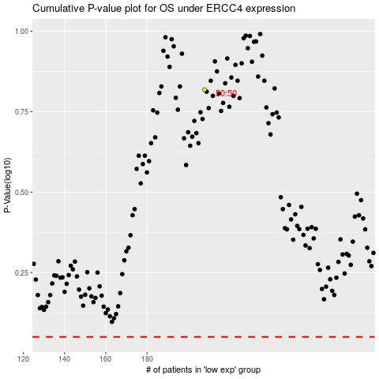

 |  |  |  |  |  | cases_OS | p_OS | rank | exp
 |  |  |  |  |  |  | cases_RFS | p_RFS | rank | exp

