ERCC6 _multivariate
Reported by Tex Li-Hsing Chi. tex@gate.sinica.edu.tw 2019-08-20

Table 2. The clinicopathological features of HNSCC cohort and ERCC6 expression. (Chi square test)
Cutoff at -0.103 (50.0%)
 |  | ERCC6 expression |  | ERCC6 expression |  | (Optimised)
 | Features | Low | (%) | High | (%) | Case no | P-value | Remark | Matthews
Gender | Female | 154 | 37.1 | 152 | 36.6 | 415 | 0.8463 | 0 | 0
2 | Male | 53 | 12.8 | 56 | 13.5
Age at diagnosis | <=65y | 133 | 32 | 141 | 34 | 415 | 0.5111 | 0 | 0
4 | >65y | 74 | 17.8 | 67 | 16.1
Clinical T Status | T1+T2 | 73 | 17.6 | 76 | 18.3 | 415 | 0.8666 | 0 | 0
6 | T3+T4 | 134 | 32.3 | 132 | 31.8
Clinical N Status | N0 | 106 | 25.5 | 110 | 26.5 | 415 | 0.8075 | 0 | 0
8 | N1-3 | 101 | 24.3 | 98 | 23.6
Clinical M Status | M0 | 205 | 49.4 | 207 | 49.9 | 415 | 0.6232 | 0 | 0
10 | M1 | 2 | 0.5 | 1 | 0.2
Clinical Stage | Stage I+II | 46 | 11.1 | 56 | 13.5 | 415 | 0.3182 | 0 | 0
12 | Stage III+IV | 161 | 38.8 | 152 | 36.6
Surgical Margin status | Negative | 158 | 38.1 | 160 | 38.6 | 415 | 0.9081 | 0 | 0
14 | Positive | 49 | 11.8 | 48 | 11.6
Tobacco Exposure | Low | 68 | 16.4 | 93 | 22.4 | 415 | 0.0156 | 1 | 0
16 | High | 139 | 33.5 | 115 | 27.7

Table 3. Univariate/Multivariate Cox's proportional hazards regression analyses on OS time of ERCC6 gene expression in HNSCC

 |  | Univariate |  |  |  | Multivariate
 | Features | HR | CI95%(L) | CI95%(H) | P-value | HR | CI95%(L) | CI95%(H) | P-value
1 | Female | 1 |  |  |  | 1
Gender | Male | 1.157 | 0.843 | 1.587 | 0.367 | 1.21 | 0.866 | 1.69 | 0.264
11 | <=65y | 1 |  |  |  | 1
Age at diagnosis | >65y | 1.329 | 0.99 | 1.784 | 0.058 | 1.406 | 1.034 | 1.91 | 0.03
12 | T1+T2 | 1 |  |  |  | 1
Clinical T Status | T3+T4 | 1.409 | 1.028 | 1.931 | 0.033 | 2.176 | 1.151 | 4.114 | 0.017
13 | N0 | 1 |  |  |  | 1
Clinical N Status | N1-3 | 1.185 | 0.89 | 1.577 | 0.246 | 1.247 | 0.874 | 1.779 | 0.224
14 | M0 | 1 |  |  |  | 1
Clinical M Status | M1 | 4.097 | 1.009 | 16.644 | 0.049 | 9.513 | 2.075 | 43.615 | 0.004
15 | Stage I+II | 1 |  |  |  | 1
Clinical Stage | Stage III+IV | 1.245 | 0.882 | 1.759 | 0.213 | 0.514 | 0.239 | 1.104 | 0.088
16 | Negative | 1 |  |  |  | 1
Surgical Margin status | Positive | 1.591 | 1.155 | 2.191 | 0.004 | 1.677 | 1.213 | 2.317 | 0.002
17 | Low | 1 |  |  |  | 1
Tobacco Exposure | High | 1.364 | 1.008 | 1.844 | 0.044 | 1.501 | 1.085 | 2.076 | 0.014
18 | Low | 1 |  |  |  | 1
RNAseq(z-score) | High | 1.118 | 0.839 | 1.491 | 0.446 | 1.208 | 0.901 | 1.62 | 0.207

Table 4. Univariate/Multivariate Cox's proportional hazards regression analyses on RFS time of ERCC6 gene expression in HNSCC

 |  | Univariate |  |  |  | Multivariate
 | Features | HR | CI95%(L) | CI95%(H) | P-value | HR | CI95%(L) | CI95%(H) | P-value
1 | Female | 1 |  |  |  | 1
Gender | Male | 1.157 | 0.843 | 1.587 | 0.367 | 1.21 | 0.866 | 1.69 | 0.264
11 | <=65y | 1 |  |  |  | 1
Age at diagnosis | >65y | 1.329 | 0.99 | 1.784 | 0.058 | 1.406 | 1.034 | 1.91 | 0.03
12 | T1+T2 | 1 |  |  |  | 1
Clinical T Status | T3+T4 | 1.409 | 1.028 | 1.931 | 0.033 | 2.176 | 1.151 | 4.114 | 0.017
13 | N0 | 1 |  |  |  | 1
Clinical N Status | N1-3 | 1.185 | 0.89 | 1.577 | 0.246 | 1.247 | 0.874 | 1.779 | 0.224
14 | M0 | 1 |  |  |  | 1
Clinical M Status | M1 | 4.097 | 1.009 | 16.644 | 0.049 | 9.513 | 2.075 | 43.615 | 0.004
15 | Stage I+II | 1 |  |  |  | 1
Clinical Stage | Stage III+IV | 1.245 | 0.882 | 1.759 | 0.213 | 0.514 | 0.239 | 1.104 | 0.088
16 | Negative | 1 |  |  |  | 1
Surgical Margin status | Positive | 1.591 | 1.155 | 2.191 | 0.004 | 1.677 | 1.213 | 2.317 | 0.002
17 | Low | 1 |  |  |  | 1
Tobacco Exposure | High | 1.364 | 1.008 | 1.844 | 0.044 | 1.501 | 1.085 | 2.076 | 0.014
18 | Low | 1 |  |  |  | 1
RNAseq(z-score) | High | 1.118 | 0.839 | 1.491 | 0.446 | 1.208 | 0.901 | 1.62 | 0.207

Kaplan-Meier survival estimate: Cutoff at -0.103 (50.0%)

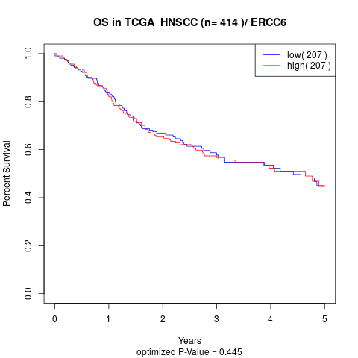

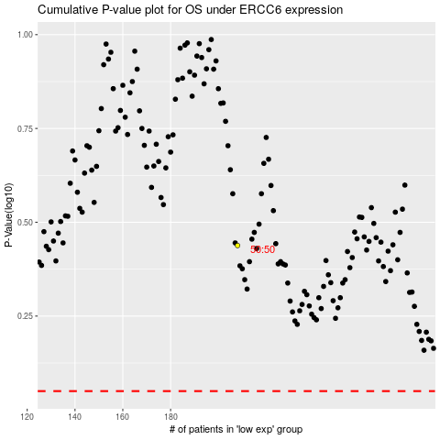

 |  |  |  |  |  | cases_OS | p_OS | rank | exp
 |  |  |  |  |  |  | cases_RFS | p_RFS | rank | exp

