ERCC6L _multivariate
Reported by Tex Li-Hsing Chi. tex@gate.sinica.edu.tw 2019-08-20

Table 2. The clinicopathological features of HNSCC cohort and ERCC6L expression. (Chi square test)
Cutoff at -0.099 (49.8%)
 |  | ERCC6L expression |  | ERCC6L expression |  | (Optimised)
 | Features | Low | (%) | High | (%) | Case no | P-value | Remark | Matthews
Gender | Female | 148 | 35.7 | 158 | 38.1 | 415 | 0.3567 | 0 | 0
2 | Male | 59 | 14.2 | 50 | 12
Age at diagnosis | <=65y | 126 | 30.4 | 148 | 35.7 | 415 | 0.035 | 1 | 0
4 | >65y | 81 | 19.5 | 60 | 14.5
Clinical T Status | T1+T2 | 69 | 16.6 | 80 | 19.3 | 415 | 0.3239 | 0 | 0
6 | T3+T4 | 138 | 33.3 | 128 | 30.8
Clinical N Status | N0 | 111 | 26.7 | 105 | 25.3 | 415 | 0.5875 | 0 | 0
8 | N1-3 | 96 | 23.1 | 103 | 24.8
Clinical M Status | M0 | 205 | 49.4 | 207 | 49.9 | 415 | 0.6232 | 0 | 0
10 | M1 | 2 | 0.5 | 1 | 0.2
Clinical Stage | Stage I+II | 48 | 11.6 | 54 | 13 | 415 | 0.5878 | 0 | 0
12 | Stage III+IV | 159 | 38.3 | 154 | 37.1
Surgical Margin status | Negative | 159 | 38.3 | 159 | 38.3 | 415 | 1 | 0 | 0
14 | Positive | 48 | 11.6 | 49 | 11.8
Tobacco Exposure | Low | 84 | 20.2 | 77 | 18.6 | 415 | 0.4816 | 0 | 0
16 | High | 123 | 29.6 | 131 | 31.6

Table 3. Univariate/Multivariate Cox's proportional hazards regression analyses on OS time of ERCC6L gene expression in HNSCC

 |  | Univariate |  |  |  | Multivariate
 | Features | HR | CI95%(L) | CI95%(H) | P-value | HR | CI95%(L) | CI95%(H) | P-value
1 | Female | 1 |  |  |  | 1
Gender | Male | 1.157 | 0.843 | 1.587 | 0.367 | 1.208 | 0.865 | 1.689 | 0.268
11 | <=65y | 1 |  |  |  | 1
Age at diagnosis | >65y | 1.329 | 0.99 | 1.784 | 0.058 | 1.405 | 1.034 | 1.91 | 0.03
12 | T1+T2 | 1 |  |  |  | 1
Clinical T Status | T3+T4 | 1.409 | 1.028 | 1.931 | 0.033 | 2.247 | 1.187 | 4.253 | 0.013
13 | N0 | 1 |  |  |  | 1
Clinical N Status | N1-3 | 1.185 | 0.89 | 1.577 | 0.246 | 1.24 | 0.869 | 1.769 | 0.235
14 | M0 | 1 |  |  |  | 1
Clinical M Status | M1 | 4.097 | 1.009 | 16.644 | 0.049 | 9.76 | 2.125 | 44.825 | 0.003
15 | Stage I+II | 1 |  |  |  | 1
Clinical Stage | Stage III+IV | 1.245 | 0.882 | 1.759 | 0.213 | 0.501 | 0.233 | 1.077 | 0.077
16 | Negative | 1 |  |  |  | 1
Surgical Margin status | Positive | 1.591 | 1.155 | 2.191 | 0.004 | 1.663 | 1.203 | 2.297 | 0.002
17 | Low | 1 |  |  |  | 1
Tobacco Exposure | High | 1.364 | 1.008 | 1.844 | 0.044 | 1.451 | 1.053 | 1.999 | 0.023
18 | Low | 1 |  |  |  | 1
RNAseq(z-score) | High | 1.106 | 0.83 | 1.473 | 0.492 | 1.16 | 0.869 | 1.549 | 0.315

Table 4. Univariate/Multivariate Cox's proportional hazards regression analyses on RFS time of ERCC6L gene expression in HNSCC

 |  | Univariate |  |  |  | Multivariate
 | Features | HR | CI95%(L) | CI95%(H) | P-value | HR | CI95%(L) | CI95%(H) | P-value
1 | Female | 1 |  |  |  | 1
Gender | Male | 1.157 | 0.843 | 1.587 | 0.367 | 1.208 | 0.865 | 1.689 | 0.268
11 | <=65y | 1 |  |  |  | 1
Age at diagnosis | >65y | 1.329 | 0.99 | 1.784 | 0.058 | 1.405 | 1.034 | 1.91 | 0.03
12 | T1+T2 | 1 |  |  |  | 1
Clinical T Status | T3+T4 | 1.409 | 1.028 | 1.931 | 0.033 | 2.247 | 1.187 | 4.253 | 0.013
13 | N0 | 1 |  |  |  | 1
Clinical N Status | N1-3 | 1.185 | 0.89 | 1.577 | 0.246 | 1.24 | 0.869 | 1.769 | 0.235
14 | M0 | 1 |  |  |  | 1
Clinical M Status | M1 | 4.097 | 1.009 | 16.644 | 0.049 | 9.76 | 2.125 | 44.825 | 0.003
15 | Stage I+II | 1 |  |  |  | 1
Clinical Stage | Stage III+IV | 1.245 | 0.882 | 1.759 | 0.213 | 0.501 | 0.233 | 1.077 | 0.077
16 | Negative | 1 |  |  |  | 1
Surgical Margin status | Positive | 1.591 | 1.155 | 2.191 | 0.004 | 1.663 | 1.203 | 2.297 | 0.002
17 | Low | 1 |  |  |  | 1
Tobacco Exposure | High | 1.364 | 1.008 | 1.844 | 0.044 | 1.451 | 1.053 | 1.999 | 0.023
18 | Low | 1 |  |  |  | 1
RNAseq(z-score) | High | 1.106 | 0.83 | 1.473 | 0.492 | 1.16 | 0.869 | 1.549 | 0.315

Kaplan-Meier survival estimate: Cutoff at -0.099 (49.8%)



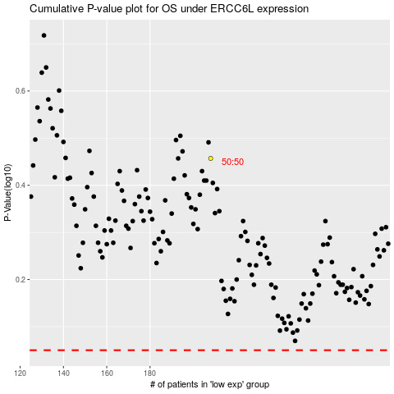

 |  |  |  |  |  | cases_OS | p_OS | rank | exp
 |  |  |  |  |  |  | cases_RFS | p_RFS | rank | exp

