ERF _multivariate
Reported by Tex Li-Hsing Chi. tex@gate.sinica.edu.tw 2019-08-20

Table 2. The clinicopathological features of HNSCC cohort and ERF expression. (Chi square test)
Cutoff at -0.398 (31.2%)
 |  | ERF expression |  | ERF expression |  | (Optimised)
 | Features | Low | (%) | High | (%) | Case no | P-value | Remark | Matthews
Gender | Female | 95 | 22.9 | 211 | 50.8 | 415 | 1 | 0 | 0
2 | Male | 34 | 8.2 | 75 | 18.1
Age at diagnosis | <=65y | 94 | 22.7 | 180 | 43.4 | 415 | 0.0622 | 0 | 0
4 | >65y | 35 | 8.4 | 106 | 25.5
Clinical T Status | T1+T2 | 53 | 12.8 | 96 | 23.1 | 415 | 0.1715 | 0 | 0
6 | T3+T4 | 76 | 18.3 | 190 | 45.8
Clinical N Status | N0 | 74 | 17.8 | 142 | 34.2 | 415 | 0.1771 | 0 | 0
8 | N1-3 | 55 | 13.3 | 144 | 34.7
Clinical M Status | M0 | 128 | 30.8 | 284 | 68.4 | 415 | 1 | 0 | 0
10 | M1 | 1 | 0.2 | 2 | 0.5
Clinical Stage | Stage I+II | 36 | 8.7 | 66 | 15.9 | 415 | 0.35 | 0 | 0
12 | Stage III+IV | 93 | 22.4 | 220 | 53
Surgical Margin status | Negative | 94 | 22.7 | 224 | 54 | 415 | 0.2594 | 0 | 0
14 | Positive | 35 | 8.4 | 62 | 14.9
Tobacco Exposure | Low | 58 | 14 | 103 | 24.8 | 415 | 0.1024 | 0 | 0
16 | High | 71 | 17.1 | 183 | 44.1

Table 3. Univariate/Multivariate Cox's proportional hazards regression analyses on OS time of ERF gene expression in HNSCC

 |  | Univariate |  |  |  | Multivariate
 | Features | HR | CI95%(L) | CI95%(H) | P-value | HR | CI95%(L) | CI95%(H) | P-value
1 | Female | 1 |  |  |  | 1
Gender | Male | 1.157 | 0.843 | 1.587 | 0.367 | 1.253 | 0.894 | 1.756 | 0.19
11 | <=65y | 1 |  |  |  | 1
Age at diagnosis | >65y | 1.329 | 0.99 | 1.784 | 0.058 | 1.347 | 0.989 | 1.835 | 0.059
12 | T1+T2 | 1 |  |  |  | 1
Clinical T Status | T3+T4 | 1.409 | 1.028 | 1.931 | 0.033 | 2.156 | 1.14 | 4.075 | 0.018
13 | N0 | 1 |  |  |  | 1
Clinical N Status | N1-3 | 1.185 | 0.89 | 1.577 | 0.246 | 1.205 | 0.843 | 1.722 | 0.307
14 | M0 | 1 |  |  |  | 1
Clinical M Status | M1 | 4.097 | 1.009 | 16.644 | 0.049 | 9.849 | 2.146 | 45.188 | 0.003
15 | Stage I+II | 1 |  |  |  | 1
Clinical Stage | Stage III+IV | 1.245 | 0.882 | 1.759 | 0.213 | 0.505 | 0.235 | 1.085 | 0.08
16 | Negative | 1 |  |  |  | 1
Surgical Margin status | Positive | 1.591 | 1.155 | 2.191 | 0.004 | 1.722 | 1.245 | 2.382 | 0.001
17 | Low | 1 |  |  |  | 1
Tobacco Exposure | High | 1.364 | 1.008 | 1.844 | 0.044 | 1.416 | 1.026 | 1.953 | 0.034
18 | Low | 1 |  |  |  | 1
RNAseq(z-score) | High | 1.458 | 1.048 | 2.03 | 0.025 | 1.422 | 1.013 | 1.997 | 0.042

Table 4. Univariate/Multivariate Cox's proportional hazards regression analyses on RFS time of ERF gene expression in HNSCC

 |  | Univariate |  |  |  | Multivariate
 | Features | HR | CI95%(L) | CI95%(H) | P-value | HR | CI95%(L) | CI95%(H) | P-value
1 | Female | 1 |  |  |  | 1
Gender | Male | 1.157 | 0.843 | 1.587 | 0.367 | 1.253 | 0.894 | 1.756 | 0.19
11 | <=65y | 1 |  |  |  | 1
Age at diagnosis | >65y | 1.329 | 0.99 | 1.784 | 0.058 | 1.347 | 0.989 | 1.835 | 0.059
12 | T1+T2 | 1 |  |  |  | 1
Clinical T Status | T3+T4 | 1.409 | 1.028 | 1.931 | 0.033 | 2.156 | 1.14 | 4.075 | 0.018
13 | N0 | 1 |  |  |  | 1
Clinical N Status | N1-3 | 1.185 | 0.89 | 1.577 | 0.246 | 1.205 | 0.843 | 1.722 | 0.307
14 | M0 | 1 |  |  |  | 1
Clinical M Status | M1 | 4.097 | 1.009 | 16.644 | 0.049 | 9.849 | 2.146 | 45.188 | 0.003
15 | Stage I+II | 1 |  |  |  | 1
Clinical Stage | Stage III+IV | 1.245 | 0.882 | 1.759 | 0.213 | 0.505 | 0.235 | 1.085 | 0.08
16 | Negative | 1 |  |  |  | 1
Surgical Margin status | Positive | 1.591 | 1.155 | 2.191 | 0.004 | 1.722 | 1.245 | 2.382 | 0.001
17 | Low | 1 |  |  |  | 1
Tobacco Exposure | High | 1.364 | 1.008 | 1.844 | 0.044 | 1.416 | 1.026 | 1.953 | 0.034
18 | Low | 1 |  |  |  | 1
RNAseq(z-score) | High | 1.458 | 1.048 | 2.03 | 0.025 | 1.422 | 1.013 | 1.997 | 0.042

Kaplan-Meier survival estimate: Cutoff at -0.398 (31.2%)

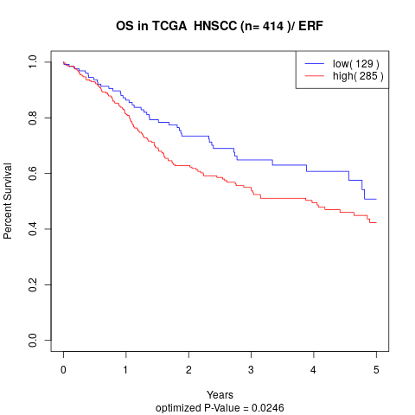

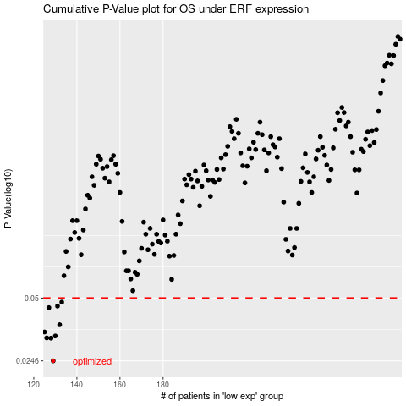

 |  |  |  |  |  | cases_OS | p_OS | rank | exp
 |  |  |  |  |  | 129 | 0.0246 | 163 | -0.39828921301
 |  |  |  |  |  | 128 | 0.0318 | 127 | -0.39907861321
 |  |  |  |  |  | 126 | 0.0319 | 61 | -0.41193930753
 |  |  |  |  |  | 130 | 0.0326 | 64 | -0.39574634385
 |  |  |  |  |  | 125 | 0.0341 | 144 | -0.41491833938
 |  |  |  |  |  | 132 | 0.037 | 181 | -0.38703580871
 |  |  |  |  |  | 127 | 0.0449 | 368 | -0.39952257663
 |  |  |  |  |  | 131 | 0.0457 | 84 | -0.38847148263
 |  |  |  |  |  | 133 | 0.0478 | 66 | -0.38158716676
 |  |  |  |  |  |  | cases_RFS | p_RFS | rank | exp
 |  |  |  |  |  |  | 128 | 0.0246 | 127 | -0.39907861321
 |  |  |  |  |  |  | 127 | 0.0318 | 368 | -0.39952257663
 |  |  |  |  |  |  | 125 | 0.0319 | 144 | -0.41491833938
 |  |  |  |  |  |  | 129 | 0.0326 | 163 | -0.39828921301
 |  |  |  |  |  |  |  | 0.0341 | 116 | -0.42119216315
 |  |  |  |  |  |  | 131 | 0.037 | 84 | -0.38847148263
 |  |  |  |  |  |  | 126 | 0.0449 | 61 | -0.41193930753
 |  |  |  |  |  |  | 130 | 0.0457 | 64 | -0.39574634385
 |  |  |  |  |  |  | 132 | 0.0478 | 181 | -0.38703580871

