ERMN _multivariate
Reported by Tex Li-Hsing Chi. tex@gate.sinica.edu.tw 2019-08-20

Table 2. The clinicopathological features of HNSCC cohort and ERMN expression. (Chi square test)
Cutoff at -0.223 (49.5%)
 |  | ERMN expression |  | ERMN expression |  | (Optimised)
 | Features | Low | (%) | High | (%) | Case no | P-value | Remark | Matthews
Gender | Female | 152 | 36.6 | 154 | 37.1 | 415 | 0.9389 | 0 | 0
2 | Male | 53 | 12.8 | 56 | 13.5
Age at diagnosis | <=65y | 142 | 34.2 | 132 | 31.8 | 415 | 0.2023 | 0 | 0
4 | >65y | 63 | 15.2 | 78 | 18.8
Clinical T Status | T1+T2 | 71 | 17.1 | 78 | 18.8 | 415 | 0.667 | 0 | 0
6 | T3+T4 | 134 | 32.3 | 132 | 31.8
Clinical N Status | N0 | 104 | 25.1 | 112 | 27 | 415 | 0.6656 | 0 | 0
8 | N1-3 | 101 | 24.3 | 98 | 23.6
Clinical M Status | M0 | 203 | 48.9 | 209 | 50.4 | 415 | 0.6196 | 0 | 0
10 | M1 | 2 | 0.5 | 1 | 0.2
Clinical Stage | Stage I+II | 52 | 12.5 | 50 | 12 | 415 | 0.7994 | 0 | 0
12 | Stage III+IV | 153 | 36.9 | 160 | 38.6
Surgical Margin status | Negative | 157 | 37.8 | 161 | 38.8 | 415 | 1 | 0 | 0
14 | Positive | 48 | 11.6 | 49 | 11.8
Tobacco Exposure | Low | 76 | 18.3 | 85 | 20.5 | 415 | 0.4827 | 0 | 0
16 | High | 129 | 31.1 | 125 | 30.1

Table 3. Univariate/Multivariate Cox's proportional hazards regression analyses on OS time of ERMN gene expression in HNSCC

 |  | Univariate |  |  |  | Multivariate
 | Features | HR | CI95%(L) | CI95%(H) | P-value | HR | CI95%(L) | CI95%(H) | P-value
1 | Female | 1 |  |  |  | 1
Gender | Male | 1.157 | 0.843 | 1.587 | 0.367 | 1.191 | 0.852 | 1.665 | 0.307
11 | <=65y | 1 |  |  |  | 1
Age at diagnosis | >65y | 1.329 | 0.99 | 1.784 | 0.058 | 1.398 | 1.029 | 1.899 | 0.032
12 | T1+T2 | 1 |  |  |  | 1
Clinical T Status | T3+T4 | 1.409 | 1.028 | 1.931 | 0.033 | 2.136 | 1.129 | 4.042 | 0.02
13 | N0 | 1 |  |  |  | 1
Clinical N Status | N1-3 | 1.185 | 0.89 | 1.577 | 0.246 | 1.226 | 0.859 | 1.748 | 0.261
14 | M0 | 1 |  |  |  | 1
Clinical M Status | M1 | 4.097 | 1.009 | 16.644 | 0.049 | 8.457 | 1.837 | 38.922 | 0.006
15 | Stage I+II | 1 |  |  |  | 1
Clinical Stage | Stage III+IV | 1.245 | 0.882 | 1.759 | 0.213 | 0.524 | 0.244 | 1.127 | 0.098
16 | Negative | 1 |  |  |  | 1
Surgical Margin status | Positive | 1.591 | 1.155 | 2.191 | 0.004 | 1.7 | 1.229 | 2.351 | 0.001
17 | Low | 1 |  |  |  | 1
Tobacco Exposure | High | 1.364 | 1.008 | 1.844 | 0.044 | 1.462 | 1.06 | 2.017 | 0.021
18 | Low | 1 |  |  |  | 1
RNAseq(z-score) | High | 0.746 | 0.559 | 0.994 | 0.045 | 0.755 | 0.565 | 1.008 | 0.057

Table 4. Univariate/Multivariate Cox's proportional hazards regression analyses on RFS time of ERMN gene expression in HNSCC

 |  | Univariate |  |  |  | Multivariate
 | Features | HR | CI95%(L) | CI95%(H) | P-value | HR | CI95%(L) | CI95%(H) | P-value
1 | Female | 1 |  |  |  | 1
Gender | Male | 1.157 | 0.843 | 1.587 | 0.367 | 1.191 | 0.852 | 1.665 | 0.307
11 | <=65y | 1 |  |  |  | 1
Age at diagnosis | >65y | 1.329 | 0.99 | 1.784 | 0.058 | 1.398 | 1.029 | 1.899 | 0.032
12 | T1+T2 | 1 |  |  |  | 1
Clinical T Status | T3+T4 | 1.409 | 1.028 | 1.931 | 0.033 | 2.136 | 1.129 | 4.042 | 0.02
13 | N0 | 1 |  |  |  | 1
Clinical N Status | N1-3 | 1.185 | 0.89 | 1.577 | 0.246 | 1.226 | 0.859 | 1.748 | 0.261
14 | M0 | 1 |  |  |  | 1
Clinical M Status | M1 | 4.097 | 1.009 | 16.644 | 0.049 | 8.457 | 1.837 | 38.922 | 0.006
15 | Stage I+II | 1 |  |  |  | 1
Clinical Stage | Stage III+IV | 1.245 | 0.882 | 1.759 | 0.213 | 0.524 | 0.244 | 1.127 | 0.098
16 | Negative | 1 |  |  |  | 1
Surgical Margin status | Positive | 1.591 | 1.155 | 2.191 | 0.004 | 1.7 | 1.229 | 2.351 | 0.001
17 | Low | 1 |  |  |  | 1
Tobacco Exposure | High | 1.364 | 1.008 | 1.844 | 0.044 | 1.462 | 1.06 | 2.017 | 0.021
18 | Low | 1 |  |  |  | 1
RNAseq(z-score) | High | 0.746 | 0.559 | 0.994 | 0.045 | 0.755 | 0.565 | 1.008 | 0.057

Kaplan-Meier survival estimate: Cutoff at -0.223 (49.5%)



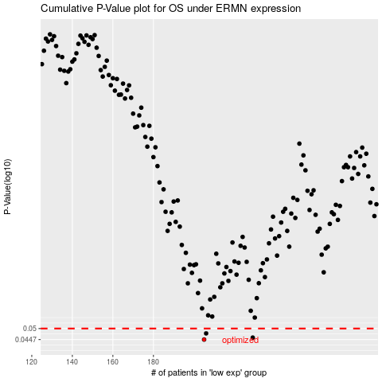

 |  |  |  |  |  | cases_OS | p_OS | rank | exp
 |  |  |  |  |  | 205 | 0.0447 | 144 | -0.22261526842
 |  |  |  |  |  | 229 | 0.0456 | 129 | -0.18142696486
 |  |  |  |  |  | 206 | 0.0476 | 160 | -0.22142119478
 |  |  |  |  |  |  | cases_RFS | p_RFS | rank | exp
 |  |  |  |  |  |  | 204 | 0.0447 | 239 | -0.22901984518
 |  |  |  |  |  |  | 228 | 0.0456 | 62 | -0.18409011091
 |  |  |  |  |  |  | 205 | 0.0476 | 144 | -0.22261526842

