ERN2 _multivariate
Reported by Tex Li-Hsing Chi. tex@gate.sinica.edu.tw 2019-08-20

Table 2. The clinicopathological features of HNSCC cohort and ERN2 expression. (Chi square test)
Cutoff at -0.278 (69.8%)
 |  | ERN2 expression |  | ERN2 expression |  | (Optimised)
 | Features | Low | (%) | High | (%) | Case no | P-value | Remark | Matthews
Gender | Female | 211 | 50.8 | 95 | 22.9 | 415 | 0.5708 | 0 | 0
2 | Male | 79 | 19 | 30 | 7.2
Age at diagnosis | <=65y | 189 | 45.5 | 85 | 20.5 | 415 | 0.6563 | 0 | 0
4 | >65y | 101 | 24.3 | 40 | 9.6
Clinical T Status | T1+T2 | 111 | 26.7 | 38 | 9.2 | 415 | 0.1548 | 0 | 0
6 | T3+T4 | 179 | 43.1 | 87 | 21
Clinical N Status | N0 | 147 | 35.4 | 69 | 16.6 | 415 | 0.4613 | 0 | 0
8 | N1-3 | 143 | 34.5 | 56 | 13.5
Clinical M Status | M0 | 287 | 69.2 | 125 | 30.1 | 415 | 0.5571 | 0 | 0
10 | M1 | 3 | 0.7 | 0 | 0
Clinical Stage | Stage I+II | 76 | 18.3 | 26 | 6.3 | 415 | 0.294 | 0 | 0
12 | Stage III+IV | 214 | 51.6 | 99 | 23.9
Surgical Margin status | Negative | 222 | 53.5 | 96 | 23.1 | 415 | 1 | 0 | 0
14 | Positive | 68 | 16.4 | 29 | 7
Tobacco Exposure | Low | 133 | 32 | 28 | 6.7 | 415 | 0 | 1 | 0
16 | High | 157 | 37.8 | 97 | 23.4

Table 3. Univariate/Multivariate Cox's proportional hazards regression analyses on OS time of ERN2 gene expression in HNSCC

 |  | Univariate |  |  |  | Multivariate
 | Features | HR | CI95%(L) | CI95%(H) | P-value | HR | CI95%(L) | CI95%(H) | P-value
1 | Female | 1 |  |  |  | 1
Gender | Male | 1.157 | 0.843 | 1.587 | 0.367 | 1.188 | 0.849 | 1.662 | 0.315
11 | <=65y | 1 |  |  |  | 1
Age at diagnosis | >65y | 1.329 | 0.99 | 1.784 | 0.058 | 1.473 | 1.079 | 2.01 | 0.015
12 | T1+T2 | 1 |  |  |  | 1
Clinical T Status | T3+T4 | 1.409 | 1.028 | 1.931 | 0.033 | 2.199 | 1.164 | 4.155 | 0.015
13 | N0 | 1 |  |  |  | 1
Clinical N Status | N1-3 | 1.185 | 0.89 | 1.577 | 0.246 | 1.213 | 0.85 | 1.732 | 0.287
14 | M0 | 1 |  |  |  | 1
Clinical M Status | M1 | 4.097 | 1.009 | 16.644 | 0.049 | 8.338 | 1.817 | 38.259 | 0.006
15 | Stage I+II | 1 |  |  |  | 1
Clinical Stage | Stage III+IV | 1.245 | 0.882 | 1.759 | 0.213 | 0.526 | 0.245 | 1.132 | 0.1
16 | Negative | 1 |  |  |  | 1
Surgical Margin status | Positive | 1.591 | 1.155 | 2.191 | 0.004 | 1.662 | 1.204 | 2.293 | 0.002
17 | Low | 1 |  |  |  | 1
Tobacco Exposure | High | 1.364 | 1.008 | 1.844 | 0.044 | 1.64 | 1.178 | 2.285 | 0.003
18 | Low | 1 |  |  |  | 1
RNAseq(z-score) | High | 0.712 | 0.508 | 0.997 | 0.048 | 0.613 | 0.432 | 0.87 | 0.006

Table 4. Univariate/Multivariate Cox's proportional hazards regression analyses on RFS time of ERN2 gene expression in HNSCC

 |  | Univariate |  |  |  | Multivariate
 | Features | HR | CI95%(L) | CI95%(H) | P-value | HR | CI95%(L) | CI95%(H) | P-value
1 | Female | 1 |  |  |  | 1
Gender | Male | 1.157 | 0.843 | 1.587 | 0.367 | 1.188 | 0.849 | 1.662 | 0.315
11 | <=65y | 1 |  |  |  | 1
Age at diagnosis | >65y | 1.329 | 0.99 | 1.784 | 0.058 | 1.473 | 1.079 | 2.01 | 0.015
12 | T1+T2 | 1 |  |  |  | 1
Clinical T Status | T3+T4 | 1.409 | 1.028 | 1.931 | 0.033 | 2.199 | 1.164 | 4.155 | 0.015
13 | N0 | 1 |  |  |  | 1
Clinical N Status | N1-3 | 1.185 | 0.89 | 1.577 | 0.246 | 1.213 | 0.85 | 1.732 | 0.287
14 | M0 | 1 |  |  |  | 1
Clinical M Status | M1 | 4.097 | 1.009 | 16.644 | 0.049 | 8.338 | 1.817 | 38.259 | 0.006
15 | Stage I+II | 1 |  |  |  | 1
Clinical Stage | Stage III+IV | 1.245 | 0.882 | 1.759 | 0.213 | 0.526 | 0.245 | 1.132 | 0.1
16 | Negative | 1 |  |  |  | 1
Surgical Margin status | Positive | 1.591 | 1.155 | 2.191 | 0.004 | 1.662 | 1.204 | 2.293 | 0.002
17 | Low | 1 |  |  |  | 1
Tobacco Exposure | High | 1.364 | 1.008 | 1.844 | 0.044 | 1.64 | 1.178 | 2.285 | 0.003
18 | Low | 1 |  |  |  | 1
RNAseq(z-score) | High | 0.712 | 0.508 | 0.997 | 0.048 | 0.613 | 0.432 | 0.87 | 0.006

Kaplan-Meier survival estimate: Cutoff at -0.278 (69.8%)



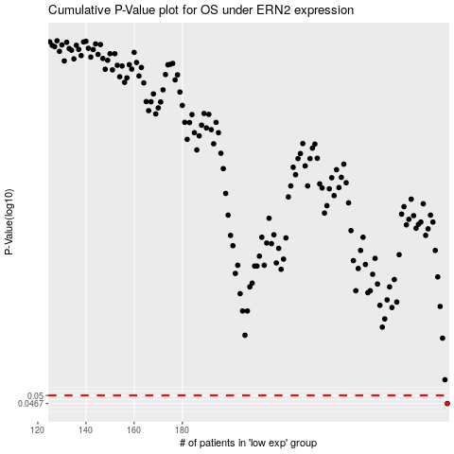

 |  |  |  |  |  | cases_OS | p_OS | rank | exp
 |  |  |  |  |  | 290 | 0.0467 | 183 | -0.27793490543
 |  |  |  |  |  |  | cases_RFS | p_RFS | rank | exp
 |  |  |  |  |  |  | 289 | 0.0467 | 371 | -0.27860750861

