ERO1L _multivariate
Reported by Tex Li-Hsing Chi. tex@gate.sinica.edu.tw 2019-08-20

Table 2. The clinicopathological features of HNSCC cohort and ERO1L expression. (Chi square test)
Cutoff at -0.256 (50.0%)
 |  | ERO1L expression |  | ERO1L expression |  | (Optimised)
 | Features | Low | (%) | High | (%) | Case no | P-value | Remark | Matthews
Gender | Female | 160 | 38.6 | 146 | 35.2 | 415 | 0.1254 | 0 | 0
2 | Male | 47 | 11.3 | 62 | 14.9
Age at diagnosis | <=65y | 140 | 33.7 | 134 | 32.3 | 415 | 0.5574 | 0 | 0
4 | >65y | 67 | 16.1 | 74 | 17.8
Clinical T Status | T1+T2 | 82 | 19.8 | 67 | 16.1 | 415 | 0.1417 | 0 | 0
6 | T3+T4 | 125 | 30.1 | 141 | 34
Clinical N Status | N0 | 109 | 26.3 | 107 | 25.8 | 415 | 0.8812 | 0 | 0
8 | N1-3 | 98 | 23.6 | 101 | 24.3
Clinical M Status | M0 | 207 | 49.9 | 205 | 49.4 | 415 | 0.2482 | 0 | 0
10 | M1 | 0 | 0 | 3 | 0.7
Clinical Stage | Stage I+II | 54 | 13 | 48 | 11.6 | 415 | 0.5498 | 0 | 0
12 | Stage III+IV | 153 | 36.9 | 160 | 38.6
Surgical Margin status | Negative | 157 | 37.8 | 161 | 38.8 | 415 | 0.729 | 0 | 0
14 | Positive | 50 | 12 | 47 | 11.3
Tobacco Exposure | Low | 89 | 21.4 | 72 | 17.3 | 415 | 0.0872 | 0 | 0
16 | High | 118 | 28.4 | 136 | 32.8

Table 3. Univariate/Multivariate Cox's proportional hazards regression analyses on OS time of ERO1L gene expression in HNSCC

 |  | Univariate |  |  |  | Multivariate
 | Features | HR | CI95%(L) | CI95%(H) | P-value | HR | CI95%(L) | CI95%(H) | P-value
1 | Female | 1 |  |  |  | 1
Gender | Male | 1.157 | 0.843 | 1.587 | 0.367 | 1.19 | 0.851 | 1.663 | 0.309
11 | <=65y | 1 |  |  |  | 1
Age at diagnosis | >65y | 1.329 | 0.99 | 1.784 | 0.058 | 1.387 | 1.021 | 1.884 | 0.037
12 | T1+T2 | 1 |  |  |  | 1
Clinical T Status | T3+T4 | 1.409 | 1.028 | 1.931 | 0.033 | 2.183 | 1.154 | 4.127 | 0.016
13 | N0 | 1 |  |  |  | 1
Clinical N Status | N1-3 | 1.185 | 0.89 | 1.577 | 0.246 | 1.247 | 0.874 | 1.779 | 0.223
14 | M0 | 1 |  |  |  | 1
Clinical M Status | M1 | 4.097 | 1.009 | 16.644 | 0.049 | 8.791 | 1.899 | 40.694 | 0.005
15 | Stage I+II | 1 |  |  |  | 1
Clinical Stage | Stage III+IV | 1.245 | 0.882 | 1.759 | 0.213 | 0.507 | 0.236 | 1.089 | 0.082
16 | Negative | 1 |  |  |  | 1
Surgical Margin status | Positive | 1.591 | 1.155 | 2.191 | 0.004 | 1.688 | 1.221 | 2.335 | 0.002
17 | Low | 1 |  |  |  | 1
Tobacco Exposure | High | 1.364 | 1.008 | 1.844 | 0.044 | 1.436 | 1.04 | 1.981 | 0.028
18 | Low | 1 |  |  |  | 1
RNAseq(z-score) | High | 1.156 | 0.868 | 1.54 | 0.321 | 1.119 | 0.835 | 1.499 | 0.451

Table 4. Univariate/Multivariate Cox's proportional hazards regression analyses on RFS time of ERO1L gene expression in HNSCC

 |  | Univariate |  |  |  | Multivariate
 | Features | HR | CI95%(L) | CI95%(H) | P-value | HR | CI95%(L) | CI95%(H) | P-value
1 | Female | 1 |  |  |  | 1
Gender | Male | 1.157 | 0.843 | 1.587 | 0.367 | 1.19 | 0.851 | 1.663 | 0.309
11 | <=65y | 1 |  |  |  | 1
Age at diagnosis | >65y | 1.329 | 0.99 | 1.784 | 0.058 | 1.387 | 1.021 | 1.884 | 0.037
12 | T1+T2 | 1 |  |  |  | 1
Clinical T Status | T3+T4 | 1.409 | 1.028 | 1.931 | 0.033 | 2.183 | 1.154 | 4.127 | 0.016
13 | N0 | 1 |  |  |  | 1
Clinical N Status | N1-3 | 1.185 | 0.89 | 1.577 | 0.246 | 1.247 | 0.874 | 1.779 | 0.223
14 | M0 | 1 |  |  |  | 1
Clinical M Status | M1 | 4.097 | 1.009 | 16.644 | 0.049 | 8.791 | 1.899 | 40.694 | 0.005
15 | Stage I+II | 1 |  |  |  | 1
Clinical Stage | Stage III+IV | 1.245 | 0.882 | 1.759 | 0.213 | 0.507 | 0.236 | 1.089 | 0.082
16 | Negative | 1 |  |  |  | 1
Surgical Margin status | Positive | 1.591 | 1.155 | 2.191 | 0.004 | 1.688 | 1.221 | 2.335 | 0.002
17 | Low | 1 |  |  |  | 1
Tobacco Exposure | High | 1.364 | 1.008 | 1.844 | 0.044 | 1.436 | 1.04 | 1.981 | 0.028
18 | Low | 1 |  |  |  | 1
RNAseq(z-score) | High | 1.156 | 0.868 | 1.54 | 0.321 | 1.119 | 0.835 | 1.499 | 0.451

Kaplan-Meier survival estimate: Cutoff at -0.256 (50.0%)



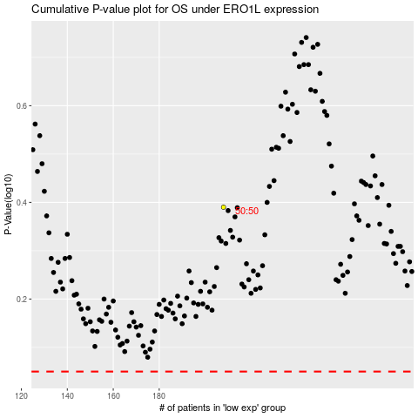

 |  |  |  |  |  | cases_OS | p_OS | rank | exp
 |  |  |  |  |  |  | cases_RFS | p_RFS | rank | exp

