ESRP1 _multivariate
Reported by Tex Li-Hsing Chi. tex@gate.sinica.edu.tw 2019-08-20

Table 2. The clinicopathological features of HNSCC cohort and ESRP1 expression. (Chi square test)
Cutoff at -0.1 (50.0%)
 |  | ESRP1 expression |  | ESRP1 expression |  | (Optimised)
 | Features | Low | (%) | High | (%) | Case no | P-value | Remark | Matthews
Gender | Female | 150 | 36.1 | 156 | 37.6 | 415 | 0.6344 | 0 | 0
2 | Male | 57 | 13.7 | 52 | 12.5
Age at diagnosis | <=65y | 136 | 32.8 | 138 | 33.3 | 415 | 0.9719 | 0 | 0
4 | >65y | 71 | 17.1 | 70 | 16.9
Clinical T Status | T1+T2 | 78 | 18.8 | 71 | 17.1 | 415 | 0.5152 | 0 | 0
6 | T3+T4 | 129 | 31.1 | 137 | 33
Clinical N Status | N0 | 111 | 26.7 | 105 | 25.3 | 415 | 0.5875 | 0 | 0
8 | N1-3 | 96 | 23.1 | 103 | 24.8
Clinical M Status | M0 | 206 | 49.6 | 206 | 49.6 | 415 | 1 | 0 | 0
10 | M1 | 1 | 0.2 | 2 | 0.5
Clinical Stage | Stage I+II | 54 | 13 | 48 | 11.6 | 415 | 0.5498 | 0 | 0
12 | Stage III+IV | 153 | 36.9 | 160 | 38.6
Surgical Margin status | Negative | 154 | 37.1 | 164 | 39.5 | 415 | 0.2984 | 0 | 0
14 | Positive | 53 | 12.8 | 44 | 10.6
Tobacco Exposure | Low | 82 | 19.8 | 79 | 19 | 415 | 0.763 | 0 | 0
16 | High | 125 | 30.1 | 129 | 31.1

Table 3. Univariate/Multivariate Cox's proportional hazards regression analyses on OS time of ESRP1 gene expression in HNSCC

 |  | Univariate |  |  |  | Multivariate
 | Features | HR | CI95%(L) | CI95%(H) | P-value | HR | CI95%(L) | CI95%(H) | P-value
1 | Female | 1 |  |  |  | 1
Gender | Male | 1.157 | 0.843 | 1.587 | 0.367 | 1.208 | 0.865 | 1.688 | 0.267
11 | <=65y | 1 |  |  |  | 1
Age at diagnosis | >65y | 1.329 | 0.99 | 1.784 | 0.058 | 1.388 | 1.021 | 1.887 | 0.036
12 | T1+T2 | 1 |  |  |  | 1
Clinical T Status | T3+T4 | 1.409 | 1.028 | 1.931 | 0.033 | 2.209 | 1.168 | 4.178 | 0.015
13 | N0 | 1 |  |  |  | 1
Clinical N Status | N1-3 | 1.185 | 0.89 | 1.577 | 0.246 | 1.242 | 0.871 | 1.772 | 0.232
14 | M0 | 1 |  |  |  | 1
Clinical M Status | M1 | 4.097 | 1.009 | 16.644 | 0.049 | 9.347 | 2.039 | 42.853 | 0.004
15 | Stage I+II | 1 |  |  |  | 1
Clinical Stage | Stage III+IV | 1.245 | 0.882 | 1.759 | 0.213 | 0.504 | 0.235 | 1.081 | 0.078
16 | Negative | 1 |  |  |  | 1
Surgical Margin status | Positive | 1.591 | 1.155 | 2.191 | 0.004 | 1.7 | 1.227 | 2.357 | 0.001
17 | Low | 1 |  |  |  | 1
Tobacco Exposure | High | 1.364 | 1.008 | 1.844 | 0.044 | 1.456 | 1.057 | 2.006 | 0.022
18 | Low | 1 |  |  |  | 1
RNAseq(z-score) | High | 1.068 | 0.801 | 1.425 | 0.653 | 1.127 | 0.842 | 1.508 | 0.422

Table 4. Univariate/Multivariate Cox's proportional hazards regression analyses on RFS time of ESRP1 gene expression in HNSCC

 |  | Univariate |  |  |  | Multivariate
 | Features | HR | CI95%(L) | CI95%(H) | P-value | HR | CI95%(L) | CI95%(H) | P-value
1 | Female | 1 |  |  |  | 1
Gender | Male | 1.157 | 0.843 | 1.587 | 0.367 | 1.208 | 0.865 | 1.688 | 0.267
11 | <=65y | 1 |  |  |  | 1
Age at diagnosis | >65y | 1.329 | 0.99 | 1.784 | 0.058 | 1.388 | 1.021 | 1.887 | 0.036
12 | T1+T2 | 1 |  |  |  | 1
Clinical T Status | T3+T4 | 1.409 | 1.028 | 1.931 | 0.033 | 2.209 | 1.168 | 4.178 | 0.015
13 | N0 | 1 |  |  |  | 1
Clinical N Status | N1-3 | 1.185 | 0.89 | 1.577 | 0.246 | 1.242 | 0.871 | 1.772 | 0.232
14 | M0 | 1 |  |  |  | 1
Clinical M Status | M1 | 4.097 | 1.009 | 16.644 | 0.049 | 9.347 | 2.039 | 42.853 | 0.004
15 | Stage I+II | 1 |  |  |  | 1
Clinical Stage | Stage III+IV | 1.245 | 0.882 | 1.759 | 0.213 | 0.504 | 0.235 | 1.081 | 0.078
16 | Negative | 1 |  |  |  | 1
Surgical Margin status | Positive | 1.591 | 1.155 | 2.191 | 0.004 | 1.7 | 1.227 | 2.357 | 0.001
17 | Low | 1 |  |  |  | 1
Tobacco Exposure | High | 1.364 | 1.008 | 1.844 | 0.044 | 1.456 | 1.057 | 2.006 | 0.022
18 | Low | 1 |  |  |  | 1
RNAseq(z-score) | High | 1.068 | 0.801 | 1.425 | 0.653 | 1.127 | 0.842 | 1.508 | 0.422

Kaplan-Meier survival estimate: Cutoff at -0.1 (50.0%)



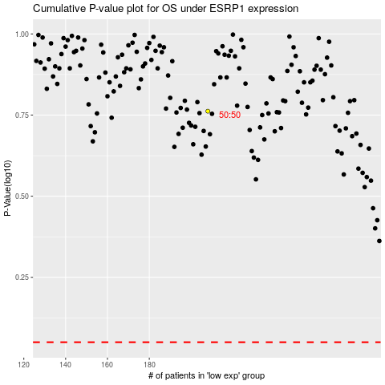

 |  |  |  |  |  | cases_OS | p_OS | rank | exp
 |  |  |  |  |  |  | cases_RFS | p_RFS | rank | exp

