ESRRB _multivariate
Reported by Tex Li-Hsing Chi. tex@gate.sinica.edu.tw 2019-08-20

Table 2. The clinicopathological features of HNSCC cohort and ESRRB expression. (Chi square test)
Cutoff at -0.203 (50.0%)
 |  | ESRRB expression |  | ESRRB expression |  | (Optimised)
 | Features | Low | (%) | High | (%) | Case no | P-value | Remark | Matthews
Gender | Female | 159 | 38.3 | 147 | 35.4 | 415 | 0.1905 | 0 | 0
2 | Male | 48 | 11.6 | 61 | 14.7
Age at diagnosis | <=65y | 133 | 32 | 141 | 34 | 415 | 0.5111 | 0 | 0
4 | >65y | 74 | 17.8 | 67 | 16.1
Clinical T Status | T1+T2 | 66 | 15.9 | 83 | 20 | 415 | 0.1095 | 0 | 0
6 | T3+T4 | 141 | 34 | 125 | 30.1
Clinical N Status | N0 | 119 | 28.7 | 97 | 23.4 | 415 | 0.0345 | 1 | 0
8 | N1-3 | 88 | 21.2 | 111 | 26.7
Clinical M Status | M0 | 204 | 49.2 | 208 | 50.1 | 415 | 0.1232 | 0 | 0
10 | M1 | 3 | 0.7 | 0 | 0
Clinical Stage | Stage I+II | 50 | 12 | 52 | 12.5 | 415 | 0.9315 | 0 | 0
12 | Stage III+IV | 157 | 37.8 | 156 | 37.6
Surgical Margin status | Negative | 166 | 40 | 152 | 36.6 | 415 | 0.1042 | 0 | 0
14 | Positive | 41 | 9.9 | 56 | 13.5
Tobacco Exposure | Low | 78 | 18.8 | 83 | 20 | 415 | 0.6873 | 0 | 0
16 | High | 129 | 31.1 | 125 | 30.1

Table 3. Univariate/Multivariate Cox's proportional hazards regression analyses on OS time of ESRRB gene expression in HNSCC

 |  | Univariate |  |  |  | Multivariate
 | Features | HR | CI95%(L) | CI95%(H) | P-value | HR | CI95%(L) | CI95%(H) | P-value
1 | Female | 1 |  |  |  | 1
Gender | Male | 1.157 | 0.843 | 1.587 | 0.367 | 1.204 | 0.862 | 1.683 | 0.276
11 | <=65y | 1 |  |  |  | 1
Age at diagnosis | >65y | 1.329 | 0.99 | 1.784 | 0.058 | 1.397 | 1.027 | 1.899 | 0.033
12 | T1+T2 | 1 |  |  |  | 1
Clinical T Status | T3+T4 | 1.409 | 1.028 | 1.931 | 0.033 | 2.232 | 1.179 | 4.225 | 0.014
13 | N0 | 1 |  |  |  | 1
Clinical N Status | N1-3 | 1.185 | 0.89 | 1.577 | 0.246 | 1.212 | 0.847 | 1.735 | 0.293
14 | M0 | 1 |  |  |  | 1
Clinical M Status | M1 | 4.097 | 1.009 | 16.644 | 0.049 | 10.33 | 2.226 | 47.948 | 0.003
15 | Stage I+II | 1 |  |  |  | 1
Clinical Stage | Stage III+IV | 1.245 | 0.882 | 1.759 | 0.213 | 0.508 | 0.237 | 1.09 | 0.082
16 | Negative | 1 |  |  |  | 1
Surgical Margin status | Positive | 1.591 | 1.155 | 2.191 | 0.004 | 1.652 | 1.195 | 2.285 | 0.002
17 | Low | 1 |  |  |  | 1
Tobacco Exposure | High | 1.364 | 1.008 | 1.844 | 0.044 | 1.459 | 1.059 | 2.009 | 0.021
18 | Low | 1 |  |  |  | 1
RNAseq(z-score) | High | 1.125 | 0.843 | 1.503 | 0.424 | 1.157 | 0.86 | 1.557 | 0.334

Table 4. Univariate/Multivariate Cox's proportional hazards regression analyses on RFS time of ESRRB gene expression in HNSCC

 |  | Univariate |  |  |  | Multivariate
 | Features | HR | CI95%(L) | CI95%(H) | P-value | HR | CI95%(L) | CI95%(H) | P-value
1 | Female | 1 |  |  |  | 1
Gender | Male | 1.157 | 0.843 | 1.587 | 0.367 | 1.204 | 0.862 | 1.683 | 0.276
11 | <=65y | 1 |  |  |  | 1
Age at diagnosis | >65y | 1.329 | 0.99 | 1.784 | 0.058 | 1.397 | 1.027 | 1.899 | 0.033
12 | T1+T2 | 1 |  |  |  | 1
Clinical T Status | T3+T4 | 1.409 | 1.028 | 1.931 | 0.033 | 2.232 | 1.179 | 4.225 | 0.014
13 | N0 | 1 |  |  |  | 1
Clinical N Status | N1-3 | 1.185 | 0.89 | 1.577 | 0.246 | 1.212 | 0.847 | 1.735 | 0.293
14 | M0 | 1 |  |  |  | 1
Clinical M Status | M1 | 4.097 | 1.009 | 16.644 | 0.049 | 10.33 | 2.226 | 47.948 | 0.003
15 | Stage I+II | 1 |  |  |  | 1
Clinical Stage | Stage III+IV | 1.245 | 0.882 | 1.759 | 0.213 | 0.508 | 0.237 | 1.09 | 0.082
16 | Negative | 1 |  |  |  | 1
Surgical Margin status | Positive | 1.591 | 1.155 | 2.191 | 0.004 | 1.652 | 1.195 | 2.285 | 0.002
17 | Low | 1 |  |  |  | 1
Tobacco Exposure | High | 1.364 | 1.008 | 1.844 | 0.044 | 1.459 | 1.059 | 2.009 | 0.021
18 | Low | 1 |  |  |  | 1
RNAseq(z-score) | High | 1.125 | 0.843 | 1.503 | 0.424 | 1.157 | 0.86 | 1.557 | 0.334

Kaplan-Meier survival estimate: Cutoff at -0.203 (50.0%)

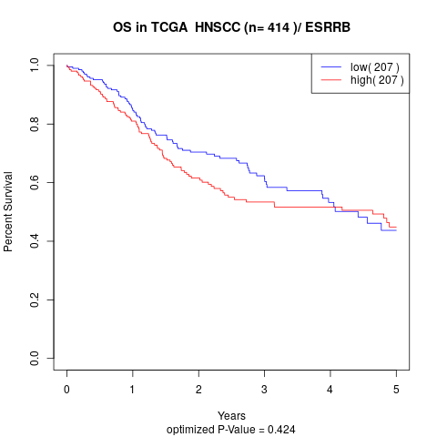

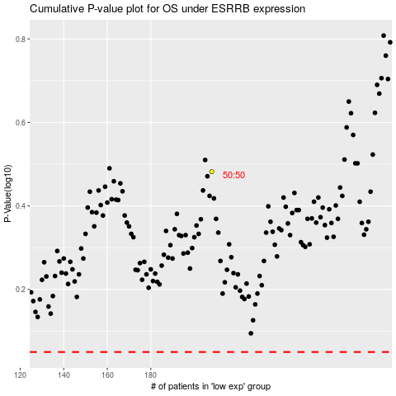

 |  |  |  |  |  | cases_OS | p_OS | rank | exp
 |  |  |  |  |  |  | cases_RFS | p_RFS | rank | exp

