ESRRG _multivariate
Reported by Tex Li-Hsing Chi. tex@gate.sinica.edu.tw 2019-08-20

Table 2. The clinicopathological features of HNSCC cohort and ESRRG expression. (Chi square test)
Cutoff at -0.248 (50.0%)
 |  | ESRRG expression |  | ESRRG expression |  | (Optimised)
 | Features | Low | (%) | High | (%) | Case no | P-value | Remark | Matthews
Gender | Female | 152 | 36.6 | 154 | 37.1 | 415 | 0.9766 | 0 | 0
2 | Male | 55 | 13.3 | 54 | 13
Age at diagnosis | <=65y | 129 | 31.1 | 145 | 34.9 | 415 | 0.1372 | 0 | 0
4 | >65y | 78 | 18.8 | 63 | 15.2
Clinical T Status | T1+T2 | 59 | 14.2 | 90 | 21.7 | 415 | 0.0024 | 1 | 0
6 | T3+T4 | 148 | 35.7 | 118 | 28.4
Clinical N Status | N0 | 107 | 25.8 | 109 | 26.3 | 415 | 0.9624 | 0 | 0
8 | N1-3 | 100 | 24.1 | 99 | 23.9
Clinical M Status | M0 | 204 | 49.2 | 208 | 50.1 | 415 | 0.1232 | 0 | 0
10 | M1 | 3 | 0.7 | 0 | 0
Clinical Stage | Stage I+II | 39 | 9.4 | 63 | 15.2 | 415 | 0.0095 | 1 | 0
12 | Stage III+IV | 168 | 40.5 | 145 | 34.9
Surgical Margin status | Negative | 154 | 37.1 | 164 | 39.5 | 415 | 0.2984 | 0 | 0
14 | Positive | 53 | 12.8 | 44 | 10.6
Tobacco Exposure | Low | 92 | 22.2 | 69 | 16.6 | 415 | 0.0206 | 1 | 0
16 | High | 115 | 27.7 | 139 | 33.5

Table 3. Univariate/Multivariate Cox's proportional hazards regression analyses on OS time of ESRRG gene expression in HNSCC

 |  | Univariate |  |  |  | Multivariate
 | Features | HR | CI95%(L) | CI95%(H) | P-value | HR | CI95%(L) | CI95%(H) | P-value
1 | Female | 1 |  |  |  | 1
Gender | Male | 1.157 | 0.843 | 1.587 | 0.367 | 1.2 | 0.859 | 1.675 | 0.286
11 | <=65y | 1 |  |  |  | 1
Age at diagnosis | >65y | 1.329 | 0.99 | 1.784 | 0.058 | 1.397 | 1.028 | 1.899 | 0.033
12 | T1+T2 | 1 |  |  |  | 1
Clinical T Status | T3+T4 | 1.409 | 1.028 | 1.931 | 0.033 | 2.244 | 1.184 | 4.25 | 0.013
13 | N0 | 1 |  |  |  | 1
Clinical N Status | N1-3 | 1.185 | 0.89 | 1.577 | 0.246 | 1.242 | 0.87 | 1.771 | 0.233
14 | M0 | 1 |  |  |  | 1
Clinical M Status | M1 | 4.097 | 1.009 | 16.644 | 0.049 | 10.087 | 2.178 | 46.714 | 0.003
15 | Stage I+II | 1 |  |  |  | 1
Clinical Stage | Stage III+IV | 1.245 | 0.882 | 1.759 | 0.213 | 0.503 | 0.234 | 1.08 | 0.078
16 | Negative | 1 |  |  |  | 1
Surgical Margin status | Positive | 1.591 | 1.155 | 2.191 | 0.004 | 1.674 | 1.211 | 2.312 | 0.002
17 | Low | 1 |  |  |  | 1
Tobacco Exposure | High | 1.364 | 1.008 | 1.844 | 0.044 | 1.42 | 1.027 | 1.965 | 0.034
18 | Low | 1 |  |  |  | 1
RNAseq(z-score) | High | 1.094 | 0.82 | 1.46 | 0.541 | 1.127 | 0.838 | 1.515 | 0.43

Table 4. Univariate/Multivariate Cox's proportional hazards regression analyses on RFS time of ESRRG gene expression in HNSCC

 |  | Univariate |  |  |  | Multivariate
 | Features | HR | CI95%(L) | CI95%(H) | P-value | HR | CI95%(L) | CI95%(H) | P-value
1 | Female | 1 |  |  |  | 1
Gender | Male | 1.157 | 0.843 | 1.587 | 0.367 | 1.2 | 0.859 | 1.675 | 0.286
11 | <=65y | 1 |  |  |  | 1
Age at diagnosis | >65y | 1.329 | 0.99 | 1.784 | 0.058 | 1.397 | 1.028 | 1.899 | 0.033
12 | T1+T2 | 1 |  |  |  | 1
Clinical T Status | T3+T4 | 1.409 | 1.028 | 1.931 | 0.033 | 2.244 | 1.184 | 4.25 | 0.013
13 | N0 | 1 |  |  |  | 1
Clinical N Status | N1-3 | 1.185 | 0.89 | 1.577 | 0.246 | 1.242 | 0.87 | 1.771 | 0.233
14 | M0 | 1 |  |  |  | 1
Clinical M Status | M1 | 4.097 | 1.009 | 16.644 | 0.049 | 10.087 | 2.178 | 46.714 | 0.003
15 | Stage I+II | 1 |  |  |  | 1
Clinical Stage | Stage III+IV | 1.245 | 0.882 | 1.759 | 0.213 | 0.503 | 0.234 | 1.08 | 0.078
16 | Negative | 1 |  |  |  | 1
Surgical Margin status | Positive | 1.591 | 1.155 | 2.191 | 0.004 | 1.674 | 1.211 | 2.312 | 0.002
17 | Low | 1 |  |  |  | 1
Tobacco Exposure | High | 1.364 | 1.008 | 1.844 | 0.044 | 1.42 | 1.027 | 1.965 | 0.034
18 | Low | 1 |  |  |  | 1
RNAseq(z-score) | High | 1.094 | 0.82 | 1.46 | 0.541 | 1.127 | 0.838 | 1.515 | 0.43

Kaplan-Meier survival estimate: Cutoff at -0.248 (50.0%)



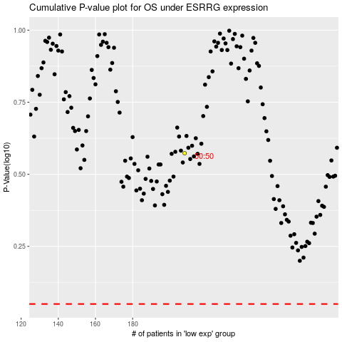

 |  |  |  |  |  | cases_OS | p_OS | rank | exp
 |  |  |  |  |  |  | cases_RFS | p_RFS | rank | exp

