ETF1 _multivariate
Reported by Tex Li-Hsing Chi. tex@gate.sinica.edu.tw 2019-08-20

Table 2. The clinicopathological features of HNSCC cohort and ETF1 expression. (Chi square test)
Cutoff at -0.24 (46.1%)
 |  | ETF1 expression |  | ETF1 expression |  | (Optimised)
 | Features | Low | (%) | High | (%) | Case no | P-value | Remark | Matthews
Gender | Female | 144 | 34.7 | 162 | 39 | 415 | 0.5507 | 0 | 0
2 | Male | 47 | 11.3 | 62 | 14.9
Age at diagnosis | <=65y | 128 | 30.8 | 146 | 35.2 | 415 | 0.7719 | 0 | 0
4 | >65y | 63 | 15.2 | 78 | 18.8
Clinical T Status | T1+T2 | 62 | 14.9 | 87 | 21 | 415 | 0.2122 | 0 | 0
6 | T3+T4 | 129 | 31.1 | 137 | 33
Clinical N Status | N0 | 99 | 23.9 | 117 | 28.2 | 415 | 1 | 0 | 0
8 | N1-3 | 92 | 22.2 | 107 | 25.8
Clinical M Status | M0 | 190 | 45.8 | 222 | 53.5 | 415 | 1 | 0 | 0
10 | M1 | 1 | 0.2 | 2 | 0.5
Clinical Stage | Stage I+II | 48 | 11.6 | 54 | 13 | 415 | 0.8989 | 0 | 0
12 | Stage III+IV | 143 | 34.5 | 170 | 41
Surgical Margin status | Negative | 148 | 35.7 | 170 | 41 | 415 | 0.7282 | 0 | 0
14 | Positive | 43 | 10.4 | 54 | 13
Tobacco Exposure | Low | 76 | 18.3 | 85 | 20.5 | 415 | 0.7618 | 0 | 0
16 | High | 115 | 27.7 | 139 | 33.5

Table 3. Univariate/Multivariate Cox's proportional hazards regression analyses on OS time of ETF1 gene expression in HNSCC

 |  | Univariate |  |  |  | Multivariate
 | Features | HR | CI95%(L) | CI95%(H) | P-value | HR | CI95%(L) | CI95%(H) | P-value
1 | Female | 1 |  |  |  | 1
Gender | Male | 1.157 | 0.843 | 1.587 | 0.367 | 1.173 | 0.839 | 1.64 | 0.351
11 | <=65y | 1 |  |  |  | 1
Age at diagnosis | >65y | 1.329 | 0.99 | 1.784 | 0.058 | 1.384 | 1.017 | 1.883 | 0.038
12 | T1+T2 | 1 |  |  |  | 1
Clinical T Status | T3+T4 | 1.409 | 1.028 | 1.931 | 0.033 | 2.474 | 1.305 | 4.69 | 0.006
13 | N0 | 1 |  |  |  | 1
Clinical N Status | N1-3 | 1.185 | 0.89 | 1.577 | 0.246 | 1.306 | 0.916 | 1.864 | 0.14
14 | M0 | 1 |  |  |  | 1
Clinical M Status | M1 | 4.097 | 1.009 | 16.644 | 0.049 | 9.814 | 2.14 | 45.006 | 0.003
15 | Stage I+II | 1 |  |  |  | 1
Clinical Stage | Stage III+IV | 1.245 | 0.882 | 1.759 | 0.213 | 0.463 | 0.216 | 0.995 | 0.049
16 | Negative | 1 |  |  |  | 1
Surgical Margin status | Positive | 1.591 | 1.155 | 2.191 | 0.004 | 1.639 | 1.187 | 2.262 | 0.003
17 | Low | 1 |  |  |  | 1
Tobacco Exposure | High | 1.364 | 1.008 | 1.844 | 0.044 | 1.467 | 1.064 | 2.022 | 0.019
18 | Low | 1 |  |  |  | 1
RNAseq(z-score) | High | 1.475 | 1.099 | 1.978 | 0.01 | 1.566 | 1.161 | 2.113 | 0.003

Table 4. Univariate/Multivariate Cox's proportional hazards regression analyses on RFS time of ETF1 gene expression in HNSCC

 |  | Univariate |  |  |  | Multivariate
 | Features | HR | CI95%(L) | CI95%(H) | P-value | HR | CI95%(L) | CI95%(H) | P-value
1 | Female | 1 |  |  |  | 1
Gender | Male | 1.157 | 0.843 | 1.587 | 0.367 | 1.173 | 0.839 | 1.64 | 0.351
11 | <=65y | 1 |  |  |  | 1
Age at diagnosis | >65y | 1.329 | 0.99 | 1.784 | 0.058 | 1.384 | 1.017 | 1.883 | 0.038
12 | T1+T2 | 1 |  |  |  | 1
Clinical T Status | T3+T4 | 1.409 | 1.028 | 1.931 | 0.033 | 2.474 | 1.305 | 4.69 | 0.006
13 | N0 | 1 |  |  |  | 1
Clinical N Status | N1-3 | 1.185 | 0.89 | 1.577 | 0.246 | 1.306 | 0.916 | 1.864 | 0.14
14 | M0 | 1 |  |  |  | 1
Clinical M Status | M1 | 4.097 | 1.009 | 16.644 | 0.049 | 9.814 | 2.14 | 45.006 | 0.003
15 | Stage I+II | 1 |  |  |  | 1
Clinical Stage | Stage III+IV | 1.245 | 0.882 | 1.759 | 0.213 | 0.463 | 0.216 | 0.995 | 0.049
16 | Negative | 1 |  |  |  | 1
Surgical Margin status | Positive | 1.591 | 1.155 | 2.191 | 0.004 | 1.639 | 1.187 | 2.262 | 0.003
17 | Low | 1 |  |  |  | 1
Tobacco Exposure | High | 1.364 | 1.008 | 1.844 | 0.044 | 1.467 | 1.064 | 2.022 | 0.019
18 | Low | 1 |  |  |  | 1
RNAseq(z-score) | High | 1.475 | 1.099 | 1.978 | 0.01 | 1.566 | 1.161 | 2.113 | 0.003

Kaplan-Meier survival estimate: Cutoff at -0.24 (46.1%)

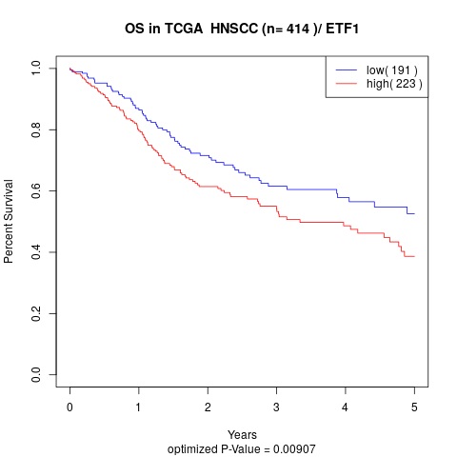

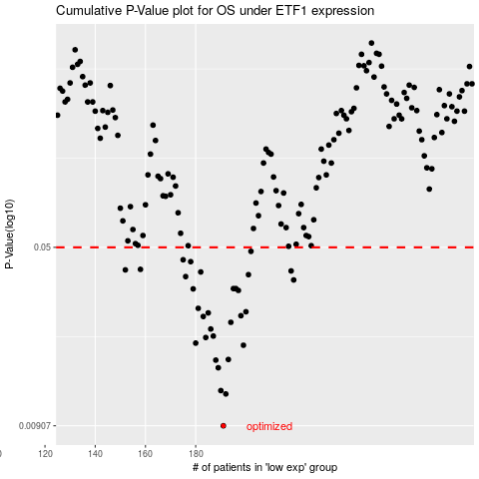

 |  |  |  |  |  | cases_OS | p_OS | rank | exp
 |  |  |  |  |  | 191 | 0.00907 | 361 | -0.23973858995
 |  |  |  |  |  | 192 | 0.0123 | 133 | -0.23962291463
 |  |  |  |  |  | 190 | 0.0127 | 190 | -0.24460239372
 |  |  |  |  |  | 189 | 0.0158 | 329 | -0.25267781022
 |  |  |  |  |  | 188 | 0.017 | 98 | -0.25968370718
 |  |  |  |  |  | 193 | 0.0171 | 276 | -0.23804211399
 |  |  |  |  |  | 199 | 0.0196 | 80 | -0.20794362388
 |  |  |  |  |  | 180 | 0.02 | 148 | -0.33381660518
 |  |  |  |  |  | 184 | 0.0211 | 410 | -0.27607715294
 |  |  |  |  |  | 187 | 0.0214 | 42 | -0.26861323132
 |  |  |  |  |  | 186 | 0.0229 | 19 | -0.27115952007
 |  |  |  |  |  | 194 | 0.0244 | 79 | -0.22758838611
 |  |  |  |  |  | 183 | 0.0258 | 168 | -0.278335685
 |  |  |  |  |  | 198 | 0.026 | 122 | -0.2129760731
 |  |  |  |  |  | 185 | 0.0267 | 91 | -0.27276332216
 |  |  |  |  |  | 200 | 0.027 | 241 | -0.19078607198
 |  |  |  |  |  | 181 | 0.0279 | 217 | -0.31495074255
 |  |  |  |  |  | 197 | 0.0331 | 189 | -0.21694873784
 |  |  |  |  |  | 179 | 0.0336 | 177 | -0.34161829493
 |  |  |  |  |  | 196 | 0.0337 | 13 | -0.21701172935
 |  |  |  |  |  | 195 | 0.0337 | 333 | -0.22517457043
 |  |  |  |  |  | 219 | 0.0366 | 370 | -0.076047794971
 |  |  |  |  |  | 176 | 0.0378 | 229 | -0.3617757699
 |  |  |  |  |  | 201 | 0.0385 | 180 | -0.18719603296
 |  |  |  |  |  | 182 | 0.0395 | 184 | -0.28466232348
 |  |  |  |  |  | 218 | 0.0399 | 393 | -0.077029889921
 |  |  |  |  |  | 152 | 0.0403 | 58 | -0.48998172778
 |  |  |  |  |  | 158 | 0.0405 | 264 | -0.47001007777
 |  |  |  |  |  | 178 | 0.0436 | 282 | -0.35224143179
 |  |  |  |  |  | 175 | 0.0444 | 290 | -0.38134656483
 |  |  |  |  |  | 202 | 0.0481 | 369 | -0.18555596302
 |  |  |  |  |  |  | cases_RFS | p_RFS | rank | exp
 |  |  |  |  |  |  | 190 | 0.00907 | 190 | -0.24460239372
 |  |  |  |  |  |  | 191 | 0.0123 | 361 | -0.23973858995
 |  |  |  |  |  |  | 189 | 0.0127 | 329 | -0.25267781022
 |  |  |  |  |  |  | 188 | 0.0158 | 98 | -0.25968370718
 |  |  |  |  |  |  | 187 | 0.017 | 42 | -0.26861323132
 |  |  |  |  |  |  | 192 | 0.0171 | 133 | -0.23962291463
 |  |  |  |  |  |  | 198 | 0.0196 | 122 | -0.2129760731
 |  |  |  |  |  |  | 179 | 0.02 | 177 | -0.34161829493
 |  |  |  |  |  |  | 183 | 0.0211 | 168 | -0.278335685
 |  |  |  |  |  |  | 186 | 0.0214 | 19 | -0.27115952007
 |  |  |  |  |  |  | 185 | 0.0229 | 91 | -0.27276332216
 |  |  |  |  |  |  | 193 | 0.0244 | 276 | -0.23804211399
 |  |  |  |  |  |  | 182 | 0.0258 | 184 | -0.28466232348
 |  |  |  |  |  |  | 197 | 0.026 | 189 | -0.21694873784
 |  |  |  |  |  |  | 184 | 0.0267 | 410 | -0.27607715294
 |  |  |  |  |  |  | 199 | 0.027 | 80 | -0.20794362388
 |  |  |  |  |  |  | 180 | 0.0279 | 148 | -0.33381660518
 |  |  |  |  |  |  | 196 | 0.0331 | 13 | -0.21701172935
 |  |  |  |  |  |  | 178 | 0.0336 | 282 | -0.35224143179
 |  |  |  |  |  |  | 194 | 0.0337 | 79 | -0.22758838611
 |  |  |  |  |  |  | 195 | 0.0337 | 333 | -0.22517457043
 |  |  |  |  |  |  | 218 | 0.0366 | 393 | -0.077029889921
 |  |  |  |  |  |  | 175 | 0.0378 | 290 | -0.38134656483
 |  |  |  |  |  |  | 200 | 0.0385 | 241 | -0.19078607198
 |  |  |  |  |  |  | 181 | 0.0395 | 217 | -0.31495074255
 |  |  |  |  |  |  | 217 | 0.0399 | 363 | -0.10611135342
 |  |  |  |  |  |  | 151 | 0.0403 | 205 | -0.49422096115
 |  |  |  |  |  |  | 157 | 0.0405 | 49 | -0.47137708904
 |  |  |  |  |  |  | 177 | 0.0436 | 39 | -0.35697734369
 |  |  |  |  |  |  | 174 | 0.0444 | 51 | -0.38193181325
 |  |  |  |  |  |  | 201 | 0.0481 | 180 | -0.18719603296

