ETFB _multivariate
Reported by Tex Li-Hsing Chi. tex@gate.sinica.edu.tw 2019-08-20

Table 2. The clinicopathological features of HNSCC cohort and ETFB expression. (Chi square test)
Cutoff at -0.326 (44.0%)
 |  | ETFB expression |  | ETFB expression |  | (Optimised)
 | Features | Low | (%) | High | (%) | Case no | P-value | Remark | Matthews
Gender | Female | 134 | 32.3 | 172 | 41.4 | 415 | 1 | 0 | 0
2 | Male | 48 | 11.6 | 61 | 14.7
Age at diagnosis | <=65y | 127 | 30.6 | 147 | 35.4 | 415 | 0.1857 | 0 | 0
4 | >65y | 55 | 13.3 | 86 | 20.7
Clinical T Status | T1+T2 | 66 | 15.9 | 83 | 20 | 415 | 0.9744 | 0 | 0
6 | T3+T4 | 116 | 28 | 150 | 36.1
Clinical N Status | N0 | 92 | 22.2 | 124 | 29.9 | 415 | 0.6591 | 0 | 0
8 | N1-3 | 90 | 21.7 | 109 | 26.3
Clinical M Status | M0 | 182 | 43.9 | 230 | 55.4 | 415 | 0.2595 | 0 | 0
10 | M1 | 0 | 0 | 3 | 0.7
Clinical Stage | Stage I+II | 46 | 11.1 | 56 | 13.5 | 415 | 0.86 | 0 | 0
12 | Stage III+IV | 136 | 32.8 | 177 | 42.7
Surgical Margin status | Negative | 145 | 34.9 | 173 | 41.7 | 415 | 0.2012 | 0 | 0
14 | Positive | 37 | 8.9 | 60 | 14.5
Tobacco Exposure | Low | 75 | 18.1 | 86 | 20.7 | 415 | 0.4169 | 0 | 0
16 | High | 107 | 25.8 | 147 | 35.4

Table 3. Univariate/Multivariate Cox's proportional hazards regression analyses on OS time of ETFB gene expression in HNSCC

 |  | Univariate |  |  |  | Multivariate
 | Features | HR | CI95%(L) | CI95%(H) | P-value | HR | CI95%(L) | CI95%(H) | P-value
1 | Female | 1 |  |  |  | 1
Gender | Male | 1.157 | 0.843 | 1.587 | 0.367 | 1.18 | 0.844 | 1.651 | 0.333
11 | <=65y | 1 |  |  |  | 1
Age at diagnosis | >65y | 1.329 | 0.99 | 1.784 | 0.058 | 1.379 | 1.015 | 1.874 | 0.04
12 | T1+T2 | 1 |  |  |  | 1
Clinical T Status | T3+T4 | 1.409 | 1.028 | 1.931 | 0.033 | 2.193 | 1.159 | 4.148 | 0.016
13 | N0 | 1 |  |  |  | 1
Clinical N Status | N1-3 | 1.185 | 0.89 | 1.577 | 0.246 | 1.242 | 0.87 | 1.771 | 0.232
14 | M0 | 1 |  |  |  | 1
Clinical M Status | M1 | 4.097 | 1.009 | 16.644 | 0.049 | 8.59 | 1.862 | 39.63 | 0.006
15 | Stage I+II | 1 |  |  |  | 1
Clinical Stage | Stage III+IV | 1.245 | 0.882 | 1.759 | 0.213 | 0.501 | 0.234 | 1.076 | 0.076
16 | Negative | 1 |  |  |  | 1
Surgical Margin status | Positive | 1.591 | 1.155 | 2.191 | 0.004 | 1.642 | 1.187 | 2.272 | 0.003
17 | Low | 1 |  |  |  | 1
Tobacco Exposure | High | 1.364 | 1.008 | 1.844 | 0.044 | 1.406 | 1.017 | 1.945 | 0.039
18 | Low | 1 |  |  |  | 1
RNAseq(z-score) | High | 1.379 | 1.025 | 1.856 | 0.034 | 1.207 | 0.89 | 1.636 | 0.226

Table 4. Univariate/Multivariate Cox's proportional hazards regression analyses on RFS time of ETFB gene expression in HNSCC

 |  | Univariate |  |  |  | Multivariate
 | Features | HR | CI95%(L) | CI95%(H) | P-value | HR | CI95%(L) | CI95%(H) | P-value
1 | Female | 1 |  |  |  | 1
Gender | Male | 1.157 | 0.843 | 1.587 | 0.367 | 1.18 | 0.844 | 1.651 | 0.333
11 | <=65y | 1 |  |  |  | 1
Age at diagnosis | >65y | 1.329 | 0.99 | 1.784 | 0.058 | 1.379 | 1.015 | 1.874 | 0.04
12 | T1+T2 | 1 |  |  |  | 1
Clinical T Status | T3+T4 | 1.409 | 1.028 | 1.931 | 0.033 | 2.193 | 1.159 | 4.148 | 0.016
13 | N0 | 1 |  |  |  | 1
Clinical N Status | N1-3 | 1.185 | 0.89 | 1.577 | 0.246 | 1.242 | 0.87 | 1.771 | 0.232
14 | M0 | 1 |  |  |  | 1
Clinical M Status | M1 | 4.097 | 1.009 | 16.644 | 0.049 | 8.59 | 1.862 | 39.63 | 0.006
15 | Stage I+II | 1 |  |  |  | 1
Clinical Stage | Stage III+IV | 1.245 | 0.882 | 1.759 | 0.213 | 0.501 | 0.234 | 1.076 | 0.076
16 | Negative | 1 |  |  |  | 1
Surgical Margin status | Positive | 1.591 | 1.155 | 2.191 | 0.004 | 1.642 | 1.187 | 2.272 | 0.003
17 | Low | 1 |  |  |  | 1
Tobacco Exposure | High | 1.364 | 1.008 | 1.844 | 0.044 | 1.406 | 1.017 | 1.945 | 0.039
18 | Low | 1 |  |  |  | 1
RNAseq(z-score) | High | 1.379 | 1.025 | 1.856 | 0.034 | 1.207 | 0.89 | 1.636 | 0.226

Kaplan-Meier survival estimate: Cutoff at -0.326 (44.0%)



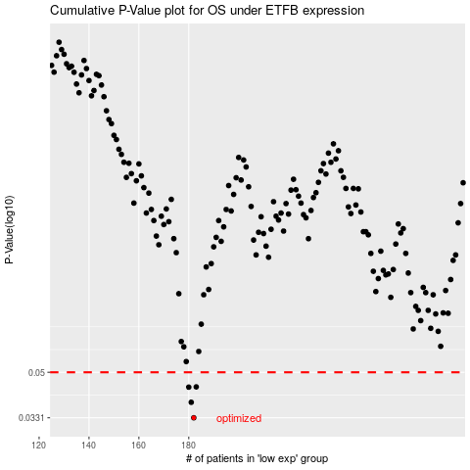

 |  |  |  |  |  | cases_OS | p_OS | rank | exp
 |  |  |  |  |  | 182 | 0.0331 | 52 | -0.3255984506
 |  |  |  |  |  | 181 | 0.0381 | 269 | -0.32710563306
 |  |  |  |  |  | 180 | 0.0437 | 376 | -0.33028596736
 |  |  |  |  |  | 183 | 0.0438 | 201 | -0.32228435967
 |  |  |  |  |  |  | cases_RFS | p_RFS | rank | exp
 |  |  |  |  |  |  | 181 | 0.0331 | 269 | -0.32710563306
 |  |  |  |  |  |  | 180 | 0.0381 | 376 | -0.33028596736
 |  |  |  |  |  |  | 179 | 0.0437 | 127 | -0.33069427024
 |  |  |  |  |  |  | 182 | 0.0438 | 52 | -0.3255984506

