ETFDH _multivariate
Reported by Tex Li-Hsing Chi. tex@gate.sinica.edu.tw 2019-08-20

Table 2. The clinicopathological features of HNSCC cohort and ETFDH expression. (Chi square test)
Cutoff at -0.295 (50.0%)
 |  | ETFDH expression |  | ETFDH expression |  | (Optimised)
 | Features | Low | (%) | High | (%) | Case no | P-value | Remark | Matthews
Gender | Female | 158 | 38.1 | 148 | 35.7 | 415 | 0.2774 | 0 | 0
2 | Male | 49 | 11.8 | 60 | 14.5
Age at diagnosis | <=65y | 131 | 31.6 | 143 | 34.5 | 415 | 0.2839 | 0 | 0
4 | >65y | 76 | 18.3 | 65 | 15.7
Clinical T Status | T1+T2 | 72 | 17.3 | 77 | 18.6 | 415 | 0.7095 | 0 | 0
6 | T3+T4 | 135 | 32.5 | 131 | 31.6
Clinical N Status | N0 | 106 | 25.5 | 110 | 26.5 | 415 | 0.8075 | 0 | 0
8 | N1-3 | 101 | 24.3 | 98 | 23.6
Clinical M Status | M0 | 204 | 49.2 | 208 | 50.1 | 415 | 0.1232 | 0 | 0
10 | M1 | 3 | 0.7 | 0 | 0
Clinical Stage | Stage I+II | 52 | 12.5 | 50 | 12 | 415 | 0.8871 | 0 | 0
12 | Stage III+IV | 155 | 37.3 | 158 | 38.1
Surgical Margin status | Negative | 164 | 39.5 | 154 | 37.1 | 415 | 0.2462 | 0 | 0
14 | Positive | 43 | 10.4 | 54 | 13
Tobacco Exposure | Low | 76 | 18.3 | 85 | 20.5 | 415 | 0.4207 | 0 | 0
16 | High | 131 | 31.6 | 123 | 29.6

Table 3. Univariate/Multivariate Cox's proportional hazards regression analyses on OS time of ETFDH gene expression in HNSCC

 |  | Univariate |  |  |  | Multivariate
 | Features | HR | CI95%(L) | CI95%(H) | P-value | HR | CI95%(L) | CI95%(H) | P-value
1 | Female | 1 |  |  |  | 1
Gender | Male | 1.157 | 0.843 | 1.587 | 0.367 | 1.198 | 0.856 | 1.675 | 0.292
11 | <=65y | 1 |  |  |  | 1
Age at diagnosis | >65y | 1.329 | 0.99 | 1.784 | 0.058 | 1.394 | 1.025 | 1.897 | 0.034
12 | T1+T2 | 1 |  |  |  | 1
Clinical T Status | T3+T4 | 1.409 | 1.028 | 1.931 | 0.033 | 2.212 | 1.169 | 4.188 | 0.015
13 | N0 | 1 |  |  |  | 1
Clinical N Status | N1-3 | 1.185 | 0.89 | 1.577 | 0.246 | 1.247 | 0.872 | 1.782 | 0.227
14 | M0 | 1 |  |  |  | 1
Clinical M Status | M1 | 4.097 | 1.009 | 16.644 | 0.049 | 9.579 | 2.073 | 44.261 | 0.004
15 | Stage I+II | 1 |  |  |  | 1
Clinical Stage | Stage III+IV | 1.245 | 0.882 | 1.759 | 0.213 | 0.502 | 0.233 | 1.078 | 0.077
16 | Negative | 1 |  |  |  | 1
Surgical Margin status | Positive | 1.591 | 1.155 | 2.191 | 0.004 | 1.666 | 1.204 | 2.305 | 0.002
17 | Low | 1 |  |  |  | 1
Tobacco Exposure | High | 1.364 | 1.008 | 1.844 | 0.044 | 1.453 | 1.054 | 2.002 | 0.022
18 | Low | 1 |  |  |  | 1
RNAseq(z-score) | High | 1.013 | 0.76 | 1.35 | 0.931 | 1.035 | 0.772 | 1.388 | 0.818

Table 4. Univariate/Multivariate Cox's proportional hazards regression analyses on RFS time of ETFDH gene expression in HNSCC

 |  | Univariate |  |  |  | Multivariate
 | Features | HR | CI95%(L) | CI95%(H) | P-value | HR | CI95%(L) | CI95%(H) | P-value
1 | Female | 1 |  |  |  | 1
Gender | Male | 1.157 | 0.843 | 1.587 | 0.367 | 1.198 | 0.856 | 1.675 | 0.292
11 | <=65y | 1 |  |  |  | 1
Age at diagnosis | >65y | 1.329 | 0.99 | 1.784 | 0.058 | 1.394 | 1.025 | 1.897 | 0.034
12 | T1+T2 | 1 |  |  |  | 1
Clinical T Status | T3+T4 | 1.409 | 1.028 | 1.931 | 0.033 | 2.212 | 1.169 | 4.188 | 0.015
13 | N0 | 1 |  |  |  | 1
Clinical N Status | N1-3 | 1.185 | 0.89 | 1.577 | 0.246 | 1.247 | 0.872 | 1.782 | 0.227
14 | M0 | 1 |  |  |  | 1
Clinical M Status | M1 | 4.097 | 1.009 | 16.644 | 0.049 | 9.579 | 2.073 | 44.261 | 0.004
15 | Stage I+II | 1 |  |  |  | 1
Clinical Stage | Stage III+IV | 1.245 | 0.882 | 1.759 | 0.213 | 0.502 | 0.233 | 1.078 | 0.077
16 | Negative | 1 |  |  |  | 1
Surgical Margin status | Positive | 1.591 | 1.155 | 2.191 | 0.004 | 1.666 | 1.204 | 2.305 | 0.002
17 | Low | 1 |  |  |  | 1
Tobacco Exposure | High | 1.364 | 1.008 | 1.844 | 0.044 | 1.453 | 1.054 | 2.002 | 0.022
18 | Low | 1 |  |  |  | 1
RNAseq(z-score) | High | 1.013 | 0.76 | 1.35 | 0.931 | 1.035 | 0.772 | 1.388 | 0.818

Kaplan-Meier survival estimate: Cutoff at -0.295 (50.0%)



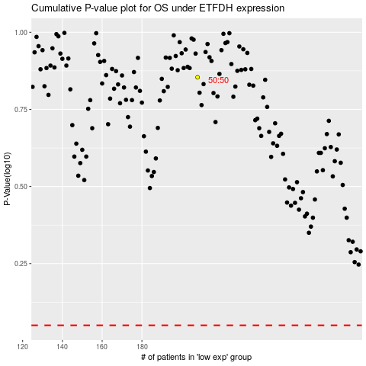

 |  |  |  |  |  | cases_OS | p_OS | rank | exp
 |  |  |  |  |  |  | cases_RFS | p_RFS | rank | exp

