ETNK2 _multivariate
Reported by Tex Li-Hsing Chi. tex@gate.sinica.edu.tw 2019-08-20

Table 2. The clinicopathological features of HNSCC cohort and ETNK2 expression. (Chi square test)
Cutoff at -0.346 (50.0%)
 |  | ETNK2 expression |  | ETNK2 expression |  | (Optimised)
 | Features | Low | (%) | High | (%) | Case no | P-value | Remark | Matthews
Gender | Female | 142 | 34.2 | 164 | 39.5 | 415 | 0.0238 | 1 | 0
2 | Male | 65 | 15.7 | 44 | 10.6
Age at diagnosis | <=65y | 130 | 31.3 | 144 | 34.7 | 415 | 0.2009 | 0 | 0
4 | >65y | 77 | 18.6 | 64 | 15.4
Clinical T Status | T1+T2 | 78 | 18.8 | 71 | 17.1 | 415 | 0.5152 | 0 | 0
6 | T3+T4 | 129 | 31.1 | 137 | 33
Clinical N Status | N0 | 117 | 28.2 | 99 | 23.9 | 415 | 0.0852 | 1 | 0
8 | N1-3 | 90 | 21.7 | 109 | 26.3
Clinical M Status | M0 | 205 | 49.4 | 207 | 49.9 | 415 | 0.6232 | 0 | 0
10 | M1 | 2 | 0.5 | 1 | 0.2
Clinical Stage | Stage I+II | 60 | 14.5 | 42 | 10.1 | 415 | 0.0493 | 1 | 0
12 | Stage III+IV | 147 | 35.4 | 166 | 40
Surgical Margin status | Negative | 158 | 38.1 | 160 | 38.6 | 415 | 0.9081 | 0 | 0
14 | Positive | 49 | 11.8 | 48 | 11.6
Tobacco Exposure | Low | 104 | 25.1 | 57 | 13.7 | 415 | 0 | 1 | 0
16 | High | 103 | 24.8 | 151 | 36.4

Table 3. Univariate/Multivariate Cox's proportional hazards regression analyses on OS time of ETNK2 gene expression in HNSCC

 |  | Univariate |  |  |  | Multivariate
 | Features | HR | CI95%(L) | CI95%(H) | P-value | HR | CI95%(L) | CI95%(H) | P-value
1 | Female | 1 |  |  |  | 1
Gender | Male | 1.157 | 0.843 | 1.587 | 0.367 | 1.196 | 0.853 | 1.676 | 0.3
11 | <=65y | 1 |  |  |  | 1
Age at diagnosis | >65y | 1.329 | 0.99 | 1.784 | 0.058 | 1.393 | 1.024 | 1.893 | 0.035
12 | T1+T2 | 1 |  |  |  | 1
Clinical T Status | T3+T4 | 1.409 | 1.028 | 1.931 | 0.033 | 2.192 | 1.157 | 4.151 | 0.016
13 | N0 | 1 |  |  |  | 1
Clinical N Status | N1-3 | 1.185 | 0.89 | 1.577 | 0.246 | 1.24 | 0.869 | 1.769 | 0.235
14 | M0 | 1 |  |  |  | 1
Clinical M Status | M1 | 4.097 | 1.009 | 16.644 | 0.049 | 9.261 | 2.005 | 42.773 | 0.004
15 | Stage I+II | 1 |  |  |  | 1
Clinical Stage | Stage III+IV | 1.245 | 0.882 | 1.759 | 0.213 | 0.509 | 0.236 | 1.097 | 0.085
16 | Negative | 1 |  |  |  | 1
Surgical Margin status | Positive | 1.591 | 1.155 | 2.191 | 0.004 | 1.669 | 1.207 | 2.307 | 0.002
17 | Low | 1 |  |  |  | 1
Tobacco Exposure | High | 1.364 | 1.008 | 1.844 | 0.044 | 1.463 | 1.054 | 2.032 | 0.023
18 | Low | 1 |  |  |  | 1
RNAseq(z-score) | High | 0.974 | 0.728 | 1.301 | 0.857 | 0.969 | 0.712 | 1.318 | 0.841

Table 4. Univariate/Multivariate Cox's proportional hazards regression analyses on RFS time of ETNK2 gene expression in HNSCC

 |  | Univariate |  |  |  | Multivariate
 | Features | HR | CI95%(L) | CI95%(H) | P-value | HR | CI95%(L) | CI95%(H) | P-value
1 | Female | 1 |  |  |  | 1
Gender | Male | 1.157 | 0.843 | 1.587 | 0.367 | 1.196 | 0.853 | 1.676 | 0.3
11 | <=65y | 1 |  |  |  | 1
Age at diagnosis | >65y | 1.329 | 0.99 | 1.784 | 0.058 | 1.393 | 1.024 | 1.893 | 0.035
12 | T1+T2 | 1 |  |  |  | 1
Clinical T Status | T3+T4 | 1.409 | 1.028 | 1.931 | 0.033 | 2.192 | 1.157 | 4.151 | 0.016
13 | N0 | 1 |  |  |  | 1
Clinical N Status | N1-3 | 1.185 | 0.89 | 1.577 | 0.246 | 1.24 | 0.869 | 1.769 | 0.235
14 | M0 | 1 |  |  |  | 1
Clinical M Status | M1 | 4.097 | 1.009 | 16.644 | 0.049 | 9.261 | 2.005 | 42.773 | 0.004
15 | Stage I+II | 1 |  |  |  | 1
Clinical Stage | Stage III+IV | 1.245 | 0.882 | 1.759 | 0.213 | 0.509 | 0.236 | 1.097 | 0.085
16 | Negative | 1 |  |  |  | 1
Surgical Margin status | Positive | 1.591 | 1.155 | 2.191 | 0.004 | 1.669 | 1.207 | 2.307 | 0.002
17 | Low | 1 |  |  |  | 1
Tobacco Exposure | High | 1.364 | 1.008 | 1.844 | 0.044 | 1.463 | 1.054 | 2.032 | 0.023
18 | Low | 1 |  |  |  | 1
RNAseq(z-score) | High | 0.974 | 0.728 | 1.301 | 0.857 | 0.969 | 0.712 | 1.318 | 0.841

Kaplan-Meier survival estimate: Cutoff at -0.346 (50.0%)



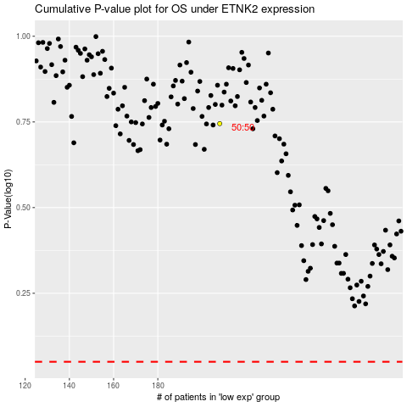

 |  |  |  |  |  | cases_OS | p_OS | rank | exp
 |  |  |  |  |  |  | cases_RFS | p_RFS | rank | exp

