ETS2 _multivariate
Reported by Tex Li-Hsing Chi. tex@gate.sinica.edu.tw 2019-08-20

Table 2. The clinicopathological features of HNSCC cohort and ETS2 expression. (Chi square test)
Cutoff at -0.173 (50.0%)
 |  | ETS2 expression |  | ETS2 expression |  | (Optimised)
 | Features | Low | (%) | High | (%) | Case no | P-value | Remark | Matthews
Gender | Female | 160 | 38.6 | 146 | 35.2 | 415 | 0.1254 | 0 | 0
2 | Male | 47 | 11.3 | 62 | 14.9
Age at diagnosis | <=65y | 135 | 32.5 | 139 | 33.5 | 415 | 0.8084 | 0 | 0
4 | >65y | 72 | 17.3 | 69 | 16.6
Clinical T Status | T1+T2 | 76 | 18.3 | 73 | 17.6 | 415 | 0.8092 | 0 | 0
6 | T3+T4 | 131 | 31.6 | 135 | 32.5
Clinical N Status | N0 | 104 | 25.1 | 112 | 27 | 415 | 0.5243 | 0 | 0
8 | N1-3 | 103 | 24.8 | 96 | 23.1
Clinical M Status | M0 | 205 | 49.4 | 207 | 49.9 | 415 | 0.6232 | 0 | 0
10 | M1 | 2 | 0.5 | 1 | 0.2
Clinical Stage | Stage I+II | 49 | 11.8 | 53 | 12.8 | 415 | 0.7535 | 0 | 0
12 | Stage III+IV | 158 | 38.1 | 155 | 37.3
Surgical Margin status | Negative | 151 | 36.4 | 167 | 40.2 | 415 | 0.0828 | 0 | 0
14 | Positive | 56 | 13.5 | 41 | 9.9
Tobacco Exposure | Low | 73 | 17.6 | 88 | 21.2 | 415 | 0.1587 | 0 | 0
16 | High | 134 | 32.3 | 120 | 28.9

Table 3. Univariate/Multivariate Cox's proportional hazards regression analyses on OS time of ETS2 gene expression in HNSCC

 |  | Univariate |  |  |  | Multivariate
 | Features | HR | CI95%(L) | CI95%(H) | P-value | HR | CI95%(L) | CI95%(H) | P-value
1 | Female | 1 |  |  |  | 1
Gender | Male | 1.157 | 0.843 | 1.587 | 0.367 | 1.187 | 0.849 | 1.66 | 0.317
11 | <=65y | 1 |  |  |  | 1
Age at diagnosis | >65y | 1.329 | 0.99 | 1.784 | 0.058 | 1.398 | 1.028 | 1.9 | 0.033
12 | T1+T2 | 1 |  |  |  | 1
Clinical T Status | T3+T4 | 1.409 | 1.028 | 1.931 | 0.033 | 2.175 | 1.15 | 4.115 | 0.017
13 | N0 | 1 |  |  |  | 1
Clinical N Status | N1-3 | 1.185 | 0.89 | 1.577 | 0.246 | 1.24 | 0.87 | 1.769 | 0.235
14 | M0 | 1 |  |  |  | 1
Clinical M Status | M1 | 4.097 | 1.009 | 16.644 | 0.049 | 9.447 | 2.061 | 43.298 | 0.004
15 | Stage I+II | 1 |  |  |  | 1
Clinical Stage | Stage III+IV | 1.245 | 0.882 | 1.759 | 0.213 | 0.512 | 0.238 | 1.099 | 0.086
16 | Negative | 1 |  |  |  | 1
Surgical Margin status | Positive | 1.591 | 1.155 | 2.191 | 0.004 | 1.698 | 1.227 | 2.35 | 0.001
17 | Low | 1 |  |  |  | 1
Tobacco Exposure | High | 1.364 | 1.008 | 1.844 | 0.044 | 1.473 | 1.067 | 2.032 | 0.018
18 | Low | 1 |  |  |  | 1
RNAseq(z-score) | High | 1.084 | 0.812 | 1.446 | 0.586 | 1.149 | 0.856 | 1.541 | 0.355

Table 4. Univariate/Multivariate Cox's proportional hazards regression analyses on RFS time of ETS2 gene expression in HNSCC

 |  | Univariate |  |  |  | Multivariate
 | Features | HR | CI95%(L) | CI95%(H) | P-value | HR | CI95%(L) | CI95%(H) | P-value
1 | Female | 1 |  |  |  | 1
Gender | Male | 1.157 | 0.843 | 1.587 | 0.367 | 1.187 | 0.849 | 1.66 | 0.317
11 | <=65y | 1 |  |  |  | 1
Age at diagnosis | >65y | 1.329 | 0.99 | 1.784 | 0.058 | 1.398 | 1.028 | 1.9 | 0.033
12 | T1+T2 | 1 |  |  |  | 1
Clinical T Status | T3+T4 | 1.409 | 1.028 | 1.931 | 0.033 | 2.175 | 1.15 | 4.115 | 0.017
13 | N0 | 1 |  |  |  | 1
Clinical N Status | N1-3 | 1.185 | 0.89 | 1.577 | 0.246 | 1.24 | 0.87 | 1.769 | 0.235
14 | M0 | 1 |  |  |  | 1
Clinical M Status | M1 | 4.097 | 1.009 | 16.644 | 0.049 | 9.447 | 2.061 | 43.298 | 0.004
15 | Stage I+II | 1 |  |  |  | 1
Clinical Stage | Stage III+IV | 1.245 | 0.882 | 1.759 | 0.213 | 0.512 | 0.238 | 1.099 | 0.086
16 | Negative | 1 |  |  |  | 1
Surgical Margin status | Positive | 1.591 | 1.155 | 2.191 | 0.004 | 1.698 | 1.227 | 2.35 | 0.001
17 | Low | 1 |  |  |  | 1
Tobacco Exposure | High | 1.364 | 1.008 | 1.844 | 0.044 | 1.473 | 1.067 | 2.032 | 0.018
18 | Low | 1 |  |  |  | 1
RNAseq(z-score) | High | 1.084 | 0.812 | 1.446 | 0.586 | 1.149 | 0.856 | 1.541 | 0.355

Kaplan-Meier survival estimate: Cutoff at -0.173 (50.0%)

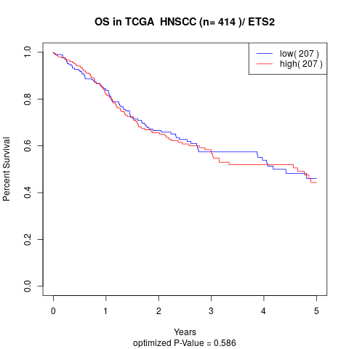

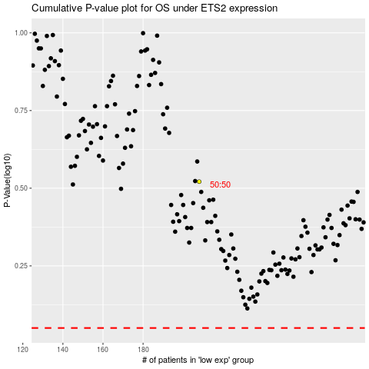

 |  |  |  |  |  | cases_OS | p_OS | rank | exp
 |  |  |  |  |  |  | cases_RFS | p_RFS | rank | exp

