ETV3L _multivariate
Reported by Tex Li-Hsing Chi. tex@gate.sinica.edu.tw 2019-08-20

Table 2. The clinicopathological features of HNSCC cohort and ETV3L expression. (Chi square test)
Cutoff at -0.294 (39.4%)
 |  | ETV3L expression |  | ETV3L expression |  | (Optimised)
 | Features | Low | (%) | High | (%) | Case no | P-value | Remark | Matthews
Gender | Female | 120 | 28.9 | 186 | 44.8 | 415 | 1 | 0 | 0
2 | Male | 43 | 10.4 | 66 | 15.9
Age at diagnosis | <=65y | 101 | 24.3 | 173 | 41.7 | 415 | 0.1941 | 0 | 0
4 | >65y | 62 | 14.9 | 79 | 19
Clinical T Status | T1+T2 | 60 | 14.5 | 89 | 21.4 | 415 | 0.8378 | 0 | 0
6 | T3+T4 | 103 | 24.8 | 163 | 39.3
Clinical N Status | N0 | 84 | 20.2 | 132 | 31.8 | 415 | 0.9457 | 0 | 0
8 | N1-3 | 79 | 19 | 120 | 28.9
Clinical M Status | M0 | 160 | 38.6 | 252 | 60.7 | 415 | 0.0599 | 0 | 0
10 | M1 | 3 | 0.7 | 0 | 0
Clinical Stage | Stage I+II | 40 | 9.6 | 62 | 14.9 | 415 | 1 | 0 | 0
12 | Stage III+IV | 123 | 29.6 | 190 | 45.8
Surgical Margin status | Negative | 123 | 29.6 | 195 | 47 | 415 | 0.7218 | 0 | 0
14 | Positive | 40 | 9.6 | 57 | 13.7
Tobacco Exposure | Low | 65 | 15.7 | 96 | 23.1 | 415 | 0.7573 | 0 | 0
16 | High | 98 | 23.6 | 156 | 37.6

Table 3. Univariate/Multivariate Cox's proportional hazards regression analyses on OS time of ETV3L gene expression in HNSCC

 |  | Univariate |  |  |  | Multivariate
 | Features | HR | CI95%(L) | CI95%(H) | P-value | HR | CI95%(L) | CI95%(H) | P-value
1 | Female | 1 |  |  |  | 1
Gender | Male | 1.157 | 0.843 | 1.587 | 0.367 | 1.193 | 0.852 | 1.67 | 0.303
11 | <=65y | 1 |  |  |  | 1
Age at diagnosis | >65y | 1.329 | 0.99 | 1.784 | 0.058 | 1.378 | 1.013 | 1.876 | 0.041
12 | T1+T2 | 1 |  |  |  | 1
Clinical T Status | T3+T4 | 1.409 | 1.028 | 1.931 | 0.033 | 2.225 | 1.176 | 4.207 | 0.014
13 | N0 | 1 |  |  |  | 1
Clinical N Status | N1-3 | 1.185 | 0.89 | 1.577 | 0.246 | 1.225 | 0.858 | 1.749 | 0.264
14 | M0 | 1 |  |  |  | 1
Clinical M Status | M1 | 4.097 | 1.009 | 16.644 | 0.049 | 8.34 | 1.804 | 38.548 | 0.007
15 | Stage I+II | 1 |  |  |  | 1
Clinical Stage | Stage III+IV | 1.245 | 0.882 | 1.759 | 0.213 | 0.506 | 0.236 | 1.086 | 0.08
16 | Negative | 1 |  |  |  | 1
Surgical Margin status | Positive | 1.591 | 1.155 | 2.191 | 0.004 | 1.658 | 1.2 | 2.291 | 0.002
17 | Low | 1 |  |  |  | 1
Tobacco Exposure | High | 1.364 | 1.008 | 1.844 | 0.044 | 1.422 | 1.03 | 1.963 | 0.033
18 | Low | 1 |  |  |  | 1
RNAseq(z-score) | High | 0.74 | 0.554 | 0.989 | 0.042 | 0.806 | 0.6 | 1.082 | 0.151

Table 4. Univariate/Multivariate Cox's proportional hazards regression analyses on RFS time of ETV3L gene expression in HNSCC

 |  | Univariate |  |  |  | Multivariate
 | Features | HR | CI95%(L) | CI95%(H) | P-value | HR | CI95%(L) | CI95%(H) | P-value
1 | Female | 1 |  |  |  | 1
Gender | Male | 1.157 | 0.843 | 1.587 | 0.367 | 1.193 | 0.852 | 1.67 | 0.303
11 | <=65y | 1 |  |  |  | 1
Age at diagnosis | >65y | 1.329 | 0.99 | 1.784 | 0.058 | 1.378 | 1.013 | 1.876 | 0.041
12 | T1+T2 | 1 |  |  |  | 1
Clinical T Status | T3+T4 | 1.409 | 1.028 | 1.931 | 0.033 | 2.225 | 1.176 | 4.207 | 0.014
13 | N0 | 1 |  |  |  | 1
Clinical N Status | N1-3 | 1.185 | 0.89 | 1.577 | 0.246 | 1.225 | 0.858 | 1.749 | 0.264
14 | M0 | 1 |  |  |  | 1
Clinical M Status | M1 | 4.097 | 1.009 | 16.644 | 0.049 | 8.34 | 1.804 | 38.548 | 0.007
15 | Stage I+II | 1 |  |  |  | 1
Clinical Stage | Stage III+IV | 1.245 | 0.882 | 1.759 | 0.213 | 0.506 | 0.236 | 1.086 | 0.08
16 | Negative | 1 |  |  |  | 1
Surgical Margin status | Positive | 1.591 | 1.155 | 2.191 | 0.004 | 1.658 | 1.2 | 2.291 | 0.002
17 | Low | 1 |  |  |  | 1
Tobacco Exposure | High | 1.364 | 1.008 | 1.844 | 0.044 | 1.422 | 1.03 | 1.963 | 0.033
18 | Low | 1 |  |  |  | 1
RNAseq(z-score) | High | 0.74 | 0.554 | 0.989 | 0.042 | 0.806 | 0.6 | 1.082 | 0.151

Kaplan-Meier survival estimate: Cutoff at -0.294 (39.4%)



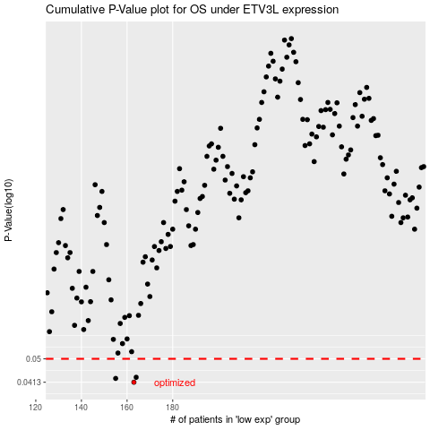

 |  |  |  |  |  | cases_OS | p_OS | rank | exp
 |  |  |  |  |  | 163 | 0.0413 | 145 | -0.29396366915
 |  |  |  |  |  | 155 | 0.0426 | 300 | -0.30876300472
 |  |  |  |  |  | 164 | 0.043 | 230 | -0.29376296439
 |  |  |  |  |  |  | cases_RFS | p_RFS | rank | exp
 |  |  |  |  |  |  | 162 | 0.0413 | 65 | -0.29707987472
 |  |  |  |  |  |  | 154 | 0.0426 | 222 | -0.31061160123
 |  |  |  |  |  |  | 163 | 0.043 | 145 | -0.29396366915

