ETV4 _multivariate
Reported by Tex Li-Hsing Chi. tex@gate.sinica.edu.tw 2019-08-20

Table 2. The clinicopathological features of HNSCC cohort and ETV4 expression. (Chi square test)
Cutoff at -0.222 (49.8%)
 |  | ETV4 expression |  | ETV4 expression |  | (Optimised)
 | Features | Low | (%) | High | (%) | Case no | P-value | Remark | Matthews
Gender | Female | 146 | 35.2 | 160 | 38.6 | 415 | 0.1714 | 0 | 0
2 | Male | 61 | 14.7 | 48 | 11.6
Age at diagnosis | <=65y | 137 | 33 | 137 | 33 | 415 | 1 | 0 | 0
4 | >65y | 70 | 16.9 | 71 | 17.1
Clinical T Status | T1+T2 | 79 | 19 | 70 | 16.9 | 415 | 0.3924 | 0 | 0
6 | T3+T4 | 128 | 30.8 | 138 | 33.3
Clinical N Status | N0 | 118 | 28.4 | 98 | 23.6 | 415 | 0.0551 | 1 | 0
8 | N1-3 | 89 | 21.4 | 110 | 26.5
Clinical M Status | M0 | 205 | 49.4 | 207 | 49.9 | 415 | 0.6232 | 0 | 0
10 | M1 | 2 | 0.5 | 1 | 0.2
Clinical Stage | Stage I+II | 56 | 13.5 | 46 | 11.1 | 415 | 0.2918 | 0 | 0
12 | Stage III+IV | 151 | 36.4 | 162 | 39
Surgical Margin status | Negative | 164 | 39.5 | 154 | 37.1 | 415 | 0.2462 | 0 | 0
14 | Positive | 43 | 10.4 | 54 | 13
Tobacco Exposure | Low | 94 | 22.7 | 67 | 16.1 | 415 | 0.0065 | 1 | 0
16 | High | 113 | 27.2 | 141 | 34

Table 3. Univariate/Multivariate Cox's proportional hazards regression analyses on OS time of ETV4 gene expression in HNSCC

 |  | Univariate |  |  |  | Multivariate
 | Features | HR | CI95%(L) | CI95%(H) | P-value | HR | CI95%(L) | CI95%(H) | P-value
1 | Female | 1 |  |  |  | 1
Gender | Male | 1.157 | 0.843 | 1.587 | 0.367 | 1.24 | 0.882 | 1.743 | 0.216
11 | <=65y | 1 |  |  |  | 1
Age at diagnosis | >65y | 1.329 | 0.99 | 1.784 | 0.058 | 1.368 | 1.005 | 1.862 | 0.046
12 | T1+T2 | 1 |  |  |  | 1
Clinical T Status | T3+T4 | 1.409 | 1.028 | 1.931 | 0.033 | 2.202 | 1.165 | 4.164 | 0.015
13 | N0 | 1 |  |  |  | 1
Clinical N Status | N1-3 | 1.185 | 0.89 | 1.577 | 0.246 | 1.221 | 0.854 | 1.744 | 0.273
14 | M0 | 1 |  |  |  | 1
Clinical M Status | M1 | 4.097 | 1.009 | 16.644 | 0.049 | 10.062 | 2.185 | 46.338 | 0.003
15 | Stage I+II | 1 |  |  |  | 1
Clinical Stage | Stage III+IV | 1.245 | 0.882 | 1.759 | 0.213 | 0.502 | 0.234 | 1.077 | 0.077
16 | Negative | 1 |  |  |  | 1
Surgical Margin status | Positive | 1.591 | 1.155 | 2.191 | 0.004 | 1.664 | 1.204 | 2.3 | 0.002
17 | Low | 1 |  |  |  | 1
Tobacco Exposure | High | 1.364 | 1.008 | 1.844 | 0.044 | 1.426 | 1.032 | 1.971 | 0.031
18 | Low | 1 |  |  |  | 1
RNAseq(z-score) | High | 1.228 | 0.921 | 1.637 | 0.161 | 1.186 | 0.88 | 1.598 | 0.263

Table 4. Univariate/Multivariate Cox's proportional hazards regression analyses on RFS time of ETV4 gene expression in HNSCC

 |  | Univariate |  |  |  | Multivariate
 | Features | HR | CI95%(L) | CI95%(H) | P-value | HR | CI95%(L) | CI95%(H) | P-value
1 | Female | 1 |  |  |  | 1
Gender | Male | 1.157 | 0.843 | 1.587 | 0.367 | 1.24 | 0.882 | 1.743 | 0.216
11 | <=65y | 1 |  |  |  | 1
Age at diagnosis | >65y | 1.329 | 0.99 | 1.784 | 0.058 | 1.368 | 1.005 | 1.862 | 0.046
12 | T1+T2 | 1 |  |  |  | 1
Clinical T Status | T3+T4 | 1.409 | 1.028 | 1.931 | 0.033 | 2.202 | 1.165 | 4.164 | 0.015
13 | N0 | 1 |  |  |  | 1
Clinical N Status | N1-3 | 1.185 | 0.89 | 1.577 | 0.246 | 1.221 | 0.854 | 1.744 | 0.273
14 | M0 | 1 |  |  |  | 1
Clinical M Status | M1 | 4.097 | 1.009 | 16.644 | 0.049 | 10.062 | 2.185 | 46.338 | 0.003
15 | Stage I+II | 1 |  |  |  | 1
Clinical Stage | Stage III+IV | 1.245 | 0.882 | 1.759 | 0.213 | 0.502 | 0.234 | 1.077 | 0.077
16 | Negative | 1 |  |  |  | 1
Surgical Margin status | Positive | 1.591 | 1.155 | 2.191 | 0.004 | 1.664 | 1.204 | 2.3 | 0.002
17 | Low | 1 |  |  |  | 1
Tobacco Exposure | High | 1.364 | 1.008 | 1.844 | 0.044 | 1.426 | 1.032 | 1.971 | 0.031
18 | Low | 1 |  |  |  | 1
RNAseq(z-score) | High | 1.228 | 0.921 | 1.637 | 0.161 | 1.186 | 0.88 | 1.598 | 0.263

Kaplan-Meier survival estimate: Cutoff at -0.222 (49.8%)



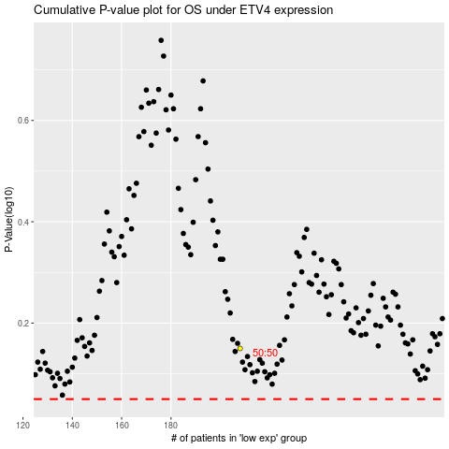

 |  |  |  |  |  | cases_OS | p_OS | rank | exp
 |  |  |  |  |  |  | cases_RFS | p_RFS | rank | exp

