ETV5 _multivariate
Reported by Tex Li-Hsing Chi. tex@gate.sinica.edu.tw 2019-08-20

Table 2. The clinicopathological features of HNSCC cohort and ETV5 expression. (Chi square test)
Cutoff at -0.162 (56.5%)
 |  | ETV5 expression |  | ETV5 expression |  | (Optimised)
 | Features | Low | (%) | High | (%) | Case no | P-value | Remark | Matthews
Gender | Female | 169 | 40.7 | 137 | 33 | 415 | 0.3953 | 0 | 0
2 | Male | 66 | 15.9 | 43 | 10.4
Age at diagnosis | <=65y | 157 | 37.8 | 117 | 28.2 | 415 | 0.7788 | 0 | 0
4 | >65y | 78 | 18.8 | 63 | 15.2
Clinical T Status | T1+T2 | 89 | 21.4 | 60 | 14.5 | 415 | 0.3942 | 0 | 0
6 | T3+T4 | 146 | 35.2 | 120 | 28.9
Clinical N Status | N0 | 124 | 29.9 | 92 | 22.2 | 415 | 0.814 | 0 | 0
8 | N1-3 | 111 | 26.7 | 88 | 21.2
Clinical M Status | M0 | 232 | 55.9 | 180 | 43.4 | 415 | 0.2614 | 0 | 0
10 | M1 | 3 | 0.7 | 0 | 0
Clinical Stage | Stage I+II | 59 | 14.2 | 43 | 10.4 | 415 | 0.8646 | 0 | 0
12 | Stage III+IV | 176 | 42.4 | 137 | 33
Surgical Margin status | Negative | 184 | 44.3 | 134 | 32.3 | 415 | 0.4128 | 0 | 0
14 | Positive | 51 | 12.3 | 46 | 11.1
Tobacco Exposure | Low | 101 | 24.3 | 60 | 14.5 | 415 | 0.0534 | 0 | 0
16 | High | 134 | 32.3 | 120 | 28.9

Table 3. Univariate/Multivariate Cox's proportional hazards regression analyses on OS time of ETV5 gene expression in HNSCC

 |  | Univariate |  |  |  | Multivariate
 | Features | HR | CI95%(L) | CI95%(H) | P-value | HR | CI95%(L) | CI95%(H) | P-value
1 | Female | 1 |  |  |  | 1
Gender | Male | 1.157 | 0.843 | 1.587 | 0.367 | 1.243 | 0.888 | 1.739 | 0.205
11 | <=65y | 1 |  |  |  | 1
Age at diagnosis | >65y | 1.329 | 0.99 | 1.784 | 0.058 | 1.379 | 1.015 | 1.873 | 0.04
12 | T1+T2 | 1 |  |  |  | 1
Clinical T Status | T3+T4 | 1.409 | 1.028 | 1.931 | 0.033 | 2.19 | 1.158 | 4.143 | 0.016
13 | N0 | 1 |  |  |  | 1
Clinical N Status | N1-3 | 1.185 | 0.89 | 1.577 | 0.246 | 1.233 | 0.864 | 1.758 | 0.248
14 | M0 | 1 |  |  |  | 1
Clinical M Status | M1 | 4.097 | 1.009 | 16.644 | 0.049 | 10.767 | 2.329 | 49.777 | 0.002
15 | Stage I+II | 1 |  |  |  | 1
Clinical Stage | Stage III+IV | 1.245 | 0.882 | 1.759 | 0.213 | 0.506 | 0.236 | 1.085 | 0.08
16 | Negative | 1 |  |  |  | 1
Surgical Margin status | Positive | 1.591 | 1.155 | 2.191 | 0.004 | 1.682 | 1.217 | 2.326 | 0.002
17 | Low | 1 |  |  |  | 1
Tobacco Exposure | High | 1.364 | 1.008 | 1.844 | 0.044 | 1.395 | 1.009 | 1.928 | 0.044
18 | Low | 1 |  |  |  | 1
RNAseq(z-score) | High | 1.34 | 1.003 | 1.79 | 0.048 | 1.319 | 0.98 | 1.777 | 0.068

Table 4. Univariate/Multivariate Cox's proportional hazards regression analyses on RFS time of ETV5 gene expression in HNSCC

 |  | Univariate |  |  |  | Multivariate
 | Features | HR | CI95%(L) | CI95%(H) | P-value | HR | CI95%(L) | CI95%(H) | P-value
1 | Female | 1 |  |  |  | 1
Gender | Male | 1.157 | 0.843 | 1.587 | 0.367 | 1.243 | 0.888 | 1.739 | 0.205
11 | <=65y | 1 |  |  |  | 1
Age at diagnosis | >65y | 1.329 | 0.99 | 1.784 | 0.058 | 1.379 | 1.015 | 1.873 | 0.04
12 | T1+T2 | 1 |  |  |  | 1
Clinical T Status | T3+T4 | 1.409 | 1.028 | 1.931 | 0.033 | 2.19 | 1.158 | 4.143 | 0.016
13 | N0 | 1 |  |  |  | 1
Clinical N Status | N1-3 | 1.185 | 0.89 | 1.577 | 0.246 | 1.233 | 0.864 | 1.758 | 0.248
14 | M0 | 1 |  |  |  | 1
Clinical M Status | M1 | 4.097 | 1.009 | 16.644 | 0.049 | 10.767 | 2.329 | 49.777 | 0.002
15 | Stage I+II | 1 |  |  |  | 1
Clinical Stage | Stage III+IV | 1.245 | 0.882 | 1.759 | 0.213 | 0.506 | 0.236 | 1.085 | 0.08
16 | Negative | 1 |  |  |  | 1
Surgical Margin status | Positive | 1.591 | 1.155 | 2.191 | 0.004 | 1.682 | 1.217 | 2.326 | 0.002
17 | Low | 1 |  |  |  | 1
Tobacco Exposure | High | 1.364 | 1.008 | 1.844 | 0.044 | 1.395 | 1.009 | 1.928 | 0.044
18 | Low | 1 |  |  |  | 1
RNAseq(z-score) | High | 1.34 | 1.003 | 1.79 | 0.048 | 1.319 | 0.98 | 1.777 | 0.068

Kaplan-Meier survival estimate: Cutoff at -0.162 (56.5%)



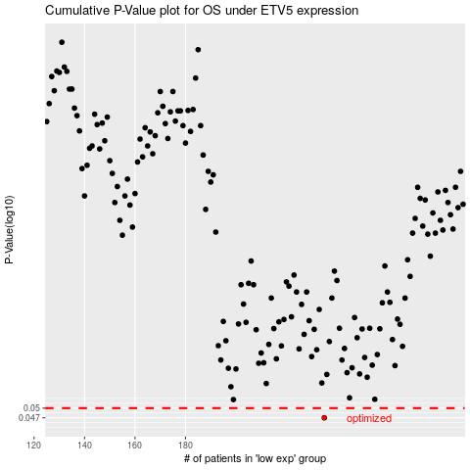

 |  |  |  |  |  | cases_OS | p_OS | rank | exp
 |  |  |  |  |  | 235 | 0.047 | 97 | -0.16165716981
 |  |  |  |  |  |  | cases_RFS | p_RFS | rank | exp
 |  |  |  |  |  |  | 234 | 0.047 | 60 | -0.16369766952

